Sheet1
VERSION NUMBER：2017.1.13

 | PARTS MANUAL

 |  |  |  |  |  | LINHAI M550 EFI

 |  |  |  |  |  |  |  |  |  | EUROPE 4

 |  |  |  | ←→Interchangeable；≠Noninterchangeable；←New for old →old for new

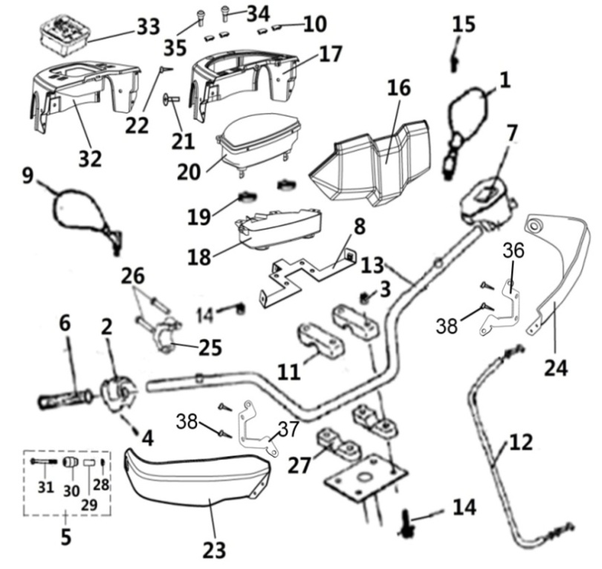
 | 1 HANDLEBAR |  |  | REF. No. | PART No. | DESCRIPTION | Q'TY | PIN | I/C | 图号
 |  |  |  | 1 | 36101 | REAR VIEW MIRROR LEFT（ ONLY FOR EUROPE）(MARK L-E9-00.1145) | 1 |  |  | 4BB-26291-10
 |  |  |  | 2 | 35734 | THROTTLE CONTROL | 1 |  |  | 4AW-26249-00
 |  |  |  | 3 | 10079 | NUT M8 | 9 |  |  | B51L30800R
 |  |  |  | 4 | 10140B | BOLT M6X12 | 1 |  |  | B11A30612R
 |  |  |  | 5 | 72037 | NEW GUARD,HANDLEBAR END ASSY.（MATCH WITH NEW HANDLEBAR) | 2 |  |  | 4AA-26202-00
 |  |  |  | 6 | 35727 | GRIP | 2 |  |  | 4AV-26130-00
 |  |  |  | 7 | 35090e | SWITCH ASSY（FOR EUROPE） | 1 |  |  | 4AV-83900-01
 |  |  |  | 8 | 36020 | SPEEDOMETER BRACKET | 1 |  |  | 4BB-21201-00
 |  |  |  | 9 | 36103 | REAR VIEW MIRROR RIGHT（ ONLY FOR EUROPE）(MARK R-E9-00.1145) | 1 |  |  | 4BB-26292-10
 |  |  |  | 10 | 25010 | SPEEDOMETER COVER CAP（FOR EUROPE） | 4 |  |  | 4AB-83501-00
 |  |  |  | 11 | 20112a | HANDLEBAR CLAMP | 2 |  |  | 4AL-26113-00
 |  |  |  | 12 | 36423 | THROTTLE CABLE | 1 |  |  | 4BE-26250-00
 |  |  |  | 13 | 36099 | HANDLEBAR (NEW MODEL)(MATCH WITH NEW GUARD,HANDLEBAR END ASSY.) | 1 |  |  | 4BB-26111-10
 |  |  |  | 14 | 10531 | BOLT M8X72 | 4 |  |  | B15L30872R
 |  |  |  | 15 | 25013 | SCREW M6X12 | 2 |  |  | B23L00610R
 |  |  | ` | 16 | 36116 | FRONT SPEEDOMETER COVER | 1 |  |  | 4BB-28427-00
 |  |  |  | 17 | 36117 | REAR SPEEDOMETER COVER | 1 |  |  | 4BB-28428-00
 |  |  |  | 18 | 36115 | HANDLEBAR COVER RIGHT | 1 |  |  | 4BB-28426-00
 |  |  |  | 19 | 22351 | RUBBER WASHER | 2 |  |  | 4AB-28361-00
 |  |  |  | 20 | 36202 | LCD SPEEDOMETER，EFI,BIGGER（EUROPE ） | 1 |  |  | 4BB-83500-02
 |  |  |  | 21 | 10420 | SCREW M6X16 | 12 |  |  | GB/T818
 |  |  |  | 22 | 10520 | SCREW ST4.8X12 | 4 |  |  | B21A34J12R
 |  |  |  | 23 | 36109 | HANDLEBAR COVER RIGHT | 1 |  |  | 4BB-28366-00
 |  |  |  | 24 | 36108 | HANDLEBAR COVER LEFT | 1 |  |  | 4BB-28365-00
 |  |  |  | 25 | 25526 | DOWN HOLDER,REAR VIEW MIRROR | 1
 |  |  |  | 26 | 10008 | BOLT M6X20 | 2 |  |  | B22L00620R
 |  |  |  | 27 | 70703 | HANDLEBAR DOWN CLAMP | 2 |  |  | 4AB-26112-00
 |  |  |  | 28 | 10913 | NUT M6 | 2 |  |  | B53F20600R
 |  |  |  | 29 | 72035 | TENSIONING BLOCK | 2 |  |  | 4AA-26204-00
 |  |  |  | 30 | 72036 | BALANCE WEIGHT | 2 |  |  | 4AA-26203-00
 |  |  |  | 31 | 10940 | SCREW M6X70 | 2 |  |  | B24B30670R
 |  |  |  | 32 | 36114 | Small instrument cover | 1 |  |  | 4BB-28425-00
 |  |  |  | 33 | 36203 | LCD SPEEDOMETER，EFI,SMALLER. OPTIONS（EUROPE） | 1 |  |  | 4BB-83500-03
 |  |  |  | 34 | 73329 | A key function |  |  |  | 4CF-83501-00
 |  |  |  | 35 | 36153 | The two key function |  |  |  | 4CF-83503-00
 |  |  |  | 36 | 36157 | BRACKET,HANDLEBAR COVER LEFT | 1 |  |  | 4BB-28367-00
 |  |  |  | 37 | 36158 | BRACKET,HANDLEBAR COVER RIGHT | 1 |  |  | 4BB-28368-00
 |  |  |  | 38 | 10973 | THE HOLLOW RIVET | 4 |  |  | B472206080

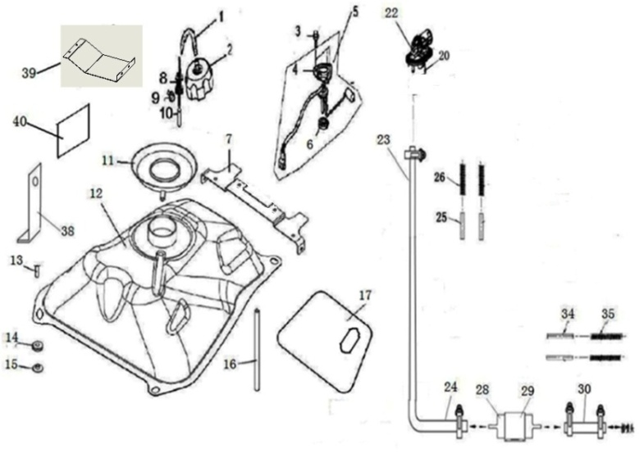
 |  |  |  | ←→Interchangeable；≠Noninterchangeable；←New for old →old for new
 |  | 2 FUEL TANK （FOR EUROPE） |  | REF. No. | PART NO. | DESCRIPTION | Q'TY | PIN | I/C | 图号
 |  |  |  | 1 | 28095 | TUBE,FUEL CAP BREATHER | 1 |  |  | 4AG-24103-00
 |  |  |  | 2 | 70725 | FUEL CAP | 1 |  |  | 4AB-24610-00
 |  |  |  | 3 | 10183 | BOLT M6X16 | 4 |  |  | B11A30616R
 |  |  |  | 4 | 35085 | PLATE，UNIT SET | 1 |  |  | 4AV-85753-00
 |  |  |  | 5 | 36134 | FUEL UNIT SET ASSY | 1 |  |  | 4BB-85752-00
 |  |  |  | 6 | 35086 | GASKET，BASE | 1 |  |  | 4AV-85754-00
 |  |  |  | 7 | 36023a | MOUNTING BRACKET, SEAT | 1 |  |  | 4BB-21260-21
 |  |  |  | 8 | 25037 | VALVE,TANK，FUEL | 1 |  |  | 3AU-24105-00
 |  |  |  | 9 | 10820 | BOLT M5X10 | 1 |  |  | B11L2051000
 |  |  |  | 10 | 70734 | TUBE | 1 |  |  | 4AB-24123-00
 |  |  |  | 11 | 36078 | The oil spill | 1 |  |  | 4BB-2414A-00
 |  |  |  | 12 | 36061a | FUEL TANK | 1 |  |  | 4BB-24110-12
 |  |  |  | 13 | 10110 | BOLT M6X20 | 4 |  |  | B11A30620R
 |  |  |  | 14 | 36064 | Fuel tank buffer sleeve | 4 |  |  | 4BB-2411A-00
 |  |  |  | 15 | 36065 | Fuel tank buffer sleeve | 4 |  |  | 4BB-2411B-00
 |  |  |  | 16 | 35501 | Vent pipe | 1 |  |  | 1BE-23801-00
 |  |  |  | 17 | 36063 | FUEL TANK ADIABATIC PELLICLE | 1 |  |  | 4BB-24111-10
 |  |  |  | 19 | 71658 | HOSE CLAMPS 8/14 | 4 |  |  | 4AA-24103-00
 |  |  |  | 20 | 10976 | SCREW M4X16 | 8 |  |  | B22D304162R
 |  |  |  | 22 | 36177 | VALVE,TANK，FUEL（NEW） | 1 |  |  | 4BB-24410-00
 |  |  |  | 23 | 36178 | Oil pump outlet pipe | 1 |  |  | 4BB-24125-00
 |  |  |  | 24 | 36068 | Connecting tubing 1 | 1 |  |  | 4BB-24123-10
 |  |  |  | 25 | 36179 | Oil pipe insulation film | 1 |  |  | 4BB-24150-00
 |  |  |  | 26 | 36180 | Oil pipe protective sleeve | 1 |  |  | 4BB-24149-00

 |  |  |  | 28 | 70842 | FUEL FILTER | 1 |  |  | 4AB-24103-00
 |  |  |  | 29 | 70845 | FUEL FILTER INSTALLATION | 1 |  |  | 4AB-24104-00
 |  |  |  | 30 | 36069 | Connecting tubing 2 | 1 |  |  | 4BB-24124-10
 |  |  |  | 34 | 36073 | Connecting pipe 2 insulation film | 1 |  |  | 4BB-24144-00
 |  |  |  | 35 | 36077 | Connecting pipe 2 protection sleeve | 1 |  |  | 4BB-24148-00
 |  |  |  | 38 | 36142 | Filter mounting insert | 1 |  |  | 4AV-24502-01
 |  |  |  | 39 | 35754 | fuel tank protection plate | 2 |  |  | 4AV-24141-00
 |  |  |  | 40 | 35755 | fuel tank protective plate heat insulation film | 2 |  |  | 4AV-24147-00

 |  |  |  | ←→Interchangeable；≠Noninterchangeable；←New for old →old for new
 | 3 REAR FENDERS |  |  | REF. No. | PART No. | DESCRIPTION | Q'TY | PIN | I/C | 图号
 |  |  |  | 1 | 36016a | Frame welding assembly | 1 |  |  | 4BB-21100-22
 |  |  |  | 3 | 36081 | LATCH ASSEMBLY | 1 |  |  | 4BB-24780-00
 |  |  |  | 4 | 10110 | SCREW M6X20 | 2 |  |  | GB/T16674.1
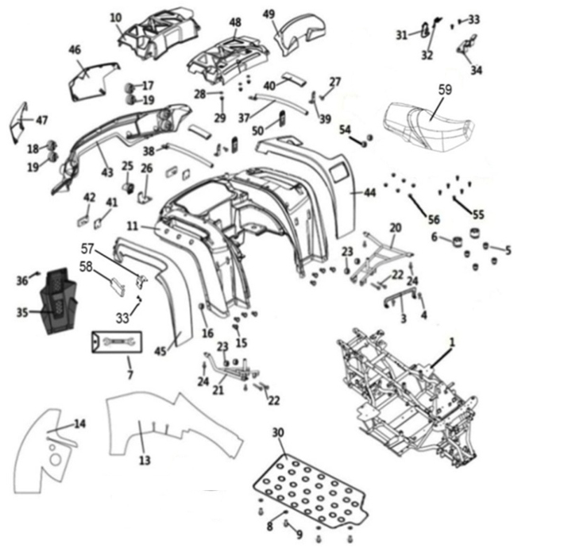
 |  |  |  | 5 | 25042 | RUBBER，SEAT SETTING 1 | 4 |  |  | LH260ATV-B.9-1
 |  |  |  | 6 | 70445 | RUBBER ，SEAT SETTING 2 | 2 |  |  | LH520ATV.2-32
 |  |  |  | 7 | 25044 | TOOL | 1 |  |  | LH260ATV-B.GJ.1
 |  |  |  | 8 | 20331 | WASHER 6 | 8 |  |  | LH260ATV.2-27
 |  |  |  | 9 | 10191 | BOLT M6X18 | 8 |  |  | GB/T16674.1-M6X18
 |  |  |  | 10 | 36042 | TOOL BOX CAP | 1 |  |  | 4BB-21607-00
 |  |  |  | 11 | 36036 | REAR FENDER | 1 |  |  | 4BB-21601-00

 |  |  |  | 13 | 36045 | REAR MUD ADIABATIC PELLICLE 1 | 1 |  |  | 4BB-21616-01
 |  |  |  | 14 | 36046 | REAR MUD ADIABATIC PELLICLE 2 | 1 |  |  | 4BB-21617-00
 |  |  |  | 15 | 10420 | SCREW M6X16 | 12 |  |  | GB/T818 M6X16
 |  |  |  | 16 | 10913 | NUT 6 | 12 |  |  | B53F20600R
 |  |  |  | 17 | 36125 | LEFT REAR INDICATION LIGHT | 1 |  |  | 4BB-83311-00
 |  |  |  | 18 | 36127 | RIGHT REAR INDICATION LIGHT | 1 |  |  | 4BB-83321-00
 |  |  |  | 19 | 36132 | TAILLIGHT | 1 |  |  | 4BB-84710-00
 |  |  |  | 20 | 36086 | TRESTLE LEFT | 1 |  |  | 4BB-24820-00
 |  |  |  | 21 | 36087 | TRESTLE RIGHT | 1 |  |  | 4BB-24830-00
 |  |  |  | 22 | 25056 | BOLT M8X70 | 4 |  |  | GB/T16674.1
 |  |  |  | 23 | 10067 | NUT 8 | 4 |  |  | B57A30800R
 |  |  |  | 24 | 10183 | BOLT M6X16 | 4 |  |  | GB/T16674.1
 |  |  |  | 25 | 36131 | LICENSE LIGHT |  |  |  | 4BB-84700-00
 |  |  |  | 26 | 36430 | License plate lamp mounting plate |  |  |  | 4BE-84751-00
 |  |  |  | 27 | 10140 | BOLT M6X12 | 2 |  |  | GB/T16674.1 M6X12
 |  |  |  | 28 | 10006 | WASHER 6 | 2 |  |  | GB/T97.1
 |  |  |  | 29 | 10004 | NUT 6 | 2 |  |  | GB/T6187
 |  |  |  | 30 | 35497 | PLASTIC PLANT | 1 |  |  | 4AV-28455-00
 |  |  |  | 31 | 70788 | HOOK BRACKET，SEAT LOCK | 1 |  |  | LH520ATV.9.1.1
 |  |  |  | 32 | 70802 | SPRING | 1 |  |  | LH520ATV.9.1-2
 |  |  |  | 33 | 10178 | SCREW ST4.2X13 | 25 |  |  | GB/T845 ST4.2X13
 |  |  |  | 34 | 70803 | Cushion plate | 1 |  |  | LH520ATV.9.1-3
 |  |  |  | 35 | 35498 | REAR DECORATION COVER | 1 |  |  | 4AV-21620-00
 |  |  |  | 36 | 10140 | BOLT M6X12 | 4 |  |  | GB/T16674.1
 |  |  |  | 37 | 36088 | Left rear arm assembly | 1 |  |  | 4BB-24832-00
 |  |  |  | 38 | 36089 | Right rear arm tube assembly | 1 |  |  | 4BB-24833-00
 |  |  |  | 39 | 36090 | Connecting plate of arm tube | 2 |  |  | 4BB-24834-00
 |  |  |  | 40 | 36083 | Arm rubber sleeve | 2 |  |  | 4BB-24801-00
 |  |  |  | 41 | 36018 | Rear reflector mounting plate | 2 |  |  | 4BB-21144-00
 |  |  |  | 42 | 40319 | Rear reflector | 2 |  |  | 3AV-85101-00
 |  |  |  | 43 | 36041 | Rear light frame | 1 |  |  | 4BB-21606-00
 |  |  |  | 44 | 36037 | Rear left trim cover 1 | 1 |  |  | 4BB-21602-00
 |  |  |  | 45 | 36038 | Rear right trim cover 1 | 1 |  |  | 4BB-21603-00
 |  |  |  | 46 | 36039 | Rear left trim cover 2 | 1 |  |  | 4BB-21604-00
 |  |  |  | 47 | 36040 | Rear right trim cover 2 | 1 |  |  | 4BB-21605-00
 |  |  |  | 48 | 36043 | Back tool box cover | 1 |  |  | 4BB-21607-10
 |  |  |  | 49 | 36080 | Short back | 1 |  |  | 4BB-24730-00
 |  |  |  | 50 | 36082 | Toolbox lock | 2 |  |  | 4BB-24790-00
 |  |  |  | 54 | 10913 | NUT 6 | 2 |  |  | B53F20600R
 |  |  |  | 55 | 10140B | BOLT M6X12 | 8 |  |  | B11A30612R
 |  |  |  | 56 | 70960 | NUT | 6 |  |  | 4CC-21811-00
 |  |  |  | 57 | 35759 | SIDE REFLECTOR，PLATE | 2 |  |  | 4BB-21145-00
 |  |  |  | 58 | 35760 | SIDE REFLECTOR | 2 |  |  | 3AV-85101-01
 |  |  |  | 59 | 36079 | INTEGRAL SEAT | 1 |  |  | 4BB-24720-00

 |  |  |  | ←→Interchangeable；≠Noninterchangeable；←New for old →old for new
 |  | 4 FRONT BODY＆FRAM |  | REF. No. | PART NO. | DESCRIPTION | Q'TY | PIN | I/C | 图号
 |  |  |  | 1 | 36024 | Front ventilation grid | 1 |  |  | 4BB-21501-00
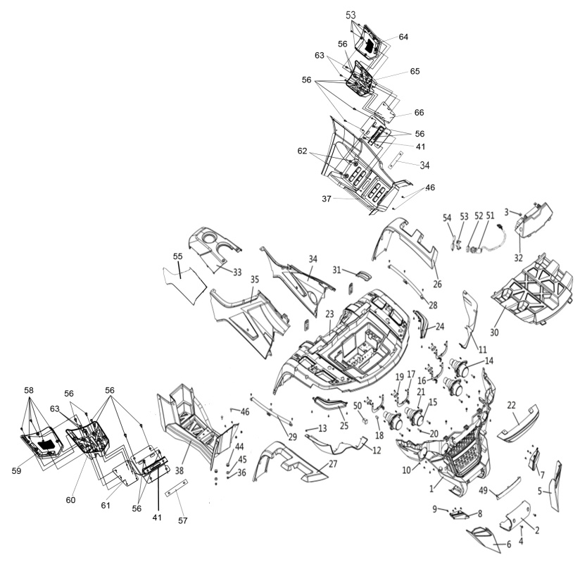
 |  |  |  | 2 | 36025 | Tractor cover plate | 1 |  |  | 4BB-21502-00
 |  |  |  | 3 | 70960 | Flexible mounting nut | 20 |  |  | 4CC-21811-00
 |  |  |  | 4 | 10183 | BOLT M6X16 | 13 |  |  | GB/T16674.1
 |  |  |  | 5 | 36026 | Front lower left decorative cover | 1 |  |  | 4BB-21503-00
 |  |  |  | 6 | 36027 | Front lower right decorative cover | 1 |  |  | 4BB-21504-00
 |  |  |  | 7 | 36129 | The front left Rihang lamp | 1 |  |  | 4BB-84314-00
 |  |  |  | 8 | 36130 | The front right Rihang lamp | 1 |  |  | 4BB-84315-00
 |  |  |  | 9 | 10178 | SCREW ST4.8X13 | 12 |  |  | GB/T845
 |  |  |  | 10 | 10009 | SCREW ST4.8X16 | 48 |  |  | GB/T845
 |  |  |  | 11 | 36028 | Left front headlight frame | 1 |  |  | 4BB-21505-00
 |  |  |  | 12 | 36029 | Right front headlight frame | 1 |  |  | 4BB-21506-00
 |  |  |  | 13 | 10178 | SCREW ST4.2X13 | 2 |  |  | GB/T845
 |  |  |  | 14 | 27455 | HIGH BEAM | 2 |  |  | 4AD-84301-00
 |  |  |  | 15 | 27456 | DIPPED HEADLIGHT | 2 |  |  | 4AD-84310-00
 |  |  |  | 16 | 36058 | Left headlight bracket assembly | 2 |  |  | 4BB-22520-00
 |  |  |  | 17 | 36059 | Right headlight bracket assembly | 2 |  |  | 4BB-22521-00
 |  |  |  | 18 | 71927 | FRONT INDICATOR LIGHT BULB 12V 10W（ONLY FOR EUROPE）（YELLOW） | 4 |  |  | 4AB-84306-00
 |  |  |  | 19 | 27371 | BALL JOINT，HEADLIGHT | 4 |  |  | LH400ATV-2B.23.5.1
 |  |  |  | 20 | 27372 | ADJUSTMENT BOLT，HEADLIGHT | 8 |  |  | LH400ATV-2B.23.5-1
 |  |  |  | 21 | 27373 | SPRING | 8 |  |  | LH400ATV-2B.23.5-2
 |  |  |  | 22 | 36030 | Front decorative cover | 1 |  |  | 4BB-21507-00
 |  |  |  | 23 | 36031 | Front cover | 1 |  |  | 4BB-21508-00
 |  |  |  | 24 | 36124 | FRONT INDICATOR LIGHT L（ONLY FOR EUROPE） | 1 |  |  | 4BB-83310-00
 |  |  |  | 25 | 36126 | FRONT INDICATOR LIGHT R（ONLY FOR EUROPE） | 1 |  |  | 4BB-83320-00
 |  |  |  | 26 | 36032 | Front left trim cover | 1 |  |  | 4BB-21509-00
 |  |  |  | 27 | 36033 | Front right trim cover | 1 |  |  | 4BB-21510-00
 |  |  |  | 28 | 36091 | The front cover of the left supporting tube assembly | 1 |  |  | 4BB-24837-00
 |  |  |  | 29 | 36092 | The front cover of the right supporting tube assembly | 1 |  |  | 4BB-24838-00
 |  |  |  | 30 | 36034 | Front tool box cover | 1 |  |  | 4BB-21511-00
 |  |  |  | 31 | 36110 | Shift gear cover plate | 1 |  |  | 4BB-28380-00
 |  |  |  | 32 | 36047 | Front cover of fuel tank | 1 |  |  | 4BB-21701-00
 |  |  |  | 33 | 36048 | TOP cover of fuel tank | 1 |  |  | 4BB-21702-00
 |  |  |  | 34 | 36049 | SIDE COVER L | 1 |  |  | 4BB-21703-00
 |  |  |  | 35 | 36050 | SIDE COVER R | 1 |  |  | 4BB-21704-00
 |  |  |  | 36 | 10004 | NUT 6 | 30 |  |  | GB/T6187
 |  |  |  | 37 | 36104 | FOOTREST LEFT | 1 |  |  | 4BB-27481-00
 |  |  |  | 38 | 36105 | FOOTREST RIGHT | 1 |  |  | 4BB-27482-00
 |  |  |  | 41 | 70336 | STEP | 2 |  |  | 4AB-21208-00
 |  |  |  | 44 | 36064 | Fuel tank buffer sleeve | 12 |  |  | 4BB-2411A-00
 |  |  |  | 45 | 36065 | Fuel tank buffer sleeve | 12 |  |  | 4BB-2411B-00
 |  |  |  | 46 | 10420 | SCREW M6X16 | 28 |  |  | GB/T818
 |  |  |  | 49 | 36035 | Front trim panel | 1 |  |  | 4BB-215A0-00
 |  |  |  | 50 | 25608 | RUBBER COVER | 6 |  |  | 4AL-21119-00
 |  |  |  | 51 | 27457 | IGNITION SWITCH WITH KEY（USED FOR WATERPROOF) | 1 |  |  | 4AL-82500-00
 |  |  |  | 52 | 25004 | THREADED NUT | 1
 |  |  |  | 53 | 25003 | KEY BLANK | 1
 |  |  |  | 54 | 27257 | IGNITION SWITCH COVER | 1 |  |  | 4AL-82501-00
 |  |  |  | 55 | 36044a | SIDE COVER R. PELLICLE | 1 |  |  | 4BB-21618-00
 |  |  |  | 56 | 11003 | SCREW M6X25 | 16 |  |  | B23A30625R
 |  |  |  | 57 | 70300 | RUBBER WASHER | 2 |  |  | LH520ATV.1-3
 |  |  |  | 58 | 10534 | SCREW ST4.8X25 | 10 |  |  | B21B24825R
 |  |  |  | 59 | 35771 | UPPER COVER, RIGHT PEDAL | 1 |  |  | 4AV-27006-00
 |  |  |  | 60 | 35772 | LOWER COVER, RIGHT PEDAL | 1 |  |  | 4AV-27007-00
 |  |  |  | 61 | 36204 | PLATE, RIGHT PEDAL | 1 |  |  | 4BB-27002-00
 |  |  |  | 62 | 36205 | SPACER, PEDAL | 4 |  |  | 4BB-27003-00
 |  |  |  | 63 | 10127 | SCREW M6X20 | 4 |  |  | B23B20620R
 |  |  |  | 64 | 35767 | UPPER COVER, LEFT PEDAL | 1 |  |  | 4AV-27003-00
 |  |  |  | 65 | 35768 | LOWER COVER, LEFT PEDAL | 1 |  |  | 4AV-27004-00
 |  |  |  | 66 | 36206 | PLATE, LEFT PEDAL | 1 |  |  | 4BB-27001-00

*
*
*
*
*
*
*
*
*
*
*
*
*
*
*
*
*
*
*
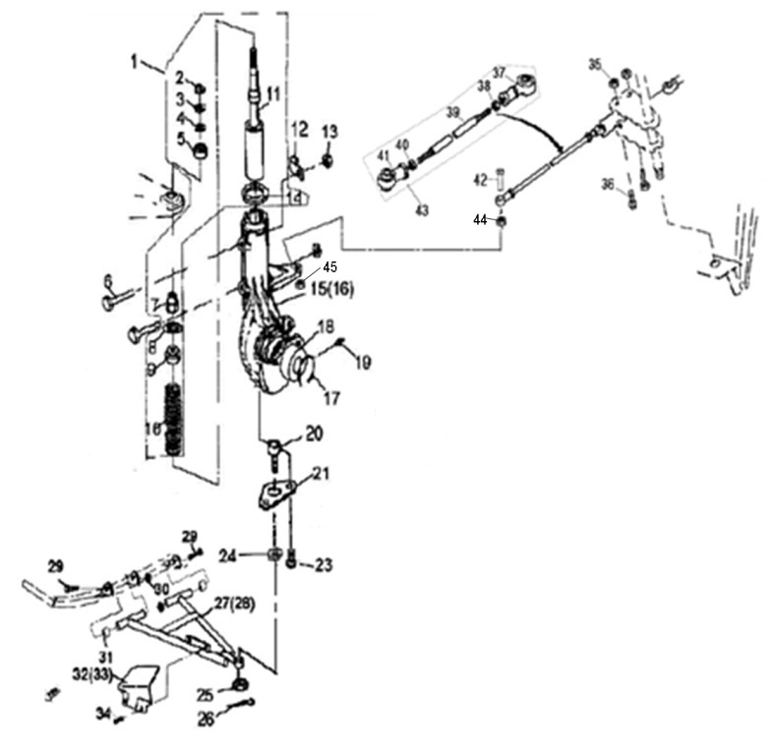
 |  |  |  | ←→Interchangeable；≠Noninterchangeable；←New for old →old for new
 | 5 SHOCK ABSORBER FRONT |  |  | REF. No. | PART NO. | DESCRIPTION | Q'TY | PIN | I/C | 图号
 |  |  |  | 1 | 36159 | FRONT SHOCK ABSORBER ASSEMBLY | 2 |  |  | 4BB-23100-00
 |  |  |  | 2 | 10091 | NUT M14X1.5 | 2 |  |  | GB/T6184-M14X1.5
 |  |  |  | 3 | 21802 | WASHR 14 | 2 |  |  | LH260ATV.3.1-1
 |  |  |  | 4 | 21803 | SPACER RUBBER | 2 |  |  | LH260ATV.3.1-2
 |  |  |  | 5 | 21804 | UPPER PIVOT BALL | 2 |  |  | LH260ATV.3.1-3
 |  |  |  | 6 | 10093 | BOLT M8X55 | 4 |  |  | GB/T5782-M8X55
 |  |  |  | 7 | 21806 | NUT M14X1.5 | 2 |  |  | LH260ATV.3.1-6
 |  |  |  | 8 | 21807 | LOWER PIVOT BALL | 2 |  |  | LH260ATV.3.1-4
 |  |  |  | 9 | 21808 | SPRING RETAINER | 2 |  |  | LH260ATV.3.1-5
 |  |  |  | 10 | 36160 | SPRING | 2 |  |  | 4BB-23101-00
 |  |  |  | 11 | 26908 | STRUT BUMPER | 2 |  |  | LH300CUV.3.1.1
 |  |  |  | 12 | 32104 | CLAMP | 2 |  |  | LH260ATV.5.1a-1
 |  |  |  | 13 | 10079 | NUT M8 | 4 |  |  | GB/T6187-M8
 |  |  |  | 14 | 21813 | SPRING RETAINER | 2 |  |  | LH260ATV.3.1-9
 |  |  |  | 15 | 35019 | STRUT BODY LEFT | 1 |  |  | 4AV-23130-00
 |  |  |  | 16 | 35016 | STRUT BODY RIGHT | 1 |  |  | 4AV-23120-00
 |  |  |  | 17 | 26912 | CIRCLIP | 2 |  |  | LH300CUV.3.2-3
 |  |  |  | 18 | 26913 | BEARING | 2 |  |  | LH300CUV.3.3
 |  |  |  | 19 | 27074 | GREASE FITTING | 2 |  |  | JB/T7940.1-M6
 |  |  |  | 20 | 20512 | BALL JOINT STUD | 2 |  |  | LH260ATV.3.2.4
 |  |  |  | 21 | 20513 | BALL JOINT MOUNTING BRACKET | 2 |  |  | LH260ATV.3.2-1
 |  |  |  | 23 | 10022 | BOLT M6X12 | 4 |  |  | GB/T819.1-M6X12
 |  |  |  | 24 | 10019 | WASHER | 2 |  |  | GB/T97.1
 |  |  |  | 25 | 27067 | NUT M10X1.25 | 2 |  |  | LH260ATV.3.2-3
 |  |  |  | 26 | 10501 | COTTER PIN 2.5X25 | 2 |  |  | GB/T91-2.5X25
 |  |  |  | 27 | 20518F | A-ARM LEFT | 1 |  |  | LH260ATV.1.8.2
 |  |  |  | 28 | 20627F | A-ARM RIGHT | 1 |  |  | LH260ATV.1.8.3
 |  |  |  | 29 | 27077 | A-ARM PIVOT SHAFT | 2 |  |  | LH260ATV.1.8-1a
 |  |  |  | 30 | 10136 | NUT M12X1.25 | 4 |  |  | GB/T6187
 |  |  |  | 31 | 20524f | BUSHING | 4 |  |  | LH260ATV.1.8.1
 |  |  |  | 32 | 20519 | A - ARM SHIELD LEFT | 1 |  |  | LH260ATV.2-21
 |  |  |  | 33 | 20628 | A - ARM SHIELD RIGHT | 1 |  |  | LH260ATV.2-22
 |  |  |  | 34 | 10001 | SCREW M5X12 | 4 |  |  | GB/T818
 |  |  |  | 35 | 10015 | NUT M10X1.25 | 2 |  |  | GB/T6187-M10X1.25
 |  |  |  | 36 | 10016 | BOLT M10X1.25X55 | 2 |  |  | GB/T5785-M10X1.25X55
 |  |  |  | 37 | 20503 | TIE ROD END A | 2 |  |  | LH260ATV.1.7.2-1
 |  |  |  | 38 | 10017 | JAM NUT(RIGHT) | 2 |  |  | GB/T6172-M12
 |  |  |  | 39 | 36147 | TIE ROD(NEW MODEL) | 2 |  |  | 4AV-26181-00
 |  |  |  | 40 | 20506 | JAM NUT(LEFT) | 2 |  |  | LH260ATV.1.7.2-5
 |  |  |  | 41 | 20507 | TIE ROD END B | 2 |  |  | LH260ATV.1.7.2-4
 |  |  |  | 42 | 35722 | BOLT | 2 |  |  | 4AV-26213-00
 |  |  |  | 43 | 36146 | TIE ROD ASSY(NEW MODEL) | 2 |  |  | 4AV-26180-00
 |  |  |  | 44 | 35017 | FRONT T TYPE | 1 |  |  | 4AV-23121-00
 |  |  |  | 45 | 35018 | DOWN T TYPE | 1 |  |  | 4AV-23122-00

*
*
*
*
*
*
*
*
*
*
*
*
*
*
*
*
*
*
*
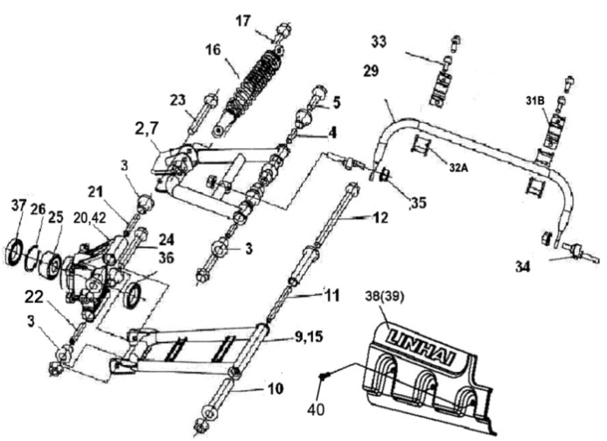
 |  |  |  | ←→Interchangeable；≠Noninterchangeable；←New for old →old for new
 | 6. REAR ARM |  |  | REF. No. | PART NO. | DESCRIPTION | Q'TY | PIN | I/C | 图号
 |  |  |  | 2 | 27324 | ARM ,L.RR | 1 |  |  | LH400ATV-2.4.1.1
 |  |  |  | 3 | 70682 | BUSH 1， ARM ,R.RR | 16 |  |  | LH520ATV.4.1-1
 |  |  |  | 4 | 70683 | COLLAR | 4 |  |  | LH520ATV.4.1-2
 |  |  |  | 5 | 70684 | BOLT M10X1.25X80 | 4 |  |  | LH520ATV.4.1-3
 |  |  |  | 7 | 27325 | ARM ,R.RR | 1 |  |  | LH400ATV-2.4.2.1
 |  |  |  | 9 | 27326 | ARM SET,L.RR | 1 |  |  | LH400ATV-2.4.3.1
 |  |  |  | 10 | 70665 | BUSH 2， ARM ,R.RR | 4 |  |  | LH520ATV.3.1-2
 |  |  |  | 11 | 70687 | COLLAR,ARM | 2 |  |  | LH520ATV.4.3-2
 |  |  |  | 12 | 70688 | BOLT M10M1.25M230 | 2 |  |  | LH520ATV.4.3-3
 |  |  |  | 15 | 27327 | ARM SET,R.RR | 1 |  |  | LH400ATV-2.4.4.1
 |  |  |  | 16 | 36161 | SHOCK ABSORBER ,RR | 2 |  |  | 4BB-22200-00
 |  |  |  | 17 | 70012 | BOLT M10X1.25X52 | 4 |  |  | GB/T16674.1
 |  |  |  | 20 | 36136 | KNUCKLE, L.RR（CAST STEEL） | 1 |  | ← | 4AC-22132-10
 |  |  |  | 21 | 70692 | COLLAR,RR.KNUCKLE,(UPPER) | 2 |  |  | LH520ATV.4.6-3
 |  |  |  | 22 | 70693 | COLLAR,RR.KNUCKLE,(LOWER) | 2 |  |  | LH520ATV.4.6-4
 |  |  |  | 23 | 70694 | BOL,TKNUCKLE,(UPPER) | 2 |  |  | LH520ATV.4.6-5
 |  |  |  | 24 | 70695 | BOL,TKNUCKLE,(LOWER) | 2 |  |  | LH520ATV.4.6-6
 |  |  |  | 25 | 70674 | BEARING AU0712 | 2 |  |  | LH520ATV.3.6.2
 |  |  |  | 26 | 70055 | CIRCLIP 58 | 2 |  |  | GB893.1
 |  |  |  | 29 | 35385 | SPRING,RR.STABILIZER | 1 |  |  | 4AV-22171-00
 |  |  |  | 31B | 35523 | HOLDER,STABILIZER BUSH (NEW MODEL) | 2 |  | ← | 4AV-22182-00
 |  |  |  | 32A | 27091 | BUSH,RR.STABILIZER (NEW MODEL) | 2 |  | ← | 4CD-2386G-00
 |  |  |  | 33 | 10081 | BOLT M8X20 | 4 |  |  | GB/T16674.1
 |  |  |  | 34 | 70699 | LINK,RR. STABILIZER | 2 |  |  | LH520ATV.4.8
 |  |  |  | 35 | 10015 | NUT M10X1.25 | 18 |  |  | GB/T6187
 |  |  |  | 36 | 70675 | SEAL 61.5 43 11 | 2 |  |  | LH520ATV.3.6.3
 |  |  |  | 37 | 70676 | SEAL 58 41.2 11 | 2 |  |  | LH520ATV.3.6.4
 |  |  |  | 38 | 70977 | ARM PROTECT, L | 1 |  |  | LH520ATV.2-87
 |  |  |  | 39 | 70976 | ARM PROTECT, R | 1 |  |  | LH520ATV.2-86
 |  |  |  | 40 | 10001 | BOLT M5x12 | 6 |  |  | GB/T818
 |  |  |  | 42 | 36135 | KNUCKLE, R.RR（CAST STEEL） | 1 |  | ← | 4AC-22131-10

*
*
*
*
*
*
*
*
*
*
*
*
*
*
*
*
*
*
*
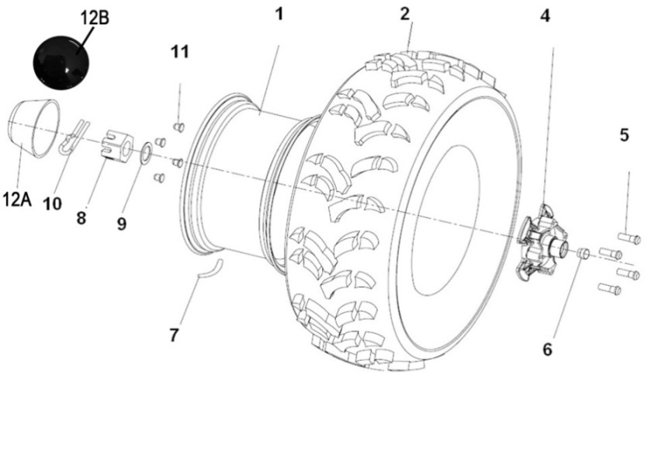
 |  |  |  | ←→Interchangeable；≠Noninterchangeable；←New for old →old for new
 | 7 WHEEL FRONT |  |  | REF. No. | PART NO. | DESCRIPTION | Q'TY | PIN | I/C | 图号
 |  |  |  | 1A | 35508 | WHEEL SUB-ASSY，FR(ALUMINIUM)（FRANCE） | 2 |  |  | 4AV-25181-00
 |  |  |  | 1B | 35723 | WHEEL SUB-ASSY，FR(ALUMINIUM) | 2 |  |  | 4AC-25112-00
 |  |  |  | 1C | 36154 | WHEEL SUB-ASSY，FR(ALUMINIUM) | 2 |  |  | 4BB-25181-00
 |  |  |  | 1 | 27330 | WHEEL SUB-ASSY，FR(IRON)（FRANCE）（SIMPLE） | 2 |  |  | 4AC-25101-00
 |  |  |  | 2 | 27319t | TIRE FRONT AT25X8-12 6PR（WANDA） | 2 |  |  | 4AD-25111-00
 |  |  |  | 2 | 35509 | TIRE FRONT AT25X8-12 43J（WANDA）(E4-75R-0006366) | 2 |  |  | 4AA-25111-00
 |  |  |  | 2 | 27615 | TIRE FRONT AT25X8-12 47F（WANDA）(E4-75R-0008830) | 2 |  |  | 4TC-25110-00
 |  |  |  | 4 | 27285 | HUB ASSY SHRT | 2 |  |  | LH300CUV.7-3A
 |  |  |  | 5 | 70714 | BOLT M12X1.25 | 16 |  |  | LH520ATV.6.2-2
 |  |  |  | 6 | 70718 | SEAL | 2 |  |  | LH520ATV.7.2.1
 |  |  |  | 7 | 20807A | VALVE，RIM（TR412） | 4 |  |  | GB/T12836.1
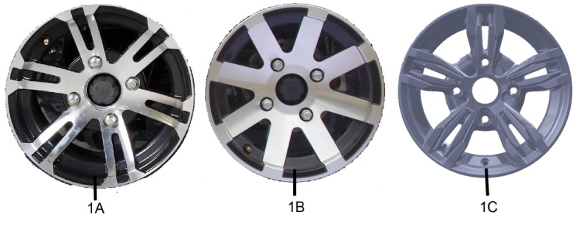
 |  |  |  | 8 | 70721 | BOLT SLOTTED | 4 |  |  | LH520ATV.7-1
 |  |  |  | 9 | 70722 | WASHER | 2 |  |  | LH520ATV.7-2
 |  |  |  | 10 | 10945 | PIN 4X32 | 2 |  |  | GB/T91
 |  |  |  | 11 | 27411 | NUT，WHEEL | 8 |  |  | LH800U-D.6-3
 |  |  |  | 12A | 70717 | CAP，WHEEL CENTER | 2 |  |  | LH520ATV.7.1-1
 |  |  |  | 12B | 36162 | CAP，WHEEL SUB-ASSY（OPTIONAL） (MATCH WITH "1C" WHEEL SUB-ASSY，FR) | 2 |  |  | 4BB-2512A-00

*
*
*
*
*
*
*
*
*
*
*
*
*
*
*
*
*
*
*
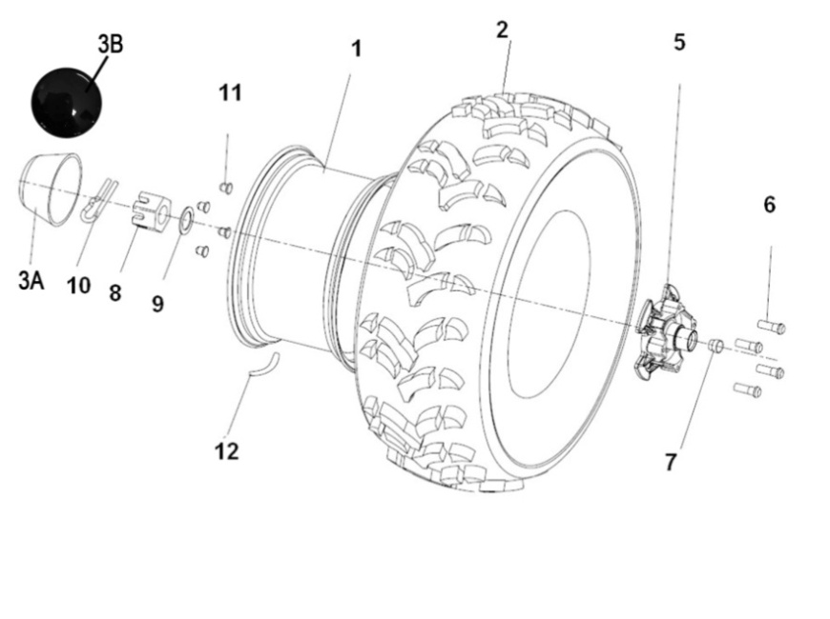
*
*
*
*
 |  |  |  | ←→Interchangeable；≠Noninterchangeable；←New for old →old for new
 | 8 WHEEL REAR |  |  | REF. No. | PART NO. | DESCRIPTION | Q'TY | PIN | I/C | 图号
 |  |  |  | 1A | 35510 | WHEEL SUB-ASSY，RR(ALUMINIUM)（FRANCE） | 2 |  |  | 4AV-25381-00
 |  |  |  | 1B | 35717 | WHEEL SUB-ASSY，RR(ALUMINIUM) | 2 |  |  | 4AM-25301-00
 |  |  |  | 1C | 36155 | WHEEL SUB-ASSY，RR(ALUMINIUM) | 2 |  |  | 4BB-25381-00
*
*
*
*
 |  |  |  | 1 | 27331 | WHEEL SUB-ASSY，RR(IRON)（FRANCE）（SIMPLE） | 2 |  |  | 4AC-25301-00
 |  |  |  | 2 | 35006 | TIRE，RR AT25X10-12 6PR（WANDA） | 2 |  |  | 4AC-25310-00
 |  |  |  | 2 | 35511 | TIRE，RR AT25X10-12 50J（WANDA）(E4-75R-0006367) | 2 |  |  | 4AA-25311-00
 |  |  |  | 2 | 27618 | TIRE，RR AT25X10-12 65F（WANDA）(E4-75R-0008831) | 2 |  |  | 4TC-25310-00
 |  |  |  | 3A | 70717 | CAP，WHEEL CENTER | 2 |  |  | LH520ATV.7.1-1
 |  |  |  | 3B | 36162 | CAP，WHEEL SUB-ASSY（OPTIONAL） (MATCH WITH "1C" WHEEL SUB-ASSY，RR) | 2 |  |  | 4BB-2512A-00
 |  |  |  | 5 | 70719 | HUB，RR WHEEL | 2 |  |  | LH520ATV.7.2-1
 |  |  |  | 6 | 70714 | BOLT M12X1.25 | 16 |  |  | LH520ATV.6.2-2
 |  |  |  | 7 | 70718 | SEAL | 4 |  |  | LH520ATV.7.2.1
 |  |  |  | 8 | 70721 | BOLT SLOTTED | 2 |  |  | LH520ATV.7-1
 |  |  |  | 9 | 70722 | WASHER | 2 |  |  | LH520ATV.7-2
 |  |  |  | 10 | 10945 | PIN 4X32 | 2 |  |  | GB/T91
 |  |  |  | 11 | 27411 | NUT，WHEEL | 8 |  |  | LH800U-D.6-3
 |  |  |  | 12 | 20807A | VALVE，RIM（TR412） | 4 |  |  | GB/T12836.1

*
*
*
*
*
*
*
*
*
*
*
*
*
*
*
*
*
*
*
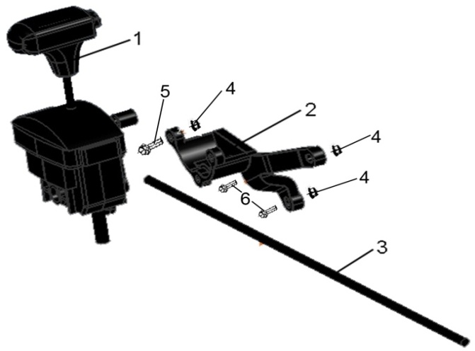
 |  |  |  | ←→Interchangeable；≠Noninterchangeable；←New for old →old for new
 | 9 SHIFT ROD |  |  | REF. No. | PART NO. | DESCRIPTION | Q'TY | PIN | I/C | 图号
 |  |  |  | 1 | 35008a | SHIFTER ASSY MOUNTING（NEW MODEL)（MATCH WITH NEW MODEL SHIFTER MOUNTING ROD) | 1 |  | ← | 4AV-18110-10
 |  |  |  | 2 | 35010 | SHIFTER MOUNTING BRACKET | 1 |  |  | 4AV-18117-00
 |  |  |  | 3 | 35720 | SHIFTER MOUNTING ROD（NEW MODEL) | 1 |  | ← | 4AV-18115-10
 |  |  |  | 4 | 10067 | NUT M8 | 3 |  |  | B57A30800R
 |  |  |  | 5 | 10403 | BOLT M8X50 | 1 |  |  | B11A30850R
 |  |  |  | 6 | 10078 | BOLT M8X30 | 2 |  |  | B11A30830R

*
*
*
*
*
*
 |  |  |  | ←→Interchangeable；≠Noninterchangeable；←New for old →old for new
 | 10. FRONT AND REAR GEAR-BOX |  |  | REF. No. | PART NO. | DESCRIPTION | Q'TY | PIN | I/C | 图号
 |  |  |  | 1 | 26319 | FRONT GEAR-BOX ASSY | 1 |  |  | 4CR-46150-00
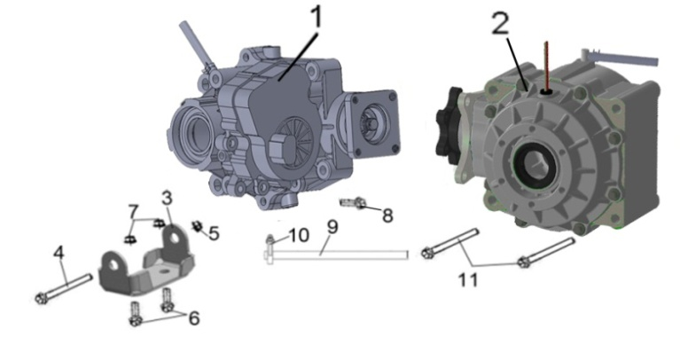
 |  |  |  | 2 | 35780 | REAR GEAR-BOX ASSY | 1 |  |  | 4BB-23800-00
 |  |  |  | 3 | 35500 | BRACKET, FRONT GEAR-BOX ASSY | 1 |  |  | 4AV-4610A-00
 |  |  |  | 4 | 10924 | BOLT M10X1.25X90 | 1 |  |  | B11A31090A
 |  |  |  | 5 | 10015 | NUT M10X1.25 | 1 |  |  | B52A31000A
 |  |  |  | 6 | 10168 | BOLT M8X1.25X16 | 2 |  |  | B11A30816A
 |  |  |  | 7 | 10079 | NUT M8X1.25 | 2 |  |  | B52A30800A
 |  |  |  | 8 | 10283 | BOLT M10X1.25X35 | 2 |  |  | B11A31035A
 |  |  |  | 9 | 35501 | PIPE φ5Xφ9X450 | 2 |  |  | 1BE-23801-00
 |  |  |  | 10 | 22924 | CLAMP 8 | 2 |  |  | 1BB-12588-00
 |  |  |  | 11 | 10925 | BOLT M10X1.25X110 | 2 |  |  | B11C310U0A

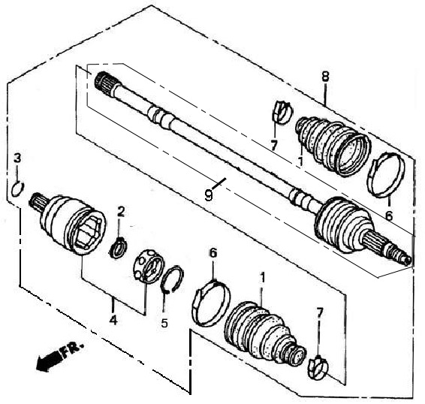
 |  |  |  | ←→Interchangeable；≠Noninterchangeable；←New for old →old for new
 | 11 FRONT LEFT DRIVE AXLE （FOR 4WD） |  |  | REF. No. | PART NO. | DESCRIPTION | Q'TY | PIN | I/C | 图号
 |  |  |  | 1 | 35038 | OUTER BOARD BOOT | 1 |  |  | 4AV-251B1-00
 |  |  |  | 2 | 35044 | CIRCLIP | 1 |  |  | 4AV-251B7-00
*
*
*
*
*
*
 |  |  |  | 3 | 35046 | ATOPPER RING 19.2 | 1 |  |  | 4AV-251B9-00
装配成一整体
 |  |  |  | 4 | 35041 | JOUNT,INBOARD(CONTAIN INBOARD AXLE STEEL BALL BRACKET STEEL BALL AND GEAR WHEEL) | 1 |  |  | 4AV-251B8-00
 |  |  |  |  | / |  | 1 |  |  | 4AV-251B6-00
 |  |  |  |  | / |  | 1 |  |  | 4AV-251B4-00
 |  |  |  |  | / |  | 6 |  |  | 4AV-251B5-00
 |  |  |  | 5 | 35039 | STOPPER RING | 1 |  |  | 4AV-251B2-00
 |  |  |  | 6 | 35040 | BOOT BAND B | 1 |  |  | 4AV-251B3-00
 |  |  |  | 7 | 35037 | BOOT BAND A | 1 |  |  | 4AV-251B0-00
 |  |  |  | 8 | 35030 | FRONT LEFT DRIVE AXLE | 1 |  |  | 4AV-25151-00
 |  |  |  | 9 | 35032 | DRIVE AXLE/OUTER CV JOINT ASSEMBLY | 1 |  |  | 4AV-251A9-00
 |  |  |  |  | / |  | 1 |  |  | 4AV-251A6-00
 |  |  |  |  | / |  | 6 |  |  | 4AV-251A4-00
 |  |  |  |  | / |  | 1 |  |  | 4AV-251A1-00
 |  |  |  |  | / |  | 1 |  |  | 4AV-251A1-00
 |  |  |  |  | / |  | 1 |  |  | 4AV-251A5-00

 |  |  |  | ←→Interchangeable；≠Noninterchangeable；←New for old →old for new

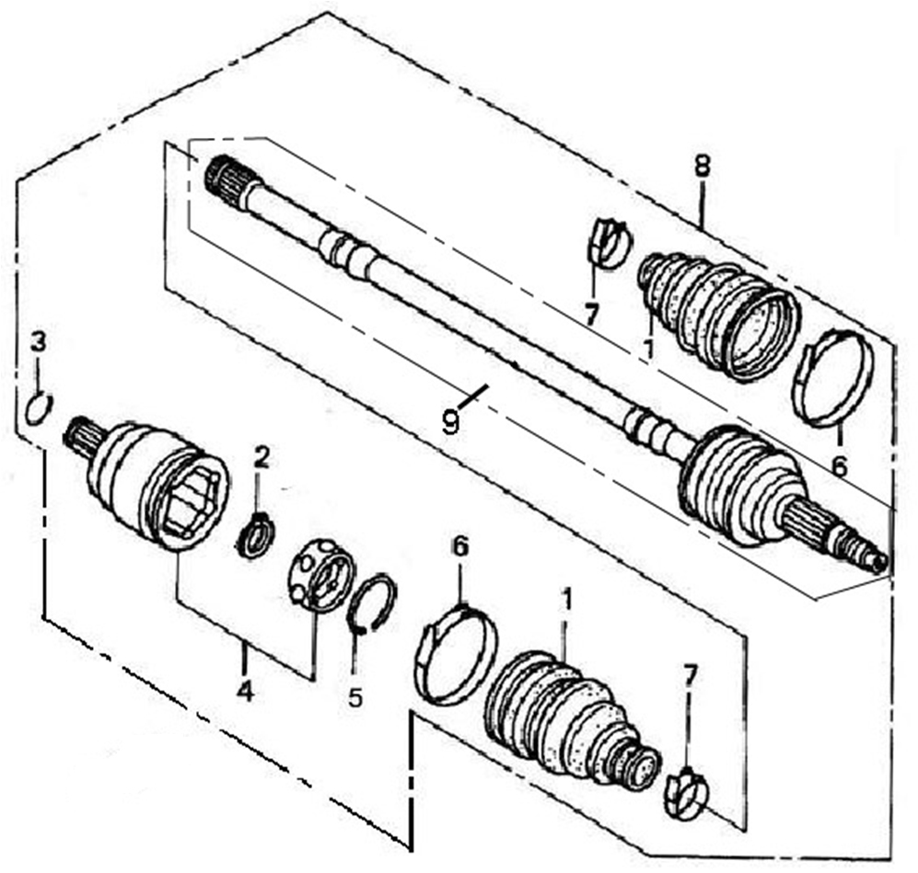
 | 12 FRONT RIGHT DRIVE AXLE （FOR 4WD） |  |  | REF. No. | PART NO. | DESCRIPTION | Q'TY | PIN | I/C | 图号
 |  |  |  | 1 | 35038 | OUTER BOARD BOOT | 1 |  |  | 4AV-251B1-00
 |  |  |  | 2 | 35044 | CIRCLIP | 1 |  |  | 4AV-251B7-00
*
*
*
*
*
*
 |  |  |  | 3 | 35046 | ATOPPER RING 19.2 | 1 |  |  | 4AV-251B9-00
装配成一整体
 |  |  |  | 4 | 35041 | JOUNT,INBOARD(CONTAIN INBOARD AXLE STEEL BALL BRACKET STEEL BALL AND GEAR WHEEL) | 1 |  |  | 4AV-251B8-00
 |  |  |  |  | / |  | 1 |  |  | 4AV-251B6-00
 |  |  |  |  | / |  | 1 |  |  | 4AV-251B4-00
 |  |  |  |  | / |  | 6 |  |  | 4AV-251B5-00
 |  |  |  | 5 | 35039 | STOPPER RING | 1 |  |  | 4AV-251B2-00
 |  |  |  | 6 | 35040 | BOOT BAND B | 1 |  |  | 4AV-251B3-00
 |  |  |  | 7 | 35037 | BOOT BAND A | 1 |  |  | 4AV-251B0-00
 |  |  |  | 8 | 35031 | FRONT RIGHT DRIVE AXLE | 1 |  |  | 4AV-25152-00
 |  |  |  | 9 | 35033 | DRIVE AXLE/OUTER CV JOINT ASSEMBLY | 1 |  |  | 4AV-251C9-00
 |  |  |  |  | / |  | 1 |  |  | 4AV-251A6-00
 |  |  |  |  | / |  | 6 |  |  | 4AV-251A4-00
 |  |  |  |  | / |  | 1 |  |  | 4AV-251A1-00
 |  |  |  |  | / |  | 1 |  |  | 4AV-251A1-00
 |  |  |  |  | / |  | 1 |  |  | 4AV-251A5-00

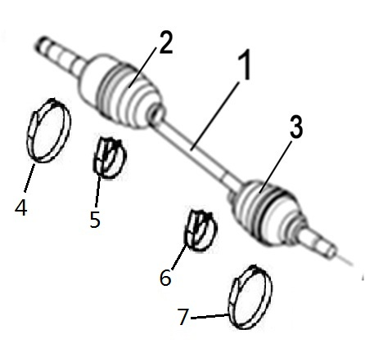
 |  |  |  | ←→Interchangeable；≠Noninterchangeable；←New for old →old for new
 | 13 REAR LEFT DRIVE AXLE(XL) |  |  | REF. No. | PART NO. | DESCRIPTION | Q'TY | PIN | I/C | 图号
 |  |  |  | 1 | 35814 | REAR LEFT DRIVE AXLE（MARK "XL 4AV rear left"， MATCH WITH NEW MODEL REAL AXL ) | 1 |  |  | 4AV-25351-20
 |  |  |  | 2 | 36164 | INTER BOARD BOOT | 1 |  |  | 4AV-253F1-00
 |  |  |  | 3 | 36165 | OUTER BOARD BOOT | 1 |  |  | 4AV-253B1-00
 |  |  |  | 4 | 36166 | INTER BOOT BAND B | 1 |  |  | 4AV-253F2-00
 |  |  |  | 5 | 36167 | INTER BOOT BAND A | 1 |  |  | 4AV-253B0-00
 |  |  |  | 6 | 36168 | OUTER BOOT BAND B | 1 |  |  | 4AV-253F3-00
 |  |  |  | 7 | 36169 | OUTER BOOT BAND A | 1 |  |  | 4AV-253F4-00

 |  |  |  | ←→Interchangeable；≠Noninterchangeable；←New for old →old for new
 | 14 REAR RIGHT DRIVE AXLE（XL） |  |  | REF. No. | PART NO. | DESCRIPTION | Q'TY | PIN | I/C | 图号
 |  |  |  | 1 | 35818 | REAR RIGHT DRIVE AXLE（MARK "XL 4AV rear right"，MATCH WITH NEW MODEL REAL AXL ) | 1 |  |  | 4AV-25352-20
 |  |  |  | 2 | 36164 | INTER BOARD BOOT | 1 |  |  | 4AV-253F1-00
 |  |  |  | 3 | 36165 | OUTER BOARD BOOT | 1 |  |  | 4AV-253B1-00
 |  |  |  | 4 | 36166 | INTER BOOT BAND B | 1 |  |  | 4AV-253F2-00
 |  |  |  | 5 | 36167 | INTER BOOT BAND A | 1 |  |  | 4AV-253B0-00
 |  |  |  | 6 | 36168 | OUTER BOOT BAND B | 1 |  |  | 4AV-253F3-00
 |  |  |  | 7 | 36169 | OUTER BOOT BAND A | 1 |  |  | 4AV-253F4-00

NOTE：
THERE ARE TWO FACTORY CODE ON THE REVERSE SIDE OF THE HANDLE LEVER，WHEN YOU ORDER ANY PART OF THE BREAK SYSTEM，PLEASE MARK THE FACTORY CODE（ZJ OR SD） 。
NOTE：
THERE ARE TWO FACTORY CODE ON THE REVERSE SIDE OF THE HANDLE LEVER，WHEN YOU ORDER ANY PART OF THE BREAK SYSTEM，PLEASE MARK THE FACTORY CODE（ZJ OR SD） 。
NOTE：
THERE ARE TWO FACTORY CODE ON THE REVERSE SIDE OF THE HANDLE LEVER，WHEN YOU ORDER ANY PART OF THE BREAK SYSTEM，PLEASE MARK THE FACTORY CODE（ZJ OR SD） 。
NOTE：
THERE ARE TWO FACTORY CODE ON THE REVERSE SIDE OF THE HANDLE LEVER，WHEN YOU ORDER ANY PART OF THE BREAK SYSTEM，PLEASE MARK THE FACTORY CODE（ZJ OR SD） 。
NOTE：
THERE ARE TWO FACTORY CODE ON THE REVERSE SIDE OF THE HANDLE LEVER，WHEN YOU ORDER ANY PART OF THE BREAK SYSTEM，PLEASE MARK THE FACTORY CODE（ZJ OR SD） 。
NOTE：
THERE ARE TWO FACTORY CODE ON THE REVERSE SIDE OF THE HANDLE LEVER，WHEN YOU ORDER ANY PART OF THE BREAK SYSTEM，PLEASE MARK THE FACTORY CODE（ZJ OR SD） 。
NOTE：
THERE ARE TWO FACTORY CODE ON THE REVERSE SIDE OF THE HANDLE LEVER，WHEN YOU ORDER ANY PART OF THE BREAK SYSTEM，PLEASE MARK THE FACTORY CODE（ZJ OR SD） 。
NOTE：
THERE ARE TWO FACTORY CODE ON THE REVERSE SIDE OF THE HANDLE LEVER，WHEN YOU ORDER ANY PART OF THE BREAK SYSTEM，PLEASE MARK THE FACTORY CODE（ZJ OR SD） 。
NOTE：
THERE ARE TWO FACTORY CODE ON THE REVERSE SIDE OF THE HANDLE LEVER，WHEN YOU ORDER ANY PART OF THE BREAK SYSTEM，PLEASE MARK THE FACTORY CODE（ZJ OR SD） 。

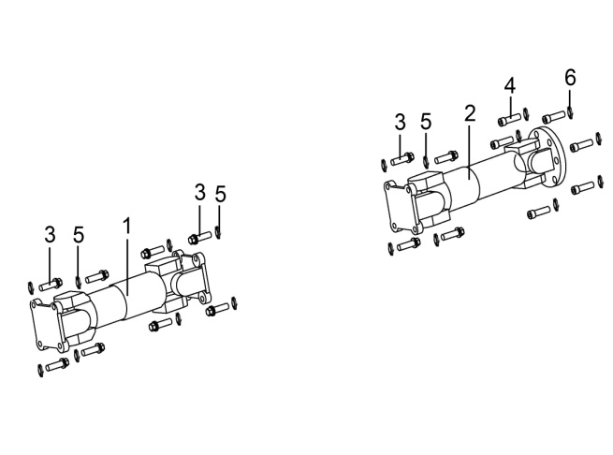
 |  |  |  | ←→Interchangeable；≠Noninterchangeable；←New for old →old for new
 | 15.FRONT AND REAR KNUCKLE ASSY |  |  | REF. No. | PART NO. | DESCRIPTION | Q'TY | PIN | I/C | 图号
 |  |  |  | 1 | 35081 | FRONT KNUCKLE | 1 |  |  | 4AV-4611A-00
 |  |  |  | 1 | 36150 | FRONT KNUCKLE（MARK "XL"） | 1 |  | ← | 4AV-4611A-10
 |  |  |  | 2 | 35082 | REAR KNUCKLE | 1 |  |  | 4AV-4611B-00
 |  |  |  | 2 | 36151 | REAR KNUCKLE（MARK "XL"） | 1 |  | ← | 4AV-4611B-10
 |  |  |  | 3 | 10926 | BOLT M8X1.0X25 | 12 |  |  | B11C30825C
 |  |  |  | 4 | 10927 | BOLT M10X1.25X32 | 6 |  |  | B22C31032A
 |  |  |  | 5 | 10106 | SPRING WASHER 8 | 12 |  |  | B653308000
 |  |  |  | 6 | 10027 | SPRING WASHER 10 | 6 |  |  | B653310050

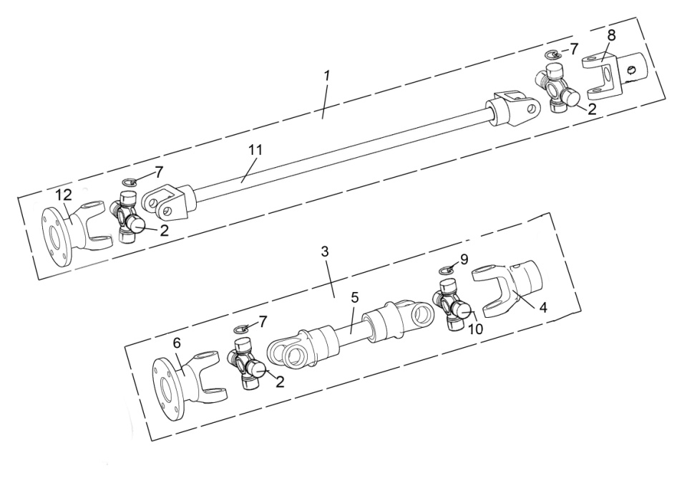
15.。1 FRONT AND REAR KNUCKLE ASSY（4AV-4611A-00、4AV-4611B-00） |  |  |  | REF. No. | PART NO. | DESCRIPTION | Q'TY | PIN | I/C | 图号
 |  |  |  | 1 | 35081 | FRONT KNUCKLE | 1 |  |  | 4AV-4611A-00
 |  |  |  | 2 | 36182 | SPIDER KITS φ25 (INCLUDE SPIDER BODY,SPIDER BEARING,GREASE NIPPLE) | 3 |  |  | 4BB-46101-00
 |  |  |  | 3 | 35082 | REAR KNUCKLE | 1 |  |  | 4AV-4611B-00
 |  |  |  | 4 | 36184 | SLIDING FORK 2（Connected to the rear axle） | 1 |  |  | 4BB-46112-00
 |  |  |  | 5 | 36185 | REAR FORK WELDMENTS | 1 |  |  | 4BB-46110-00
 |  |  |  | 6 | 36186 | SLIDING FORK 1（connected to the engine） | 1 |  |  | 4BB-46109-00
 |  |  |  | 7 | 36195 | CIRCLIP φ25 | 3 |  |  | GB/T893.1
 |  |  |  | 8 | 36183 | SLIDING FORK 3（connected to the engine） | 1 |  |  | 4BB-46108-00
 |  |  |  | 9 | 36194 | CIRCLIP φ22 | 1 |  |  | GB/T893.1
 |  |  |  | 10 | 36182 | SPIDER KITS φ22 (INCLUDE SPIDER BODY,SPIDER BEARING,GREASE NIPPLE) | 1 |  |  | 4BB-46101-00
 |  |  |  | 11 | 36187 | REAR FORK WELDMENTS 2 | 1 |  |  | 4BB-46106-00
 |  |  |  | 12 | 36188 | SLIDING FORK 4（Connected to the front axle） | 1 |  |  | 4BB-46107-00

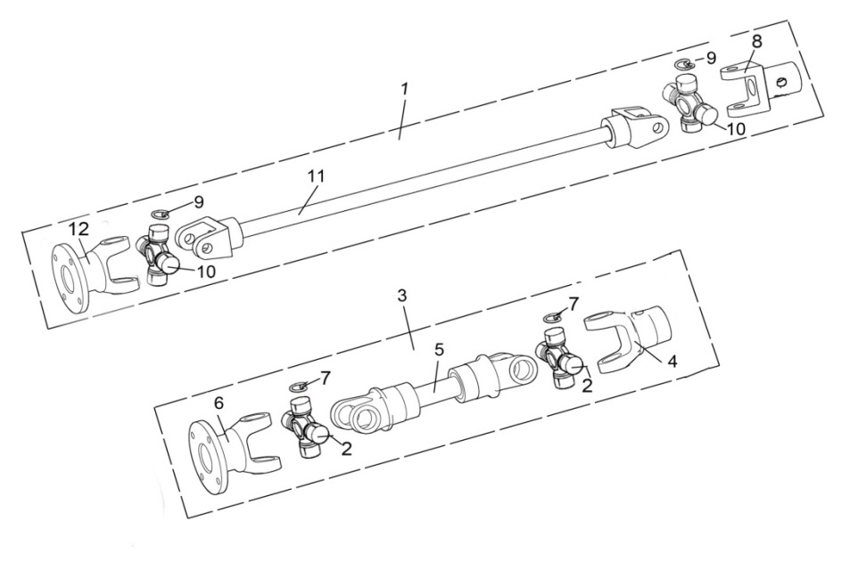
15.。1 FRONT AND REAR KNUCKLE ASSY（4AV-4611A-10、4AV-4611B-10）
 |  |  |  | REF. No. | PART NO. | DESCRIPTION | Q'TY | PIN | I/C | 图号
 |  |  |  | 1 | 36150 | FRONT KNUCKLE（MARK "XL"） | 1 |  | ← | 4AV-4611A-10
 |  |  |  | 2 | 36182a | SPIDER KITS φ22 (INCLUDE SPIDER BODY,SPIDER BEARING,GREASE NIPPLE) | 2 |  |  | 4BB-46101-10
 |  |  |  | 3 | 36151 | REAR KNUCKLE（MARK "XL"） | 1 |  | ← | 4AV-4611B-10
 |  |  |  | 4 | 36189 | SLIDING FORK 2（Connected to the rear axle） | 1 |  |  | 4BB-46112-10
 |  |  |  | 5 | 36190 | REAR FORK WELDMENTS | 1 |  |  | 4BB-46110-10
 |  |  |  | 6 | 36191 | SLIDING FORK 1（connected to the engine） | 1 |  |  | 4BB-46109-10
 |  |  |  | 7 | 36194 | CIRCLIP φ22 | 2 |  |  | GB/T893.1
 |  |  |  | 8 | 36183 | SLIDING FORK 3（connected to the engine） | 1 |  |  | 4BB-46108-00
 |  |  |  | 9 | 36194 | CIRCLIP φ22 | 2 |  |  | GB/T893.1
 |  |  |  | 10 | 36182a | SPIDER KITS φ22 (INCLUDE SPIDER BODY,SPIDER BEARING,GREASE NIPPLE) | 2 |  |  | 4BB-46101-10
 |  |  |  | 11 | 36192 | REAR FORK WELDMENTS 2 | 1 |  |  | 4BB-46106-10
 |  |  |  | 12 | 36193 | SLIDING FORK 4（Connected to the front axle） | 1 |  |  | 4BB-46107-10

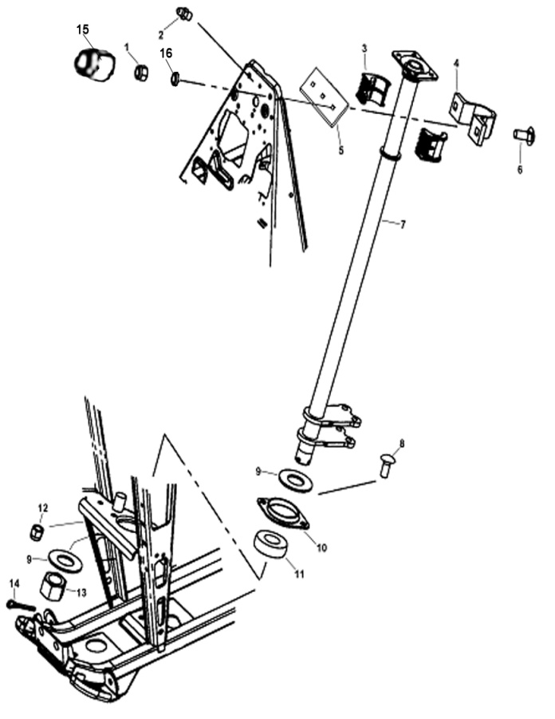
 |  |  |  | ←→Interchangeable；≠Noninterchangeable；←New for old →old for new
 | 16 STEERING COLUMN |  |  | REF. No. | PART NO. | DESCRIPTION | Q'TY | PIN | I/C | 图号
 |  |  |  | 1 | 10079 | NUT M8 | 2 |  |  | GB/T6187-M8
 |  |  |  | 2 | 10026 | GREASE FITTING | 1 |  |  | LH260ATV.1.7.3
 |  |  |  | 3 | 21903 | BUSHING | 2 |  |  | LH260ATV.1.7-2
 |  |  |  | 4 | 21904 | STEERING CLAMP REAR | 1 |  |  | LH260ATV.1.7-1
 |  |  |  | 5 | 21905 | STEERING CLAMP FRONT | 1 |  |  | LH260ATV.1.7-6
 |  |  |  | 6 | 21906 | BOLT | 2 |  |  | LH260ATV.1.7-3
 |  |  |  | 7 | 35020 | STEERING COLUMN | 1 |  |  | 4AV-23310-00
 |  |  |  | 8 | 21906 | BOLT | 2 |  |  | LH260ATV.1.7-3
 |  |  |  | 9 | 21909 | WASHER | 2 |  |  | LH260ATV.1.7-5
 |  |  |  | 10 | 21910 | BEARING RETAINER | 1 |  |  | LH260ATV.1.7-4
 |  |  |  | 11 | 21911 | BEARING | 1 |  |  | LH260ATV.1.20
 |  |  |  | 12 | 10079 | NUT M8 | 2 |  |  | GB/T6187-M8
 |  |  |  | 13 | 10100 | STEERING COLUMN RETAINER NUT | 1 |  |  | GB/T9459-M24X2
 |  |  |  | 14 | 10101 | COTTER PIN | 1 |  |  | GB/T91-5X40
 |  |  |  | 15 | 27256 | PROTECT COVER | 2 |  |  | LH260ATV.1.7-7
 |  |  |  | 16 | 10106 | SPRING WASHER | 2 |  |  | GB/T93

 |  |  |  | ←→Interchangeable；≠Noninterchangeable；←New for old →old for new
17 ELECTRICAL SYSTEM |  |  |  | REF. No. | PART NO. | DESCRIPTION | Q'TY | PIN | I/C | 图号
 |  |  |  | 1 | 36122a | WIRING HARNESS(FOR EUROPE 4) | 1 |  |  | 4BB-82590-07
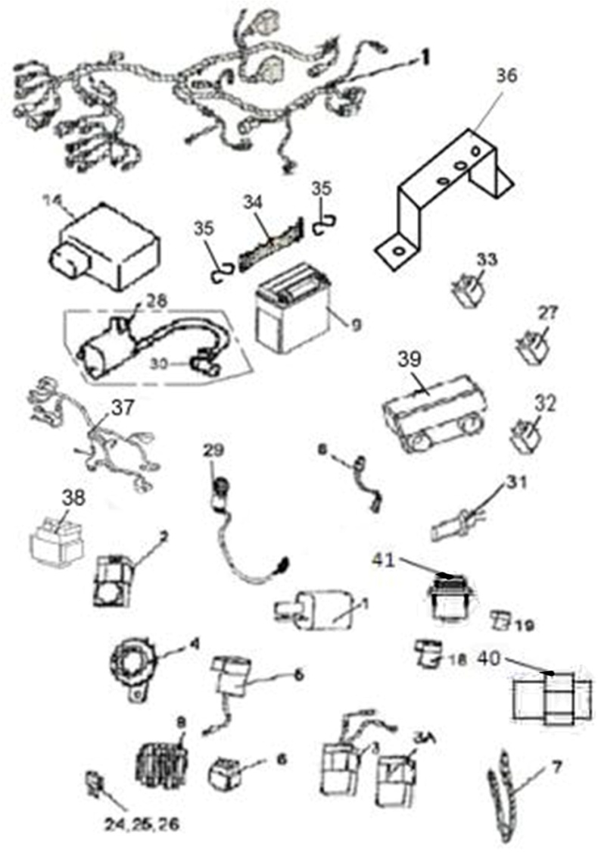
 |  |  |  |  | 36121a | WIRING HARNESS(FOR EUROPE 4& EPS) | 1 |  |  | 4BB-82590-06
 |  |  |  | 2 | 35088 | REVERSE GEAR WARNING | 1 |  |  | 4AV-83351-00
 |  |  |  | 3 | 22002a | REVERSE SPEED LIMITER （ FOR 50TH MODEL） | 1 |  |  | LH260ATV.19.8(A)
NOTE：
THERE ARE TWO FACTORY CODE ON THE REVERSE SIDE OF THE HANDLE LEVER，WHEN YOU ORDER ANY PART OF THE BREAK SYSTEM，PLEASE MARK THE FACTORY CODE（ZJ OR SD） 。
NOTE：
THERE ARE TWO FACTORY CODE ON THE REVERSE SIDE OF THE HANDLE LEVER，WHEN YOU ORDER ANY PART OF THE BREAK SYSTEM，PLEASE MARK THE FACTORY CODE（ZJ OR SD） 。
NOTE：
THERE ARE TWO FACTORY CODE ON THE REVERSE SIDE OF THE HANDLE LEVER，WHEN YOU ORDER ANY PART OF THE BREAK SYSTEM，PLEASE MARK THE FACTORY CODE（ZJ OR SD） 。
NOTE：
THERE ARE TWO FACTORY CODE ON THE REVERSE SIDE OF THE HANDLE LEVER，WHEN YOU ORDER ANY PART OF THE BREAK SYSTEM，PLEASE MARK THE FACTORY CODE（ZJ OR SD） 。
NOTE：
THERE ARE TWO FACTORY CODE ON THE REVERSE SIDE OF THE HANDLE LEVER，WHEN YOU ORDER ANY PART OF THE BREAK SYSTEM，PLEASE MARK THE FACTORY CODE（ZJ OR SD） 。
NOTE：
THERE ARE TWO FACTORY CODE ON THE REVERSE SIDE OF THE HANDLE LEVER，WHEN YOU ORDER ANY PART OF THE BREAK SYSTEM，PLEASE MARK THE FACTORY CODE（ZJ OR SD） 。
NOTE：
THERE ARE TWO FACTORY CODE ON THE REVERSE SIDE OF THE HANDLE LEVER，WHEN YOU ORDER ANY PART OF THE BREAK SYSTEM，PLEASE MARK THE FACTORY CODE（ZJ OR SD） 。
NOTE：
THERE ARE TWO FACTORY CODE ON THE REVERSE SIDE OF THE HANDLE LEVER，WHEN YOU ORDER ANY PART OF THE BREAK SYSTEM，PLEASE MARK THE FACTORY CODE（ZJ OR SD） 。
NOTE：
THERE ARE TWO FACTORY CODE ON THE REVERSE SIDE OF THE HANDLE LEVER，WHEN YOU ORDER ANY PART OF THE BREAK SYSTEM，PLEASE MARK THE FACTORY CODE（ZJ OR SD） 。
 |  |  |  | 4 | 70404 | HORN | 1 |  |  | 4AB-83300-00
 |  |  |  | 5 | 73326 | FLASHER RELAY ASSY | 1 |  |  | 4CF-83350-00
 |  |  |  | 6 | 71602 | STARTER RELAY | 1 |  |  | 4AA-81940-00
 |  |  |  | 7 | 25530 | TIE | 20 |  |  | ZD150X3.5
 |  |  |  | 8 | 71603 | REGULATOR RECTIIFIER | 1 |  |  | 4AA-81960-00
 |  |  |  | 9 | 70407a | BATTERY | 1 |  |  | 4AP-82100-00
 |  |  |  | 13 | 32021 | CAPACITOR | 1 |  |  | LH260ATV.19.17
 |  |  |  | 14 | 35783 | ECU | 1 |  |  | 1BK-85901-20
 |  |  |  | 18 | 25517 | RUBBER SHEATH 1 |  |  |  | LH260ATV.19.16-1
 |  |  |  | 19 | 25519 | RUBBER SHEATH 2 |  |  |  | LH260ATV.19.16-2
 |  |  |  | 24 | 22019 | 7.5 AMP FUSE | 1 |  |  | 4AX-82510-01
 |  |  |  | 25 | 22020 | 15 AMP FUSE | 2 |  |  | 4AX-82510-02
 |  |  |  | 26 | 22021 | 3 AMP FUSE | 1 |  |  | 4AX-82510-00
 |  |  |  | 27 | 32021 | CAPCITOR | 1 |  |  | LH260ATV.19.17
 |  |  |  | 28 | 70822D | IGNITON COIL AND WIRE | 1 |  |  | 1BD-82301-00
 |  |  |  |  | 36120 |  |  |  |  | 4BB-82101-00
 |  |  |  | 29 | 71973 | ACCESSORY SOCKET ASSY | 1 |  |  | 4AA-82510-00
 |  |  |  | 30 | 22024 | CAP，IGNITON COIL | 1 |  |  | 170M.6.2.1
 |  |  |  | 31 | 70405f | BRAKE SWITCH（USED FOR WATERPROOF PLUG IN UNIT) | 1 |  |  | LH520ATV.23.14f
 |  |  |  | 32 | 35083 | AUXILIARY RELAY | 4 |  |  | 4AV-81900-00
 |  |  |  | 33 | 50280 | START RELAY （CONTROL FAN） | 1 |  |  | 3AG-81900-00
 |  |  |  | 33 | 50280 | START RELAY (OLD)（CONTROL HIGH BEAM AND DIPPED BEAM） | 2 |  |  | 3AG-81900-00
 |  |  |  | 33 | 35656 | START RELAY （NEW）（CONTROL HIGH BEAM AND DIPPED BEAM） | 3 |  | ←→ | 4AA-81940-01
 |  |  |  | 34 | 36057 | Battery clamp | 1 |  |  | 4BB-21995-00
 |  |  |  | 35 | 10079 | NUT 8 | 2 |  |  | GB/T6187-M8
 |  |  |  | 36 | 36056 | Battery fastening pull rod | 2 |  |  | 4BB-21994-00
 |  |  |  | 37 | 36123 | EFI WIRE | 1 |  |  | 4BB-82590-10
 |  |  |  | 38 | 71474 | EFI RELAY | 1 |  |  | 4AB-81980-00
 |  |  |  | 39 | 70968 | ELECTRICAL DUMPAGE SWITCH | 1 |  |  | 4AB-82160-00
 |  |  |  | 40 | 36838 | REAR DIFFERENTIAL CONTROLLER | 1 |  |  | 4BF-82670-00
 |  |  |  | 41 | 35819 | REAR DIFFERENTIAL SWITCH | 1 |  |  | 4BB-82527-01

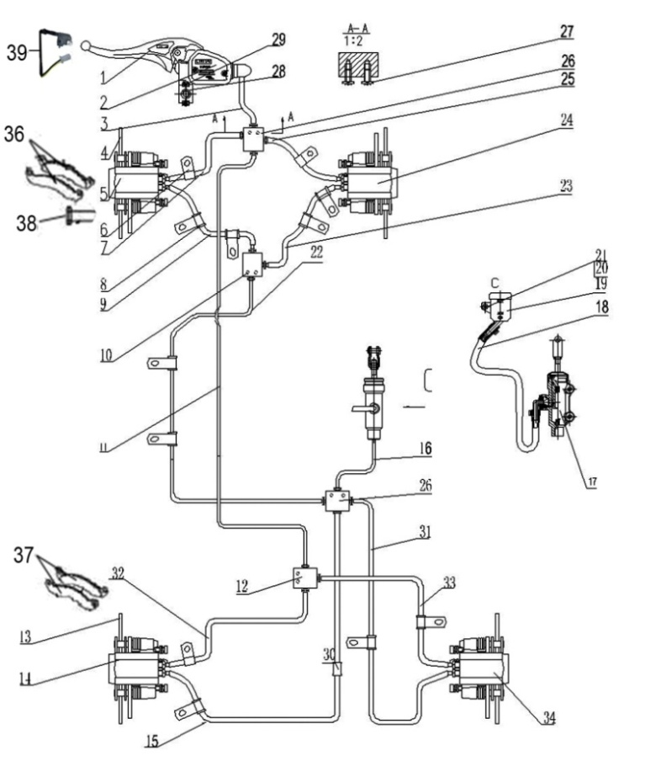
 |  |  |  | ←→Interchangeable；≠Noninterchangeable；←New for old →old for new
 |  | 18 BRAKING SYSTEM （FOR EUROPE） |  | REF. No. | PART NO. | DESCRIPTION | Q'TY | PIN | I/C | 图号
 |  |  |  | 1 | 2211120 | BRAKE LEVER | 1 |  |  | LH260ATV.5.1-3

 |  |  |  | 2 | 27320 | MASTER CYLINDER WITH BRAKE LEVER | 1 |  |  | LH400ATV-2.24.8
 |  |  |  | 2
 |  |  |  | 3 | 22102 | HAND BRAKE HOSE | 1 |  |  | LH260ATV.5.1.3
 |  |  |  | 4 | 27321 | FRONT BRAKE DISC | 2 |  |  | LH400ATV-2.24-1
 |  |  |  | 5 | 27409 | BRAKE CALIPER LEFT,FRONT | 1 |  |  | LH400ATV-2B.5.1b.1
 |  |  |  | 6 | 32104 | CLAMP | 2 |  |  | LH260ATV.5.1a-1
 |  |  |  | 7 | 22229 | FRONT BRAKE HOSE 2 | 1 |  |  | LH260ATV.5.1.12
 |  |  |  | 8 | 32105 | RUBBER TUBE1 | 3 |  |  | LH260ATV.5.1a.-2
 |  |  |  | 9 | 27313 | FRONT BRAKE HOSE 1 | 1 |  |  | LH400ATV-2.24.1
 |  |  |  | 10 | 32107 | BRAKE LINE COUPLER | 1 |  |  | LH260ATV.5.1a-4
 |  |  |  | 11 | 35785 | TUBE DISKBRAKE REAR | 1 |  |  | 4BB-25811-10
 |  |  |  | 12 | 32107 | BRAKE LINE COUPLER | 1 |  |  | LH260ATV.5.1a-4
 |  |  |  | 13 | 70537 | REAR BRAKE DISC | 2 |  |  | LH520ATV.24-7
 |  |  |  | 14 | 70520 | BRAKE CALIPER LEFT,REAR | 1 |  |  | LH520ATV.24.6
 |  |  |  | 15 | 35070 | REAR BRAKE HOSE 2 | 1 |  |  | 4AV-258B5-00
 |  |  |  | 16 | 27377 | REAR BRAKE HOSE 3 | 1 |  |  | LH400ATV-2B.24.1
 |  |  |  | 17 | 35786 | FOOT BREAKE CYLINDER | 1 |  |  | 4BB-25805-10
 |  |  |  | 18 | 27379 | RESERVOIR HOSE | 1 |  |  | LH400ATV-2B.24.3
 |  |  |  | 19 | 35787 | RESERVOIR | 1 |  |  | 4BB-25814-00
 |  |  |  | 20 | 10109 | NUT M5 | 1 |  |  | GB/T6187
 |  |  |  | 21 | 10108 | BOLT M5X12 | 1 |  |  | GB/T16674.1
 |  |  |  | 22 | 35071 | TUBE DISKBRAKE,FOOT BRAKE | 1 |  |  | 4AV-25821-00
 |  |  |  | 23 | 32233 | FRONT BRAKE HOSE2 | 1 |  |  | LH260ATV.5.1a.12
 |  |  |  | 24 | 27410 | BRAKE CALIPER RIGHT | 1 |  |  | LH400ATV-2B.5.1b.2
 |  |  |  | 25 | 70483 | FRONT BRAKE HOSE3 | 1 |  |  | LH520ATV.24.20
 |  |  |  | 26 | 70548 | FOUR LINE COUPLER | 2 |  |  | LH520ATV.24-3
 |  |  |  | 27 | 10111 | BOLT M5X15 | 4 |  |  | GB/T818
 |  |  |  | 28 | 27283 | BOLT M6X22 | 2 |  |  | LH260ATV-B.24.1-20
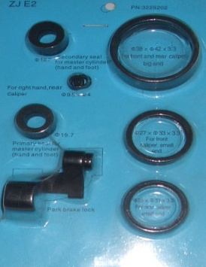
 |  |  |  | 28 | 36171 | BOLT M6X22（PASSIVATION） | 2 |  | ←→ | 4BB-25808-00
 |  |  |  | 29 | 27277 | CAP | 1 |  |  | LH260ATV.5.1.2-1A
 |  |  |  | 29 | 36172 | CAP（PASSIVATION） | 1 |  | ←→ | 4BB-25807-00
 |  |  |  | 30 | 35534 | RUBBER SHEATH | 5 |  |  | 4AV-25815-00
 |  |  |  | 31 | 35788 | REAR BRAKE HOSE 4 | 1 |  |  | 4BB-25830-00
 |  |  |  | 32 | 35789 | REAR BRAKE HOSE 5 | 1 |  |  | 4BB-25831-00
*
*
*
*
*
*
 |  |  |  | 33 | 35790 | REAR BRAKE HOSE 6 | 1 |  |  | 4BB-25832-00
 |  |  |  | 34 | 35791 | BRAKE CALIPER RIGHT,REAR | 1 |  |  | 4BB-25816-00
35
 |  |  |  | 35 | 35711 | SERVICE KIT | 1 |  |  | 4AV-0GB02-00
 |  |  |  | 36 | 22245 | INSIDE AND OUTSIDE PAD ,FRONT | 4 |  |  | T000402
 |  |  |  | 37 | 22245 | INSIDE AND OUTSIDE PAD,REAR | 2 |  |  | T000402
 |  |  |  | 38 | 27212 | BOLT M8X20 | 12 |  |  | GB/T5782-M8X20
 |  |  |  | 39 | 22243 | STORP SWITCH FRONT | 1 |  |  | LH260ATV.5.1.14

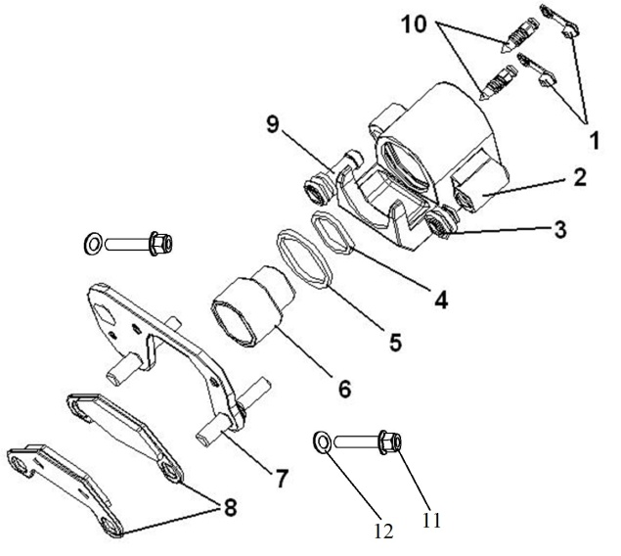
18.1 |  |  |  | ←→Interchangeable；≠Noninterchangeable；←New for old →old for new
BRAKE CALIPER,R.FR 0F EUROPE BRAKING SYSTEM |  |  |  | REF. No. | PART NO. | DESCRIPTION | Q'TY | PIN | I/C | 图号
 |  |  |  | 1 | 35538 | DUSTPROOF COVER OF BLOWHOLE | 2 |  |  | 4AV-25860-00
 |  |  |  | 2 | 35539 | CALIPER BODY,R,FR | 1 |  |  | 4AV-25861-00
 |  |  |  | 3 | 35540 | DUSTPROOF COVER OF THE BELOW AXLE | 1 |  |  | 4AV-25863-00
 |  |  |  | 4 | 35541 | BIG SEALING RING 27 | 1 |  |  | 4AV-25864-00
 |  |  |  | 5 | 35542 | BIG SEALING RING 38 | 1 |  |  | 4AV-25865-00
 |  |  |  | 6 | 35543 | CALIPER PISTON | 1 |  |  | 4AV-25866-00
 |  |  |  | 7 | 35544 | BRACKET | 1 |  |  | 4AV-25867-00
 |  |  |  | 8 | 22245 | INSIDE AND OUTSIDE PAD | 2 |  |  | T000402
 |  |  |  | 9 | 35545 | DUSTPROOF COVER OF THE ABOVEAXLE | 1 |  |  | 4AV-25870-00
 |  |  |  | 10 | 35546 | BLOWHOLE | 2 |  |  | 4AV-25871-00
 |  |  |  | 11 | 35547 | BOLT M5X12-L | 2 |  |  | 4AV-25872-00
 |  |  |  | 12 | 35548 | WASHER 12 | 2 |  |  | 4AV-25873-00

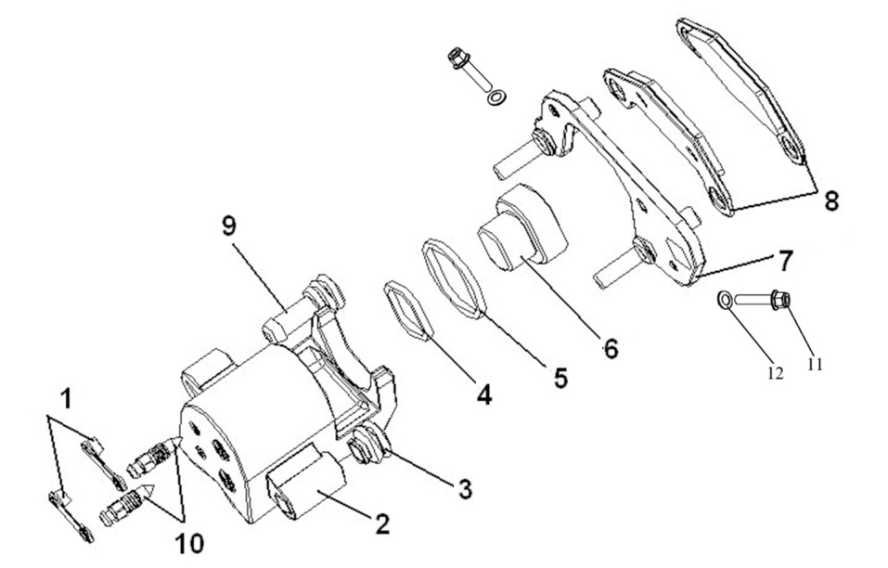
 |  |  |  | ←→Interchangeable；≠Noninterchangeable；←New for old →old for new
BRAKE CALIPER,L.FR 0F EUROPE BRAKING SYSTEM |  |  |  | REF. No. | PART NO. | DESCRIPTION | Q'TY | PIN | I/C | 图号
 |  |  |  | 1 | 35538 | DUSTPROOF COVER OF BLOWHOLE | 2 |  |  | 4AV-25860-00
 |  |  |  | 2 | 35549 | CALIPER BODY,L,FR | 1 |  |  | 4AV-25862-00
 |  |  |  | 3 | 35540 | DUSTPROOF COVER OF THE BELOW AXLE | 1 |  |  | 4AV-25863-00
 |  |  |  | 4 | 35541 | BIG SEALING RING 27 | 1 |  |  | 4AV-25864-00
 |  |  |  | 5 | 35542 | BIG SEALING RING 38 | 1 |  |  | 4AV-25865-00
 |  |  |  | 6 | 35543 | CALIPER PISTON | 1 |  |  | 4AV-25866-00
 |  |  |  | 7 | 35544 | BRACKET | 1 |  |  | 4AV-25867-00
 |  |  |  | 8 | 22245 | INSIDE AND OUTSIDE PAD | 2 |  |  | T000402
 |  |  |  | 9 | 35545 | DUSTPROOF COVER OF THE ABOVEAXLE | 1 |  |  | 4AV-25870-00
 |  |  |  | 10 | 35546 | BLOWHOLE | 2 |  |  | 4AV-25871-00
 |  |  |  | 11 | 35547 | BOLT M5X12-L | 2 |  |  | 4AV-25872-00
 |  |  |  | 12 | 35548 | WASHER 12 | 2 |  |  | 4AV-25873-00

 |  |  |  | ←→Interchangeable；≠Noninterchangeable；←New for old →old for new
BRAKE CALIPER,L.RR 0F EUROPE BRAKING SYSTEM |  |  |  | REF. No. | PART NO. | DESCRIPTION | Q'TY | PIN | I/C | 图号
 |  |  |  | 1 | 35538 | DUSTPROOF COVER OF BLOWHOLE | 2 |  |  | 4AV-25860-00
 |  |  |  | 2 | 35549 | CALIPER BODY,R,FR | 1 |  |  | 4AV-25862-00
 |  |  |  | 3 | 35540 | DUSTPROOF COVER OF THE BELOW AXLE | 1 |  |  | 4AV-25863-00
 |  |  |  | 4 | 35541 | BIG SEALING RING 27 | 1 |  |  | 4AV-25864-00
 |  |  |  | 5 | 35542 | BIG SEALING RING 38 | 1 |  |  | 4AV-25865-00
 |  |  |  | 6 | 35543 | CALIPER PISTON | 1 |  |  | 4AV-25866-00
 |  |  |  | 7 | 35550 | BRACKET | 1 |  |  | 4AV-25868-00
 |  |  |  | 8 | 22245 | INSIDE AND OUTSIDE PAD | 2 |  |  | T000402
 |  |  |  | 9 | 35545 | DUSTPROOF COVER OF THE ABOVEAXLE | 1 |  |  | 4AV-25870-00
 |  |  |  | 10 | 35546 | BLOWHOLE | 2 |  |  | 4AV-25871-00
 |  |  |  | 11 | 35547 | BOLT M5X12-L | 2 |  |  | 4AV-25872-00
 |  |  |  | 12 | 35548 | WASHER 12 | 2 |  |  | 4AV-25873-00

BRAKE CALIPER,R.RR 0F EUROPE BRAKING SYSTEM |  |  |  | REF. No. | PART NO. | DESCRIPTION | Q'TY | PIN | I/C | 图号
 |  |  |  | 1 | 35538 | DUSTPROOF COVER OF BLOWHOLE | 2 |  |  | 4AV-25860-00
 |  |  |  | 2 | 35539 | CALIPER BODY,R,FR | 1 |  |  | 4AV-25861-00
 |  |  |  | 3 | 35540 | DUSTPROOF COVER OF THE BELOW AXLE | 1 |  |  | 4AV-25863-00
 |  |  |  | 4 | 35541 | BIG SEALING RING 27 | 1 |  |  | 4AV-25864-00
 |  |  |  | 5 | 35542 | BIG SEALING RING 38 | 1 |  |  | 4AV-25865-00
 |  |  |  | 6 | 35543 | CALIPER PISTON | 1 |  |  | 4AV-25866-00

 |  |  |  | 7 | 35544 | BRACKET | 1 |  |  | 4AV-25867-00
 |  |  |  | 8 | 22245 | INSIDE AND OUTSIDE PAD | 2 |  |  | T000402

 |  |  |  | 9 | 35545 | DUSTPROOF COVER OF THE ABOVEAXLE | 1 |  |  | 4AV-25870-00

 |  |  |  | 10 | 35546 | BLOWHOLE | 2 |  |  | 4AV-25871-00
 |  |  |  | 11 | 35547 | BOLT M5X12-L | 2 |  |  | 4AV-25872-00
 |  |  |  | 12 | 35548 | WASHER 12 | 2 |  |  | 4AV-25873-00

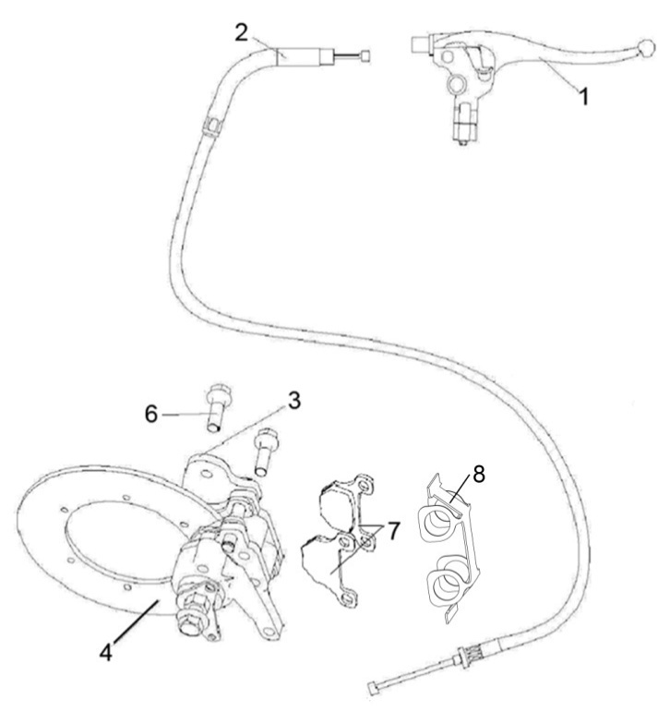
 |  |  |  | ←→Interchangeable；≠Noninterchangeable；←New for old →old for new
 | 18..2 AUXILIARY BRAKE（FOR EUROPE） |  |  | REF. No. |  | DESCRIPTION | Q'TY | PIN | I/C | 图号
 |  |  |  | 1 | 70636 | MASTER CYLINDER(WITH LEVER) | 1 |  |  | LH520ATV.27.1
 |  |  |  |  | 36094 | MASTER CYLINDER(WITH LEVER)（PASSIVATION） | 1 |  | ←→ | 4BB-25701-00
 |  |  |  | 2 | 70637 | BRACK CABLE | 1 |  |  | LH520ATV.27.2
 |  |  |  | 3 | 35074 | BRACK CALIPER | 1 |  |  | 4AV-262A2-00
 |  |  |  | 4 | 35075 | DISK BRAKE | 1 |  |  | 4AV-262A3-00
 |  |  |  | 6 | 10218 | BOLT M8X40 | 2 |  |  | GB/T16674.1
 |  |  |  | 7 | 26291 | BRAKE PAD | 2 |  |  | T000410
 |  |  |  | 8 | 35530 | LIMIT SPRING PLATE | 1 |  |  | 4AV-262N7-00

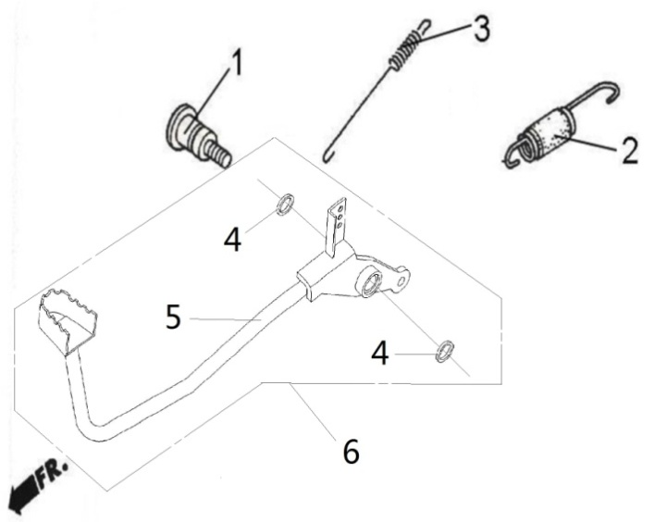
 |  |  |  | ←→Interchangeable；≠Noninterchangeable；←New for old →old for new
 | 19 PEDAL,BRAKE |  |  | REF. No. | PART No. | DESCRIPTION | Q'TY | PIN | I/C | 图号
 |  |  |  | 1 | 70542 | SHAFT,BRAKE PIVOT | 1 |  |  | LH520ATV.24.9-2
 |  |  |  | 2 | 70541 | SPRING,STOP SWITCH | 1 |  |  | LH520ATV.24.9-1
 |  |  |  | 3 | 35502 | SPRING ASSY(NEW MODEL) | 1 |  | ← | 4AV-82101-00
 |  |  |  | 4 | 70540 | DUST SEAL | 2 |  |  | LH520ATV.24.9.2
 |  |  |  | 5 | 36096 | PEDAL BRAKE | 1 |  |  | 4BB-25850-00
 |  |  |  | 6 | 36097 | PEDAL BRAKE ASSY | 1 |  |  | 4BB-2585A-00

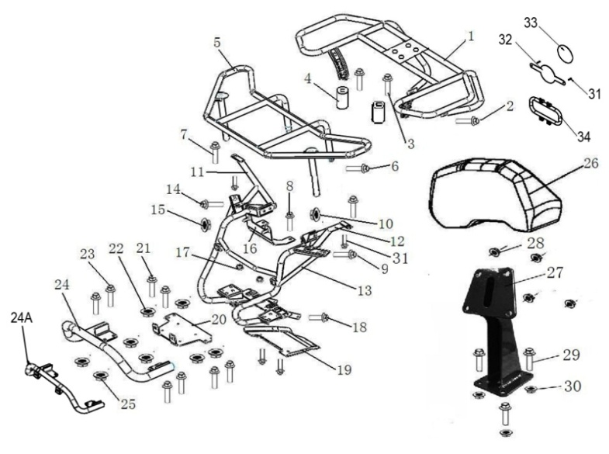
 |  |  |  | ←→Interchangeable；≠Noninterchangeable；←New for old →old for new
 | 20 BUMPER & RACK |  |  | REF. No. | PART No. | DESCRIPTION | Q'TY | PIN | I/C | 图号
 |  |  |  | 1 | 36084 | REAR RACK（FOR EUROPE） | 1 |  |  | 4BB-24810-01
 |  |  |  | 2 | 10059 | BOLTM8X25 | 4 |  |  | GB/16674.1-M8X25
 |  |  |  | 3 | 10511 | BOLTM8X55 | 2 |  |  | GB/16674.1-M8X55
 |  |  |  | 4 | 36085 | Rear rack mounting spacer | 2 |  |  | 4BB-24812-01
 |  |  |  | 5 | 36093 | FRONT RACK（FOR EUROPE） | 1 |  |  | 4BB-24841-00
*
*
*
*
*
*
 |  |  |  | 6 | 10081 | BOLT M8X20 | 2 |  |  | GB/T16674.1-M8X20
 |  |  |  | 7 | 10059 | BOLTM8X25 | 2 |  |  | GB/16674.1-M8X25
 |  |  |  | 8 | 10081 | BOLT M8X20 | 2 |  |  | GB/T16674.1-M8X20
 |  |  |  | 9 | 10055 | BOLTM8X45 | 4 |  |  | GB/16674.1-M8X45
 |  |  |  | 10 | 10079 | NUT M8 | 4 |  |  | GB/T6187-M8
 |  |  |  | 11 | 36112 | Right Y shaped support tube | 1 |  |  | 4BB-28415-00
 |  |  |  | 12 | 36111 | Left Y shaped support tube | 1 |  |  | 4BB-28414-00
 |  |  |  | 13 | 36022 | Front part support assembly | 1 |  |  | 4BB-21210-00
 |  |  |  | 14 | 10059 | BOLTM8X25 | 2 |  |  | GB/16674.1-M8X25
 |  |  |  | 15 | 10079 | NUT M8 | 2 |  |  | GB/T6187-M8
 |  |  |  | 16 | 36051 | Mounting plate on water tank | 1 |  |  | 4BB-21801-00
 |  |  |  | 17 | 36054 | Supporting rubber ring under water tank | 2 |  |  | 4BB-21804-00
 |  |  |  | 18 | 10081 | BOLT M8X20 | 2 |  |  | GB/T16674.1-M8X20
 |  |  |  | 19 | 36113 | Front bottom guard | 1 |  |  | 4BB-28416-00
 |  |  |  | 20 | 36119 | BRACKET,PULLING | 1 |  |  | 4BB-28520-00
 |  |  |  | 21 | 10081 | BOLT M8X20 | 4 |  |  | GB/T16674.1-M8X20
 |  |  |  | 22 | 10079 | NUT M8 | 4 |  |  | GB/T6187-M8
 |  |  |  | 23 | 10081 | BOLT M8X20 | 4 |  |  | GB/T16674.1-M8X20
 |  |  |  | 24 | 36118 | FRONT BUMPER（FOR FRANCE） | 1 |  |  | 4BB-28510-00
 |  |  |  | 24A | 36118a | FRONT BUMPER | 1 |  |  | 4BB-28510-10
 |  |  |  | 25 | 10079 | NUT M8 | 4 |  |  | GB/T6187-M8
 |  |  |  | 26 | 35383 | BACKREST | 1 |  |  | 4AV-24830-00
 |  |  |  | 26 | 35721 | BACKREST（SKIN TYPE） | 1 |  | ←→ | 4AV-24830-10
 |  |  |  | 27 | 35384 | REAR BACKREST WELD ASSEMBLY | 1 |  |  | 4AV-24730-00
 |  |  |  | 28 | 10919 | NUT M8 | 4 |  |  | B5DF20800R
 |  |  |  | 29 | 10059 | BOLT M8X25 | 4 |  |  | B11A30825R
 |  |  |  | 30 | 10079 | NUT M8 | 4 |  |  | B51L30800R
 |  |  |  | 31 | 10110 | BOLT M6X20 | 4 |  |  | GB/T16674.1-M6X20
 |  |  |  | 32 | 35793a | BRACKET, SPEED LIMIT | 1 |  |  | 4BB-22511-10
 |  |  |  | 33 | 36207 | STICKERS,SPEED LIMIT（80km/h） | 1 |  |  | 4BB-225T1-00
 |  |  |  | 34 | 36208 | PROTECTION IN WELDING ASSY.(EXCEPT FOR FRANCE) | 1 |  |  | 4BB-21611-00

 |  |  |  | ←→Interchangeable；≠Noninterchangeable；←New for old →old for new
 | 21 ENGINE |  |  | REF. No. | PART No. | DESCRIPTION | Q'TY | PIN | I/C | 图号
 |  |  |  | 1 | 35503 | BUSHING ENGING BRACKET | 4 |  | ← | 4AV-21231-01
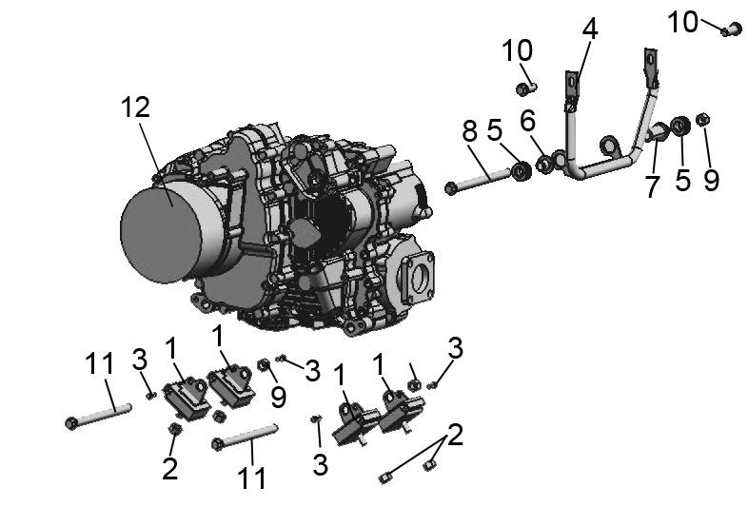
 |  |  |  | 2 | 10015A | NUT M10X1.25 | 4 |  | ← | B52L31000A
 |  |  |  | 3 | 10928 | BOLT M6X16 | 4 |  |  | B22L00616R
 |  |  |  | 4 | 35504 | FRONT ENGINE MOUNT BRACKET | 1 |  |  | 4AV-21211-00
 |  |  |  | 5 | 35505 | RUBBER BUSHING | 2 |  |  | 4AV-21212-00
 |  |  |  | 6 | 35506 | SPACER 1 | 1 |  |  | 4AV-21213-00
 |  |  |  | 7 | 35507 | SPACER 2 | 1 |  |  | 4AV-21214-00
 |  |  |  | 8 | 10929 | BOLT M12X1.25X170 | 1 |  |  | B11C312N0A
 |  |  |  | 9 | 10136 | NUT M12X1.25 | 3 |  |  | B52C31200A
 |  |  |  | 10 | 10183 | BOLT M8X16 | 2 |  |  | B11A30816R
 |  |  |  | 11 | 10930 | BOLT M12X1.25X150 | 2 |  |  | B12D212X0A
 |  |  |  | 12 | 35524e | ENGING ASSY. | 1 |  |  | 1BK-00000-00

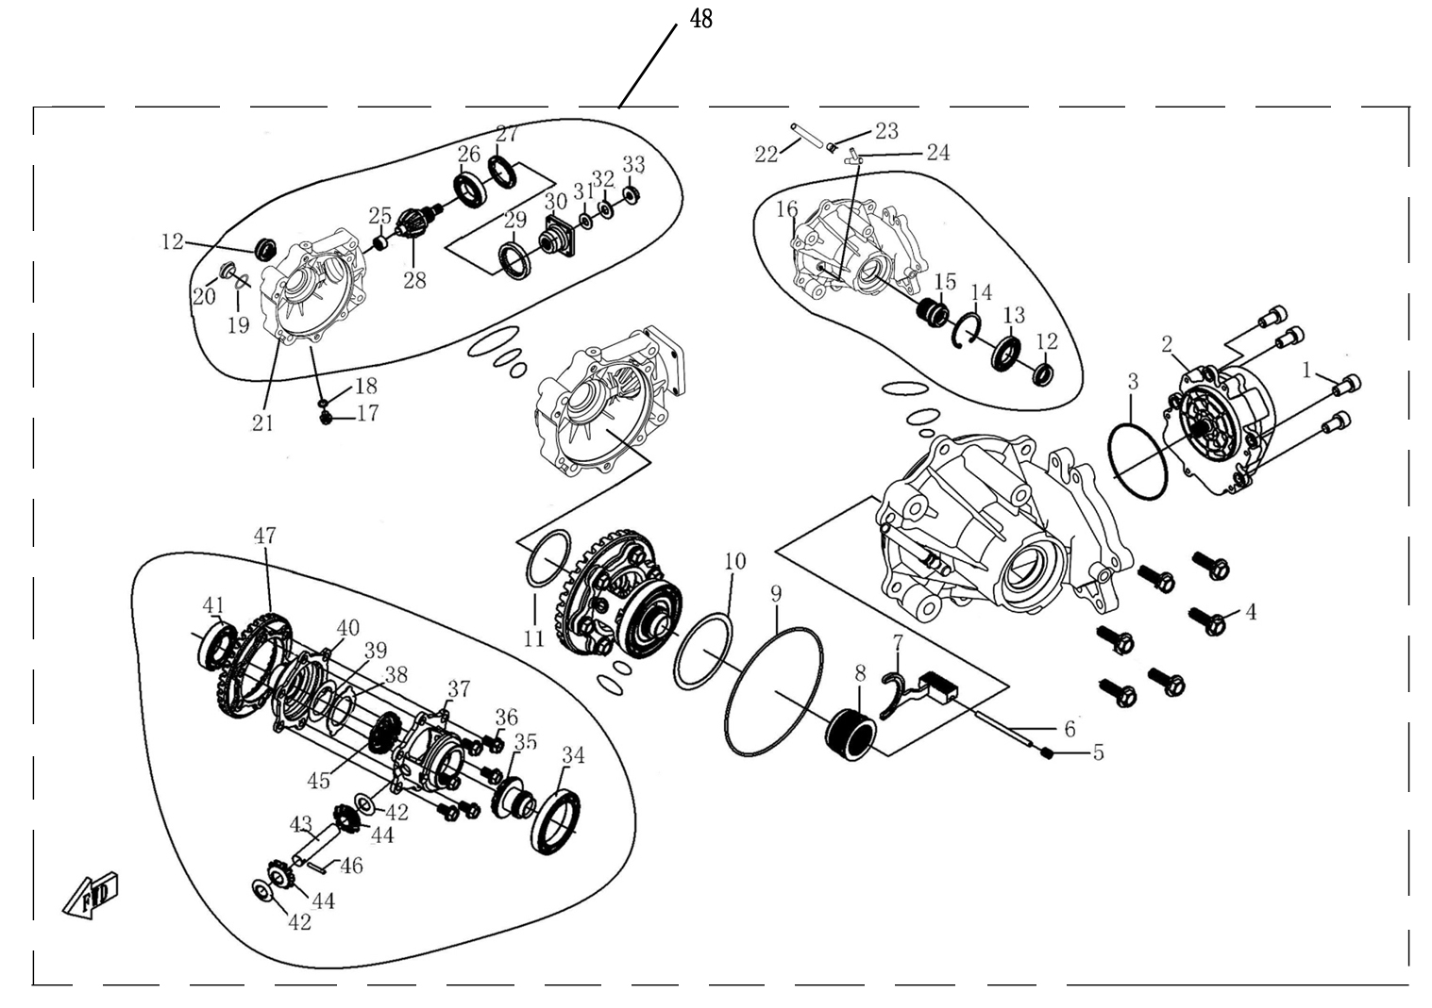
 |  |  |  | ←→Interchangeable；≠Noninterchangeable；←New for old →old for new
 | 22 前桥总成/ FRONT GEAR-BOX
 |  |  |  | REF. No. | PART No. | DESCRIPTION | Q'TY | PIN | I/C | 图号
 |  |  |  | 1 | 35391 | Screw | 4 |  |  | B22A50820R
 |  |  |  | 2 | 35388 | Gear Motor | 1 |  |  | 4AV-81800-00
 |  |  |  | 3 | 35389 | O-Ring φ81.2×1.9 | 1 |  |  | 1BE-46142-00
 |  |  |  | 4 | 10059 | Bolt | 6 |  |  | B11A30825R
 |  |  |  | 5 | 10954 | Screw | 1 |  |  | B2HA20810R
 |  |  |  | 6 | 10957 | Pin Shaft | 1 |  |  | B313105800
 |  |  |  | 7 | 26314 | Shift Fork | 1 |  |  | 4CR-46143-00
 |  |  |  | 8 | 26315 | Drive Clutch | 1 |  |  | 4CR-46144-00
 |  |  |  | 9 | 35401 | O-Ring φ141×2.4 | 1 |  |  | 1BE-46151-00
 |  |  |  | 10 | 26322 | Adjust Shim(83×71) | As needed |  |  | 4CR-46153-00
 |  |  |  | 11 | 26323 | Adjust Shim(61×48) | As needed |  |  | 4CR-46154-00
 |  |  |  | 12 | 35410 | Oil Seal | 2 |  |  | 1BE-46131-00
 |  |  |  | 13 | 10960 | Bearing 16007 | 1 |  |  | BCC0100106
 |  |  |  | 14 | 35412 | Retainer 62 | 1 |  |  | B723362000
 |  |  |  | 15 | 26316 | Drive Clutch Cover | 1 |  |  | 4CR-46147-00
 |  |  |  | 16 | 26321 | Case Cover, Front Axle | 1 |  |  | 4CR-46152-00
 |  |  |  | 17 | 10953 | Drain Bolt | 1 |  |  | B11A41016A
 |  |  |  | 18 | 73021 | Washer 10 | 1 |  |  | 1CA-23819-00
 |  |  |  | 19 | 50082 | O-Ring φ30.5×3 | 1 |  |  | 1AC-15126-00
 |  |  |  | 20 | 24305 | Fill Plug | 1 |  |  | 1AC-15191-00
 |  |  |  | 21 | 26320 | Gear Case, Front Axle | 1 |  |  | 4CR-46151-00
 |  |  |  | 22 | 21111 | Breather Pipe | 1 |  |  | 4AL-23842-00
 |  |  |  | 23 | 25107 | Clip | 1 |  |  | 4AL-23843-00
 |  |  |  | 24 | 21112 | Hose Fitting | 1 |  |  | 1CA-23820-00
 |  |  |  | 25 | 35429 | Needle Bearing | 1 |  |  | 1BE-46170-00
 |  |  |  | 26 | 35424 | Bearing 6007 | 1 |  |  | BCC0100069
 |  |  |  | 27 | 26317 | Bearing Retainer | 1 |  |  | 4CR-46148-00
 |  |  |  | 28 | 26328 | Bevel Gear -Driving | 1 |  |  | 4CR-46160-00
 |  |  |  | 29 | 35423 | Oil Seal | 1 |  |  | 1BE-46166-00
 |  |  |  | 30 | 26330 | Coupler | 1 |  |  | 4CR-46162-00
 |  |  |  | 31 | 35428 | O-Ring | 1 |  |  | 1BE-46169-00
 |  |  |  | 32 | 26324 | Nut Washer | 1 |  |  | 4CR-46155-00
 |  |  |  | 33 | 26318 | Nut | 1 |  |  | 4CR-46149-00
 |  |  |  | 34 | 10959 | Bearing 61912 | 1 |  |  | BCC0100105
 |  |  |  | 35 | 35434 | Drive Gear | 1 |  |  | 1BE-46181-00
 |  |  |  | 36 | 26331 | Bolt | 6 |  |  | 4CR-46164-00
 |  |  |  | 37 | 26332 | Bracket,Differential | 1 |  |  | 4CR-46165-00
 |  |  |  | 38 | 26326 | Shim | 1 |  |  | 4CR-46157-00
 |  |  |  | 39 | 26325 | Washer | 1 |  |  | 4CR-46156-00
 |  |  |  | 40 | 26334 | Top Bracket,Differential Gear | 1 |  |  | 4CR-46167-00
 |  |  |  | 41 | 35424 | Bearing 6007 | 1 |  |  | BCC0100069
 |  |  |  | 42 | 26327 | Wearing Ring | 2 |  |  | 4CR-46159-00
 |  |  |  | 43 | 26333 | Gear Shaft(Center), Differential | 1 |  |  | 4CR-46166-00
 |  |  |  | 44 | 35437 | Gear(Center), Differential | 2 |  |  | 1BE-46184-00
 |  |  |  | 45 | 35440 | Driven Gear | 1 |  |  | 1BE-46187-00
 |  |  |  | 46 | 10956 | Pin | 1 |  |  | B311105250
 |  |  |  | 47 | 26329 | Bevel Gear -Driven | 1 |  |  | 4CR-46161-00
 |  |  |  | 48 | 26319 | Front Gear-box Assy | 1 |  |  | 4CR-46150-00

41
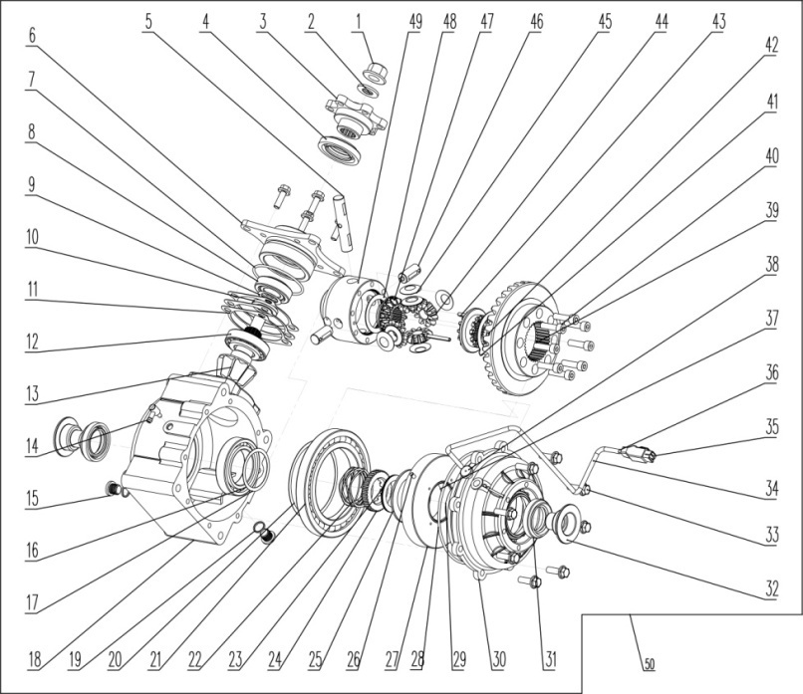
 |  |  |  | ←→Interchangeable；≠Noninterchangeable；←New for old →old for new
 | 23后桥总成/ REAR GEAR-BOX |  |  | REF. No. | PART No. | DESCRIPTION | Q'TY | PIN | I/C | 图号
 |  |  |  | 1 | 11010 | FLANGE NUT M16X1.5 | 1 |  |  | B53A21600R
 |  |  |  | 2 | 11011 | PAD M16 | 1 |  |  | B671016000
 |  |  |  | 3 | 36213 | ENTER THE CONNECTION PLATE | 1 |  |  | 4BB-23801-00
 |  |  |  | 4 | 36214 | SEAL 34.5-61-9-13.5 | 1 |  |  | 4BB-23804-00
 |  |  |  | 5 | 36215 | LONG AXIS OF THE PLANET | 1 |  |  | 4BB-23805-00
 |  |  |  | 6 | 36216 | ENTER THE BEARING SEAT-STRAIGHT TEETH | 1 |  |  | 4BB-23818-00
 |  |  |  | 7 | 36217 | INPUT SHAFT O-RING 72X3.2 | 1 |  |  | 4BB-23809-10
 |  |  |  | 8 | 11012 | BEARING 30205 | 1 |  |  | BCC2100004
 |  |  |  | 9 | 36218 | ADJUSTING GASKET 25-35 | 1 |  |  | 4BB-23803-00
 |  |  |  | 10 | 36219 | BEARING SLEEVE | 1 |  |  | 4BB-23802-00
 |  |  |  | 11 | 36220 | ENTER THE BEARING SPACER | 3 |  |  | 4BB-23810-00
 |  |  |  | 12 | 11013 | BEARING 30206 | 1 |  |  | BCC2100005
 |  |  |  | 13 | 36221 | 9-STRAIGHT BEVEL GEAR | 1 |  |  | 4BB-23806-00
 |  |  |  | 14 | 36222 | EXHAUST PIPE | 1 |  |  | 4BB-23811-00
 |  |  |  | 15 | 36223 | OIL HOLE BOLT | 2 |  |  | 4BB-23812-00
 |  |  |  | 16 | 10569 | BEARING 6010 | 1 |  |  | BCC0100065
 |  |  |  | 17 | 36224 | DIFFERENTIAL-BEARING GASKET | 1 |  |  | 4BB-23813-00
 |  |  |  | 18 | 36225 | REAR AXLE HOUSING | 1 |  |  | 4BB-23816-00
 |  |  |  | 19 | 36226 | OIL DRAIN GASKET | 2 |  |  | 4BB-23814-00
 |  |  |  | 20 | 36227 | LARGE BEARING-ADJUSTING SHIMS | 1 |  |  | 4BB-23815-00
 |  |  |  | 21 | 11014 | BEARING 16020 | 1 |  |  | BCC0100120
 |  |  |  | 22 | 36228 | WAVE SPRINGS | 1 |  |  | 4BB-23819-00
 |  |  |  | 23 | 36229 | FLAT ROLLERS-52 | 1 |  |  | 4BB-23820-00
 |  |  |  | 24 | 36230 | CROWN CLUTCH DISC | 1 |  |  | 4BB-23821-00
...

Sheet2
...
 |  |  |  |  | LINHAI M550 EFI

 |  |  |  |  |  |  |  |  | EUROPE 4

*
*
*
*
*
*
*
*
*
*
*
*
*
*
*
*
*
*
*
HFSI：High Frequency Service Item |  |  | ←→Interchangeable；≠Noninterchangeable；←New for old →old for new
 | CYLINDER HEAD COVER | 缸头盖部件 | REF. No. | PART NO. | DESCRIPTION | Q'TY | 图号 | PIN | I/C
 |  |  | 1 | 35143 | INTAKE ROCKER ARM COMP | 1 | 1BE-12150-00
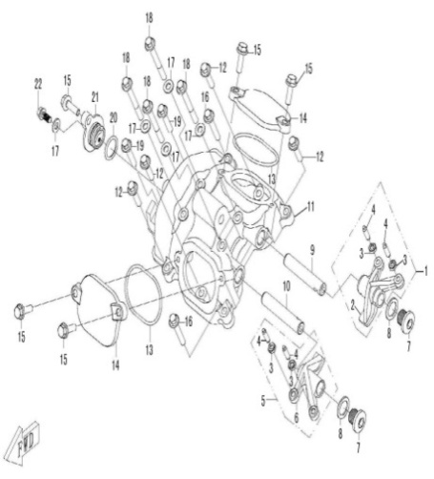
 |  |  | 2 | 35144 | INTAKE ROCKER ARM VALVE | 1 | 1BE-12151-00
 |  |  | 3 | 35146 | ADJUSTING NUT VALVE | 4 | 1BE-12158-00
 |  |  | 4 | 35147 | ADJUSTING SCREW VALVE | 4 | 1BE-12159-00
 |  |  | 5 | 35148 | EXHAUST ROCKER ARM COMP | 1 | 1BE-12160-00
 |  |  | 6 | 35149 | EXHAUST ROCKER ARM VALVE | 1 | 1BE-12161-00
 |  |  | 7 | 35150 | BOLT M14X1.25X12 | 2 | 1BE-12162-00
 |  |  | 8 | 35215 | WASHER 14 | 2 | 1BE-15107-00
 |  |  | 9 | 35142 | INTAKE ROCKER SHAFT | 1 | 1BE-12146-00
 |  |  | 10 | 35145 | EXHAUST ROCKER SHAFT | 1 | 1BE-12156-00
 |  |  | 11 | 35110 | CYLINDER HEAD COVER | 1 | 1BE-11191-00
 |  |  | 12 | 10187 | BOLT M6X25 | 4 | B11L60625R
 |  |  | 13 | 35111 | GASKET | 2 | 1BE-11192-00
 |  |  | 14 | 35107 | VALVE ADJUST COVER | 2 | 1BE-11186-00
 |  |  | 15 | 10110 | BOLT M6X20 | 5 | B11L60620R
 |  |  | 16 | 10186 | BOLT M6X35 | 2 | B11L60635R
 |  |  | 17 | 35108 | WASHER 6 | 5 | 1BE-11188-00
 |  |  | 18 | 10530 | BOLT M6X55 | 4 | B11L60655R
 |  |  | 19 | 10182 | BOLT M6X30 | 2 | B11L60630R
 |  |  | 20 | 35113 | O-RING 18X2.4 | 1 | 1BE-11196-00
 |  |  | 21 | 35112 | SEAL COVER | 1 | 1BE-11195-00
 |  |  | 22 | 10140 | BOLT M6X12 | 1 | B11L60612R
...
 |  |  | ←→Interchangeable；≠Noninterchangeable；←New for old →old for new
 |  |  | 22 | 50076 | DOWEL PIN 8×14 | 2 | 153FM.17-3
 |  |  | 23 | 10186 | BOLT M6X35 | 2 | B11L60635R
 |  |  | 24 | 35141 | EXHAUST VALVE | 2 | 1BE-12121-00
 |  |  | 25 | 35099 | STUD M8X42 | 2 | 1BE-11106-00
 |  |  | 26 | 35096e | CYLINDER HEAD | 1 | 1BK-11101-00

*
*
*
*
*
*
*
*
*
*
*
*
*
*
*
*
*
*
*
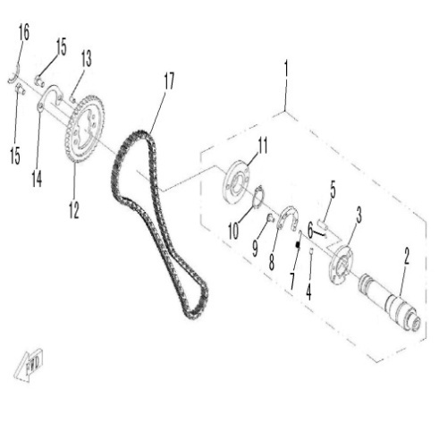
 |  |  | ←→Interchangeable；≠Noninterchangeable；←New for old →old for new
 | CAMSHAFT | 凸轮轴部件 | REF. No. | PART NO. | DESCRIPTION | Q'TY | 图号 | PIN | I/C
 |  |  | 1 | 35156 | CAMSHAFT ASSEMBLY | 1 | 1BE-12179-00
 |  |  | 2 | 35151 | CAMSHAFT | 1 | 1BE-12171-00
 |  |  | 3 | 35168 | LIMIT CAM | 1 | 1BE-12297-00
 |  |  | 4 | 35167 | DOWEL PIN, DECOMPRESSOR | 1 | 1BE-12296-00
 |  |  | 5 | 35170 | DECOMPRESSOR CAM | 1 | 1BE-12299-00
 |  |  | 6 | 35169 | DEFLECTOR ROD | 1 | 1BE-12298-00
 |  |  | 7 | 35164 | DECOMPRESSOR SPRING | 1 | 1BE-12287-00
 |  |  | 8 | 35165 | DECOMPRESSOR ROCKER ARM | 1 | 1BE-12288-00
 |  |  | 9 | 35166 | DECOMPRESSOR ROCKER ARM WRIST | 1 | 1BE-12289-00
 |  |  | 10 | 10841 | RETAINER 22 | 1 | B773022000
 |  |  | 11 | 35155 | FLANGE, CAMSHAFT | 1 | 1BE-12177-00
 |  |  | 12 | 35154 | TIMING SPROCKET | 1 | 1BE-12176-00
 |  |  | 13 | 10835 | DOWEL PIN, TIMING SPROCKET | 1 | B301005080
 |  |  | 14 | 35153 | RETAINER | 1 | 1BE-12174-00
 |  |  | 15 | 10828 | BOLT M6X10 | 2 | B14A30610R
 |  |  | 16 | 35152 | CAMSHAFT SPACER | 1 | 1BE-12173-00
 |  |  | 17 | 35163 | TIMING CHAIN | 1 | 1BE-12251-00

*
*
*
*
*
*
*
*
*
*
*
*
*
*
*
*
*
*
*
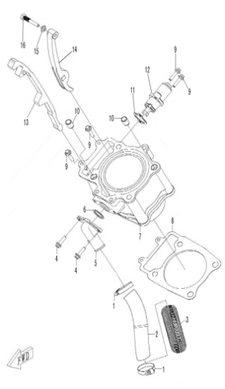
 |  |  | ←→Interchangeable；≠Noninterchangeable；←New for old →old for new
 | CYLINDER | 缸体部件 | REF. No. | PART NO. | DESCRIPTION | Q'TY | 图号 | PIN | I/C
 |  |  | 1 | 35343 | CLAMP 20/32 | 2 | 4AB-12495-00
 |  |  | 2 | 35116 | WATER INLET HOSE | 1 | 1BE-11303-00
 |  |  | 3 | 35117 | SLEEVE, WATER HOSE | 1 | 1BE-11304-00
 |  |  | 4 | 10278 | BOLT M6X22 | 2 | B11L60622R
 |  |  | 5 | 35114 | JOINT, WATER INLET | 1 | 1BE-11301-00
 |  |  | 6 | 35115 | O-RING 24X2.5 | 1 | 1BE-11302-00
 |  |  | 7 | 35119 | CYLINDER | 1 | 1BE-11310-00
 |  |  | 8 | 35120 | GASKET, CYLINDER | 1 | 1BE-11351-00
 |  |  | 9 | 10187 | BOLT M6X25 | 4 | B11L60625R
 |  |  | 10 | 35118 | DOWEL PIN 13X18 | 2 | 1BE-11309-00
 |  |  | 11 | 35158 | GASKET, TENSIONER | 1 | 1BE-12213-00
 |  |  | 12 | 35157 | TENSIONER | 1 | 1BE-12210-00
 |  |  | 13 | 35159 | TIMING CHAIN GUIDE | 1 | 1BE-12231-00
 |  |  | 14 | 35160 | TENSIONER PLATE | 1 | 1BE-12241-00
 |  |  | 15 | 35162 | WASHER 8 | 1 | 1BE-12247-00
 |  |  | 16 | 35161 | BOLT, TENSIONER PLATE | 1 | 1BE-12246-00

*
*
*
*
*
*
*
*
*
*
*
*
*
*
*
*
*
*
*
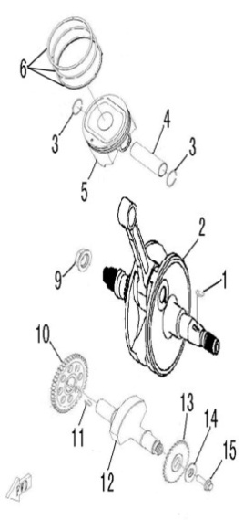
 |  |  | ←→Interchangeable；≠Noninterchangeable；←New for old →old for new
 | CRANKSHAFT COMP | 运动件部件 | REF. No. | PART NO. | DESCRIPTION | Q'TY | 图号 | PIN | I/C
 |  |  | 1 | 35133 | KEY | 1 | 1BE-11666-00
*
*
*
*
*
*
*
 |  |  | 2 | 35121 | CRANKSHAFT | 1 | 1BE-11400-00
 |  |  | 3 | 35129 | CLIP, PISTON PIN | 2 | 1BE-11634-00
 |  |  | 4 | 35128 | PISTON PIN | 1 | 1BE-11633-00
 |  |  | 5 | 35127 | PISTON | 1 | 1BE-11631-00
 |  |  | 6 | 35124 | PISTON RING | 1 1 1 | 1BE-11611-00 1BE-11612-00 1BE-11613-00

 |  |  | 9 | 35122 | NUT M18X1.5 (L) | 1 | 1BE-11601-00
 |  |  | 10 | 35131 | GEAR, BALANCER SHAFT | 1 | 1BE-11662-00
 |  |  | 11 | 35123 | KEY | 1 | 1BE-11603-00
 |  |  | 12 | 35130 | BALANCER SHAFT | 1 | 1BE-11660-00
 |  |  | 13 | 35132 | SPROCKET, BALANCE SHAFT | 1 | 1BE-11664-00
 |  |  | 14 | 35134 | WASHER 10.2X28X2 | 1 | 1BE-11669-00
 |  |  | 15 | 10028 | BOLT M10X25 | 1 | B14A31025R

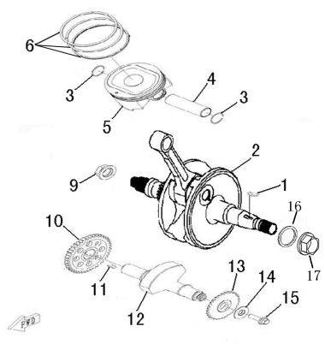
2016 NEW MODEL |  |  | ←→Interchangeable；≠Noninterchangeable；←New for old →old for new
 | CRANKSHAFT COMP | 运动件部件 | REF. No. | PART NO. | DESCRIPTION | Q'TY | 图号 | PIN | I/C
 |  |  | 1 | 35133 | KEY | 1 | 1BE-11666-00
 |  |  | 2 | 35121a | CRANKSHAFT（NEW MODEL） | 1 | 1BE-11400-10 |  | ≠
 |  |  | 3 | 35129 | CLIP, PISTON PIN | 2 | 1BE-11634-00
 |  |  | 4 | 35128 | PISTON PIN | 1 | 1BE-11633-00
 |  |  | 5 | 35127 | PISTON | 1 | 1BE-11631-00
 |  |  | 6 | 35124 | PISTON RING | 1 1 1 | 1BE-11611-00 1BE-11612-00 1BE-11613-00

 |  |  | 9 | 35122 | NUT M18X1.5 (L) | 1 | 1BE-11601-00
 |  |  | 10 | 35131 | GEAR, BALANCER SHAFT | 1 | 1BE-11662-00
 |  |  | 11 | 35123 | KEY | 1 | 1BE-11603-00
 |  |  | 12 | 35130 | BALANCER SHAFT | 1 | 1BE-11660-00
 |  |  | 13 | 35132 | SPROCKET, BALANCE SHAFT | 1 | 1BE-11664-00
 |  |  | 14 | 35134 | WASHER 10.2X28X2 | 1 | 1BE-11669-00
 |  |  | 15 | 10028 | BOLT M10X25 | 1 | B14A31025R
 |  |  | 16 | 71689 | WASHER 16.6 | 1 | 1BA-85652-00
 |  |  | 17 | 71688 | NUT M16X1.5 | 1 | 1BA-85651-00

*
*
*
*
*
*
*
*
*
*
*
*
*
*
*
*
*
*
*
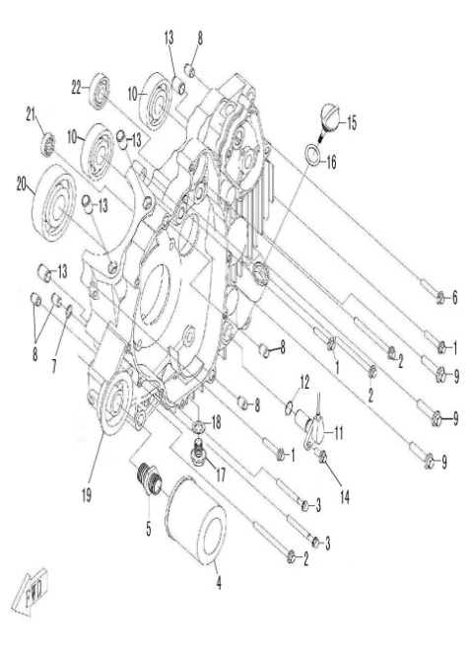
 |  |  | ←→Interchangeable；≠Noninterchangeable；←New for old →old for new
 | LEFT CRANKCASE | 左箱体 | REF. No. | PART NO. | DESCRIPTION | Q'TY | 图号 | PIN | I/C
 |  |  | 1 | 10186 | BOLT M6×35 | 3 | B11L606350
 |  |  | 2 | 10827 | BOLT M6×80 | 3 | B11L606800
 |  |  | 3 | 10005 | BOLT M6×60 | 2 | B11L606600
 |  |  | 4 | 35223 | OIL FILTER | 1 | 1BE-15190-00
 |  |  | 5 | 35213 | BOLT，OIL FILTER | 1 | 1BE-15104-00
 |  |  | 6 | 10177 | BOLT M6×40 | 1 | B11L606400
 |  |  | 7 | 10843 | O-RING 10X1.8 | 1 | B920101801
 |  |  | 8 | 35094 | DOWEL PIN 10×14 | 5 | 1BB-17109-00
 |  |  | 9 | 35221 | BOLT M8×38 | 3 | 1BE-15174-00
 |  |  | 10 | 10846 | BEARING 6303C3 | 2 | BCC0100084
 |  |  | 11 | 35337 | SPEED SENSOR | 1 | 1BE-83700-00
 |  |  | 12 | 35225 | O-RING 14×1.44 | 1 | 1BE-15381-00
 |  |  | 13 | 35118 | DOWEL PIN 13×18 | 4 | 1BE-11309-00
NOTE：
THERE ARE TWO FACTORY CODE ON THE REVERSE SIDE OF THE HANDLE LEVER，WHEN YOU ORDER ANY PART OF THE BREAK SYSTEM，PLEASE MARK THE FACTORY CODE（ZJ OR SD） 。
NOTE：
THERE ARE TWO FACTORY CODE ON THE REVERSE SIDE OF THE HANDLE LEVER，WHEN YOU ORDER ANY PART OF THE BREAK SYSTEM，PLEASE MARK THE FACTORY CODE（ZJ OR SD） 。
NOTE：
THERE ARE TWO FACTORY CODE ON THE REVERSE SIDE OF THE HANDLE LEVER，WHEN YOU ORDER ANY PART OF THE BREAK SYSTEM，PLEASE MARK THE FACTORY CODE（ZJ OR SD） 。
NOTE：
THERE ARE TWO FACTORY CODE ON THE REVERSE SIDE OF THE HANDLE LEVER，WHEN YOU ORDER ANY PART OF THE BREAK SYSTEM，PLEASE MARK THE FACTORY CODE（ZJ OR SD） 。
NOTE：
THERE ARE TWO FACTORY CODE ON THE REVERSE SIDE OF THE HANDLE LEVER，WHEN YOU ORDER ANY PART OF THE BREAK SYSTEM，PLEASE MARK THE FACTORY CODE（ZJ OR SD） 。
NOTE：
THERE ARE TWO FACTORY CODE ON THE REVERSE SIDE OF THE HANDLE LEVER，WHEN YOU ORDER ANY PART OF THE BREAK SYSTEM，PLEASE MARK THE FACTORY CODE（ZJ OR SD） 。
NOTE：
THERE ARE TWO FACTORY CODE ON THE REVERSE SIDE OF THE HANDLE LEVER，WHEN YOU ORDER ANY PART OF THE BREAK SYSTEM，PLEASE MARK THE FACTORY CODE（ZJ OR SD） 。
NOTE：
THERE ARE TWO FACTORY CODE ON THE REVERSE SIDE OF THE HANDLE LEVER，WHEN YOU ORDER ANY PART OF THE BREAK SYSTEM，PLEASE MARK THE FACTORY CODE（ZJ OR SD） 。
NOTE：
THERE ARE TWO FACTORY CODE ON THE REVERSE SIDE OF THE HANDLE LEVER，WHEN YOU ORDER ANY PART OF THE BREAK SYSTEM，PLEASE MARK THE FACTORY CODE（ZJ OR SD） 。
 |  |  | 14 | 10189 | BOLT M6×16 | 1 | B11L606160
*
*
*
*
*
*
*
 |  |  | 15 | 35224 | OIL DIP ROD | 1 | 1BE-15363-00
 |  |  | 16 | 10844 | O-RING 18×3.55 | 1 | B920183551
 |  |  | 17 | 50105 | DRAIN BOLT M12×1.5 | 1 | 1AC-15342-00
 |  |  | 18 | 1309283 | WASHER 12 | 1 | 1AC-15343-00
 |  |  | 19 | 35216 | LEFT CRANKCASE | 1 | 1BE-15110-00
 |  |  | 20 | 10847 | BEARING 6307 | 1 | BCC0100086
 |  |  | 21 | 10848 | BEARING 63/22 | 1 | BCC0100085
 |  |  | 22 | 10849 | BEARING 6202 | 1 | BCC0100044

*
*
*
*
*
*
*
*
*
*
*
*
*
*
*
*
*
*
*
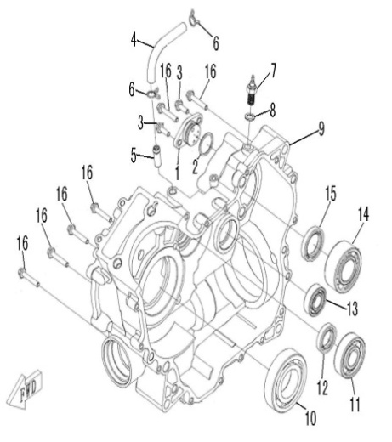
 |  |  | ←→Interchangeable；≠Noninterchangeable；←New for old →old for new
 | RIGHT CRANKCASE | 右箱体 | REF. No. | PART NO. | DESCRIPTION | Q'TY | 图号 | PIN | I/C
 |  |  | 1 | 35338 | GEAR POSITION SENSOR | 1 | 1BE-83901-00
 |  |  | 2 | 35226 | O-RING 26×2.5 | 1 | 1BE-15382-00
 |  |  | 3 | 10191 | BOLT M6×18 | 2 | B11L606180
 |  |  | 4 | 35220 | BREATHER HOSE | 1 | 1BE-15173-00
 |  |  | 5 | 35219 | JOINT, BREATHER HOSE | 1 | 1BE-15170-00
 |  |  | 6 | 10845 | CLAMP A12 | 2 | BHGC673B12
 |  |  | 7 | 35339 | REVERSE GEAR SENSOR | 1 | 1BE-83902-00
 |  |  | 8 | 35227 | WASHER 10 | 1 | 1BE-15383-00
 |  |  | 9 | 35217 | RIGHT CRANKCASE | 1 | 1BE-15120-00
 |  |  | 10 | 10850 | BEARING 6208 | 1 | BCC0100067
 |  |  | 11 | 10848 | BEARING 63/22 | 1 | BCC0100085
 |  |  | 12 | 35218 | OIL SEAL 22×38×7 | 1 | 1BE-15160-00
 |  |  | 13 | 10851 | BEARING 6203RS | 1 | BCC0100046
 |  |  | 14 | 10860 | BEARING 5206C3 | 1 | BCC0300003
 |  |  | 15 | 35222 | OIL SEAL 30×45×8 | 1 | 1BE-15180-00
 |  |  | 16 | 10186 | BOLT M6×35 | 6 | B11L606350

*
*
*
*
*
*
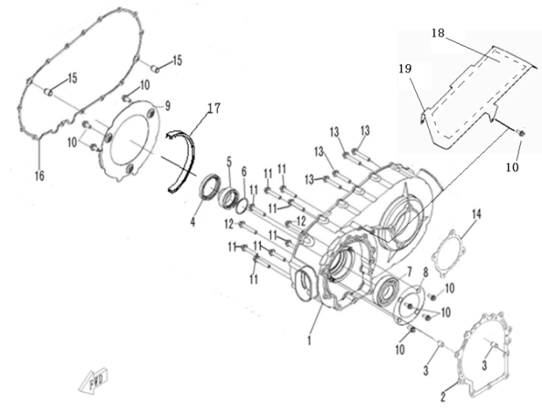
 |  |  | ←→Interchangeable；≠Noninterchangeable；←New for old →old for new
 | CVT HOUSING | CVT箱 | REF. No. | PART NO. | DESCRIPTION | Q'TY | 图号 | PIN | I/C
 |  |  | 1 | 35235 | CVT HOUSING | 1 | 1BE-15421-00
 |  |  | 2 | 35238 | GASKET 1, CVT HOUSING | 1 | 1BE-15426-00
 |  |  | 3 | 35094 | DOWEL PIN 10×14 | 2 | 1BB-17109-00
 |  |  | 4 | 35251 | OIL SEAL 54×70×8 | 1 | 1BE-15460-00
 |  |  | 5 | 35228 | SPACER, DRIVE SHAFT | 1 | 1BE-15403-00
 |  |  | 6 | 35229 | O-RING 39×2.3 | 1 | 1BE-15404-00
 |  |  | 7 | 10852 | BEARING 6208RS | 1 | BCC0100091
 |  |  | 8 | 35236 | BEARING RETAINER, CVT | 1 | 1BE-15424-00
 |  |  | 9 | 35237 | PLATE, AIR INTAKE | 1 | 1BE-15425-00
 |  |  | 10 | 10140 | BOLT M6×12 | 8 | B11L606120
 |  |  | 11 | 35233 | BOLT M8×45 | 8 | 1BE-15414-00
 |  |  | 12 | 35232 | BOLT M8×50 | 2 | 1BE-15413-00
 |  |  | 13 | 10187 | BOLT M6×25 | 4 | B11L606250
 |  |  | 14 | 35239 | GASKET 2, CVT HOUSING | 1 | 1BE-15427-00
 |  |  | 15 | 35118 | DOWEL PIN 13×18 | 2 | 1BE-11309-00
 |  |  | 16 | 35231 | GASKET, CVT COVER | 1 | 1BE-15412-00
 |  |  | 17 | 35533 | RUBBER STRIP | 1 | 1BE-15422-00
 |  |  | 18 | 35794 | CVT Heat insulation film | 1 | 1BE-17603-00
 |  |  | 19 | 35795 | CVT Heat insulation board | 1 | 1BE-17604-00

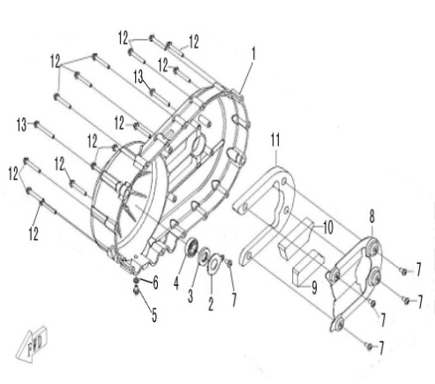
 |  |  | ←→Interchangeable；≠Noninterchangeable；←New for old →old for new
 | CVT COVER | CVT盖 | REF. No. | PART NO. | DESCRIPTION | Q'TY | 图号 | PIN
 |  |  | 1 | 35230 | CVT COVER | 1 | 1BE-15411-00
 |  |  | 2 | 35253 | LIMITATOR, OIL SEAL | 1 | 1BE-15485-00
 |  |  | 3 | 35252 | OIL SEAL 17×35×5 | 1 | 1BE-15480-00
 |  |  | 4 | 10853 | BEARING 6003/P6 | 1 | BCC0100087
 |  |  | 5 | 10826 | BOLT M6×10 | 1 | B11L606100
 |  |  | 6 | 35108 | WASHER 6 | 1 | 1BE-11188-00
 |  |  | 7 | 26262 | SCREW M6×12 | 5 | B23L606120
 |  |  | 8 | 35254 | DAMPER PLATE | 1 | 1BE-15486-00
 |  |  | 9 | 35257 | RUBBER DAMPER 3 | 1 | 1BE-15489-00
 |  |  | 10 | 35255 | RUBBER DAMPER 1 | 1 | 1BE-15487-00
 |  |  | 11 | 35256 | RUBBER DAMPER 2 | 1 | 1BE-15488-00
 |  |  | 12 | 29503 | BOLT M6×45 | 14 | B11L606450
 |  |  | 13 | 10530 | BOLT M6×55 | 2 | B11L606550

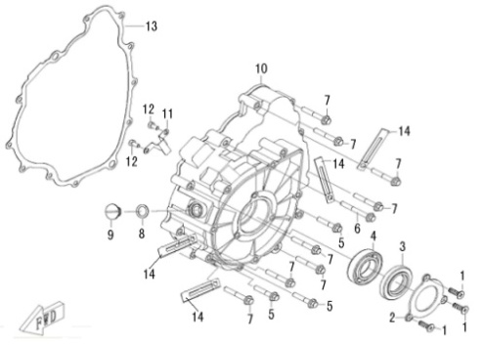
 |  |  | ←→Interchangeable；≠Noninterchangeable；←New for old →old for new
 | LEFT CRANKCASE COVER | 左盖部件 | REF. No. | PART NO. | DESCRIPTION | Q'TY | 图号 | PIN
 |  |  | 1 | 10832 | SCREW M6×10 | 3 | B25L506100
 |  |  | 2 | 35245 | HOLDER,OIL SEAL | 1 | 1BE-15454-00
 |  |  | 3 | 35248 | OIL SEAL 28×52×7 | 1 | 1BE-15457-00
 |  |  | 4 | 10854 | BEARING 60/28 | 1 | BCC0100088
 |  |  | 5 | 10329 | BOLT M6×32 | 3 | B11L606320
 |  |  | 6 | 10349 | BOLT M6×50 | 1 | B11L606500
 |  |  | 7 | 10177 | BOLT M6×40 | 8 | B11L606400
 |  |  | 8 | 35250 | O-RING 12x2.8 | 1 | 1BE-15459-00
 |  |  | 9 | 35249 | PLUG, INSPECTION | 1 | 1BE-15458-00
 |  |  | 10 | 35234 | LEFT CRANKCASE COVER | 1 | 1BE-15417-00
 |  |  | 11 | 35246 | LEAD HOLDER | 1 | 1BE-15455-00
 |  |  | 12 | 10829 | BOLT M5x10 | 2 | B14L205100
 |  |  | 13 | 35244 | GASKET, LEFT CRANKCASE COVER | 1 | 1BE-15453-00
 |  |  | 14 | 35247 | CABLE CLAMP | 4 | 1BE-15456-00

2016 NEW MODEL |  |  | ←→Interchangeable；≠Noninterchangeable；←New for old →old for new
 | LEFT CRANKCASE COVER | 左盖部件 | REF. No. | PART NO. | DESCRIPTION | Q'TY | 图号 | PIN | I/C
 |  |  | 1 | 35537 | END CAP | 1 | 1BE-15418-00
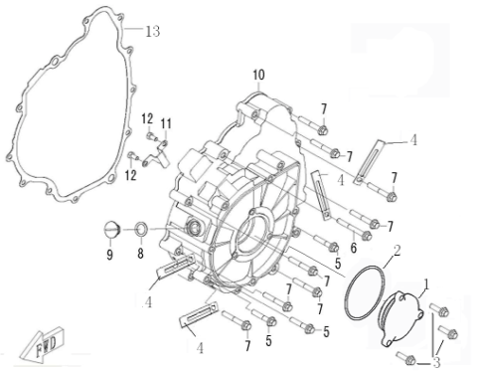
 |  |  | 2 | 10039 | O-RING 46.5X2.65 | 1 | B924652651
 |  |  | 3 | 10140 | BOLT M6×12 | 3 | B11L60612R
 |  |  | 4 | 35247 | CABLE CLAMP | 4 | 1BE-15456-00
 |  |  | 5 | 10329 | BOLT M6×32 | 3 | B11L606320
 |  |  | 6 | 10349 | BOLT M6×50 | 1 | B11L606500
 |  |  | 7 | 10177 | BOLT M6×40 | 8 | B11L606400
 |  |  | 8 | 35250 | O-RING 12x2.8 | 1 | 1BE-15459-00
 |  |  | 9 | 35249 | PLUG, INSPECTION | 1 | 1BE-15458-00
 |  |  | 10 | 35234 | LEFT CRANKCASE COVER | 1 | 1BE-15417-00
 |  |  | 11 | 35246 | LEAD HOLDER | 1 | 1BE-15455-00
 |  |  | 12 | 10829 | BOLT M5x10 | 2 | B14L205100
 |  |  | 13 | 35244 | GASKET, LEFT CRANKCASE COVER | 1 | 1BE-15453-00

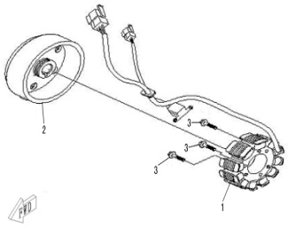
 |  |  | ←→Interchangeable；≠Noninterchangeable；←New for old →old for new
 | GENERATOR | 磁电机部件 | REF. No. | PART NO. | DESCRIPTION | Q'TY | 图号 | PIN | I/C
 |  |  | 1 | 35334e | STATOR ASSY | 1 | 1BK-81410-00
 |  |  | 2 | 35335e | ROTOR ASSY | 1 | 1BK-81450-00
 |  |  | 3 | 10182 | BOLT M6×30 | 3 | B11L60630R

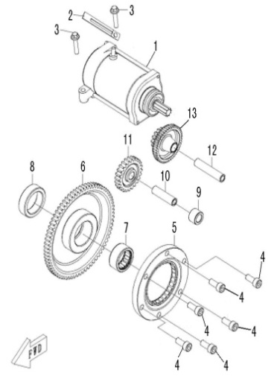
 |  |  | ←→Interchangeable；≠Noninterchangeable；←New for old →old for new
 | ELECTRIC STARTER | 电起动部件 | REF. No. | PART NO. | DESCRIPTION | Q'TY | 图号 | PIN
 |  |  | 1 | 35336 | STARTING MOTOR | 1 | 1BE-81890-00
 |  |  | 2 | 35247 | CABLE CLAMP | 1 | 1BE-15456-00
 |  |  | 3 | 10182 | BOLT M6×30 | 2 | B11L606300
 |  |  | 4 | 10830 | SCREW M8×20 | 6 | B22A00820R
 |  |  | 5 | 35265 | STATER CLUTCH | 1 | 1BE-15590-00
 |  |  | 6 | 35260 | OUTPUT GEAR ASSY | 1 | 1BE-15517-00
 |  |  | 7 | 10859 | NEEDLE BEARING RNA49/22 | 1 | BCC3400003
 |  |  | 8 | 35259 | SPACER | 1 | 1BE-15516-00
 |  |  | 9 | 35264 | IDLE GEAR BUSHING | 1 | 1BE-15524-00
 |  |  | 10 | 35262 | IDLE GEAR SHAFT | 1 | 1BE-15522-00
 |  |  | 11 | 35263 | IDLE GEAR | 1 | 1BE-15523-00
 |  |  | 12 | 35261 | AXLE, DUAL GEAR | 1 | 1BE-15521-00
 |  |  | 13 | 35258 | DUAL GEAR | 1 | 1BE-15512-00

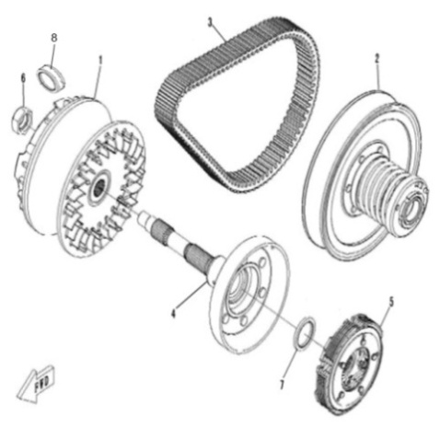
 |  |  | ←→Interchangeable；≠Noninterchangeable；←New for old →old for new
 | CLUTCH | 无级变速部件 | REF. No. | PART NO. | DESCRIPTION | Q'TY | 图号 | PIN
 |  |  | 1 | 35298 | DRIVE ASSY COMP | 1 | 1BE-17650-00
 |  |  | 2 | 35299 | DRIVEN ASSY COMP | 1 | 1BE-17660-00
 |  |  | 2 | 35299a | DRIVEN ASSY COMP (MARK "R1210") | 1 | 1BE-17660-10
 |  |  | 3 | 35297 | V-BELT | 1 | 1BE-17641-00
 |  |  | 4 | 35295 | CLUTCH HOUSING ASSY | 1 | 1BE-17620-00
 |  |  | 5 | 35296 | CLUTCH CARRIER ASSY | 1 | 1BE-17630-00
 |  |  | 6 | 35294 | NUT M20x1.5 | 1 | 1BE-17608-00
 |  |  | 7 | 35293 | OIL SEAL 38×46×4/6, END FACE | 1 | 1BE-17605-00
 |  |  | 8 | 35668 | ROLLER | 8 | 1BE-17632-00

 |  |  | ←→Interchangeable；≠Noninterchangeable；←New for old →old for new
 | TRANSMISSION Ⅰ | 变速部件 | REF. No. | PART NO. | DESCRIPTION | Q'TY | 图号 | PIN
 |  |  | 1 | 35320 | MAIN SHAFT. GEARSHIFT | 1 | 1BE-23551-00
 |  |  | 2 | 35309 | BELL PLUG 12 | 1 | 1BE-23527-00
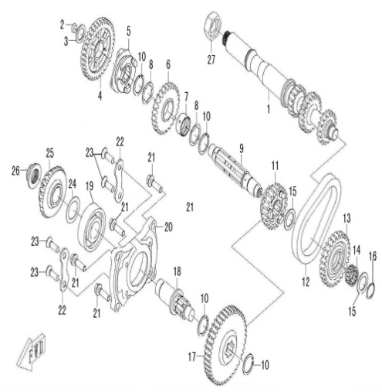
 |  |  | 3 | 35307 | WASHER 17.5×26×1 | 1 | 1BE-23523-00
 |  |  | 4 | 35318 | DRIVEN GEAR, LOW RANGE | 1 | 1BE-23546-00
 |  |  | 5 | 35314 | SLIDING BUSH, GEARSHIFT | 1 | 1BE-23540-00
 |  |  | 6 | 35316 | DRIVEN GEAR, HIGH RANGE | 1 | 1BE-23543-00
 |  |  | 7 | 35317 | BUSHING, DRIVEN HIGH RANGE GEAR | 1 | 1BE-23544-00
 |  |  | 8 | 35310 | SPLINE WASHER | 2 | 1BE-23528-00
 |  |  | 9 | 35315 | DRIVEN SHAFT | 1 | 1BE-23541-00
 |  |  | 10 | 35311 | CIRCLIP 25 | 2 | 1BE-23529-00
 |  |  | 11 | 35308 | DRIVEN OUTPUT GEAR | 1 | 1BE-23526-00
 |  |  | 12 | 35313 | CHAIN, REVERSE GEAR | 1 | 1BE-23537-00
 |  |  | 13 | 35319 | SPROCKET, REVERSE GEAR | 1 | 1BE-23547-00
 |  |  | 14 | 10858 | NEEDLE BEARING K20X26X12 | 1 | BCC3200004
 |  |  | 15 | 35312 | WASHER 20.5×30×1.5 | 2 | 1BE-23534-00
 |  |  | 16 | 24407 | CIRCLIP 20 | 1 | B753020000
 |  |  | 17 | 35271 | OUTPUT DRIVEN GEAR | 1 | 1BE-17401-00
 |  |  | 18 | 35276 | DRIVE BEVEL GEAR SHAFT | 1 | 1BE-17406-00
 |  |  | 19 | 10855 | BEARING 6305C3 | 1 | BCC0100089
 |  |  | 20 | 35274 | BEARING SEAT,DRIVE BEVEL GEAR | 1 | 1BE-17404-00
 |  |  | 21 | 35286 | BOLT M8×28 | 4 | 1BE-17418-00
 |  |  | 22 | 35287 | BEARING LIMIT | 2 | 1BE-17419-00
 |  |  | 23 | 10276 | SCREW M8×25 | 4 | B2AA00825R
 |  |  | 24 | 35277 | ADJUST WASHER, DRIVE BEVEL GEAR | 1 | 1BE-17407-00
 |  |  | 25 | 35272 | DRIVE BEVEL GEAR | 1 | 1BE-17402-00
 |  |  | 26 | 35275 | LOCKNUT, BEVEL GEAR | 1 | 1BE-17405-00
 |  |  | 27 | 35294 | NUT M20x1.5 | 1 | 1BE-17608-00

 |  |  | ←→Interchangeable；≠Noninterchangeable；←New for old →old for new
 | TRANSMISSION Ⅱ | 前、后驱动 | REF. No. | PART NO. | DESCRIPTION | Q'TY | 图号 | PIN
 |  |  | 1 | 35288 | FRONT OUTPUT SHAFT | 1 | 1BE-17461-00
 |  |  | 2 | 10267N | BEARING 6205 | 1 | BCC0100051
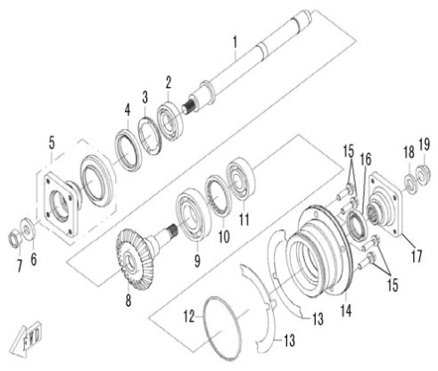
 |  |  | 3 | 35291 | BEARING RETAINER, FRONT OUTPUT SHAFT | 1 | 1BE-17466-00
 |  |  | 4 | 35289 | OIL SEAL 44×60×6.7/10 | 1 | 1BE-17462-00
 |  |  | 5 | 35290 | COUPLER, FRONT TRANSMISSION OUTPUT | 1 | 1BE-17463-00
 |  |  | 6 | 35292 | WASHER,FRONT TRANSMISSON OUTPUT SHAFT NUT | 1 | 1BE-17468-00
 |  |  | 7 | 10837 | NUT M14×1.5-10 | 1 | B5NH61400F
 |  |  | 8 | 35273 | DRIVEN BEVEL GEAR | 1 | 1BE-17403-00
 |  |  | 9 | 10856 | BEARING 6207/P63 | 1 | BCC0100090
 |  |  | 10 | 35282 | BEARING LIMIT NUT | 1 | 1BE-17414-00
 |  |  | 11 | 10848 | BEARING 63/22 | 1 | BCC0100085
 |  |  | 12 | 35279 | O-RING 88×2.4 | 1 | 1BE-17411-00
 |  |  | 13 | 35280 | ADJUST WASHER, DRIVEN BEVEL GEAR | 2 | 1BE-17412-00
 |  |  | 14 | 35278 | BEARING SEAT, DRIVEN BEVEL GEAR | 1 | 1BE-17410-00
 |  |  | 15 | 35286 | BOLT M8×28 | 4 | 1BE-17418-00
 |  |  | 16 | 35281 | OIL SEAL 30×46×7 | 1 | 1BE-17413-00
 |  |  | 17 | 35283 | COUPLER, REAR TRANSMISSION OUTPUT | 1 | 1BE-17415-00
 |  |  | 18 | 35284 | WASHER, REAR OUTPUT SHAFT NUT | 1 | 1BE-17416-00
 |  |  | 19 | 35285 | NUT, REAR OUTPUT SHAFT | 1 | 1BE-17417-00

 |  |  | ←→Interchangeable；≠Noninterchangeable；←New for old →old for new
 | TRANSMISSION Ⅲ | 换档机构 | REF. No. | PART NO. | DESCRIPTION | Q'TY | 图号 | PIN
 |  |  | 1 | 10129 | CIRCLIP 12 | 3 | B753012000
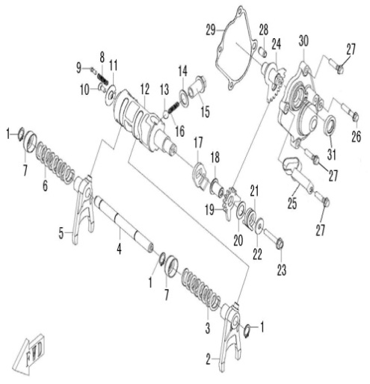
 |  |  | 2 | 35330 | LEFT SHIFT FORK | 1 | 1BE-23581-00
 |  |  | 3 | 35327 | SPRING 1, SHIFT FORK | 1 | 1BE-23577-00
 |  |  | 4 | 35333 | GUIDE BAR | 1 | 1BE-23585-00
 |  |  | 5 | 35329 | RIGHT SHIFT FORK | 1 | 1BE-23579-00
 |  |  | 6 | 35328 | SPRING 2, SHIFT FORK | 1 | 1BE-23578-00
 |  |  | 7 | 35326 | SPRING SEAT | 2 | 1BE-23576-00
 |  |  | 8 | 35322 | SPRING, GEAR CONTACTOR | 1 | 1BE-23572-00
 |  |  | 9 | 35321 | GEAR CONTACTOR | 1 | 1BE-23571-00
 |  |  | 10 | 10135 | SCREW M5×12 | 1 | B2AA00512R
 |  |  | 11 | 35323 | LIMIT WASHER | 1 | 1BE-23573-00
 |  |  | 12 | 35331 | SHIFT CAM | 1 | 1BE-23583-00
 |  |  | 13 | 10842 | FRICTION BALL 3/8 | 1 | B940952500
 |  |  | 14 | 35324 | WASHER 14×22×1 | 1 | 1BE-23574-00
 |  |  | 15 | 35325 | HOLE BOLT M14×1.5 | 1 | 1BE-23575-00
 |  |  | 16 | 35332 | LIMIT SPRING | 1 | 1BE-23584-00
 |  |  | 17 | 35303 | WASHER, DRIVEN SECTOR GEAR | 1 | 1BE-23516-00
 |  |  | 18 | 35302 | SHAFT, DRIVEN SECTOR GEAR | 1 | 1BE-23515-00
 |  |  | 19 | 35301 | DRIVEN SECTOR GEAR | 1 | 1BE-23514-00
 |  |  | 20 | 35304 | WASHER 13.5×22×1 | 1 | 1BE-23517-00
 |  |  | 21 | 35305 | TORSION SPRING, DRIVEN SECTOR GEAR | 1 | 1BE-23518-00
 |  |  | 22 | 35306 | WASHER 6.6×20×2 | 1 | 1BE-23519-00
 |  |  | 23 | 10186 | BOLT M6×35 | 1 | B11L60635R
 |  |  | 24 | 35300 | WELD PART, DRIVE SECTOR GEAR | 1 | 1BE-23511-00
...
 |  |  | ←→Interchangeable；≠Noninterchangeable；←New for old →old for new
 |  |  | 29 | 35241 | GASKET, SECTOR GEAR HOUSING | 1 | 1BE-15432-00
 |  |  | 30 | 35240 | COVER, SECTOR GEAR HOUSING | 1 | 1BE-15431-00
 |  |  | 31 | 35242 | OIL SEAL 15×25×5 | 1 | 1BE-15433-00

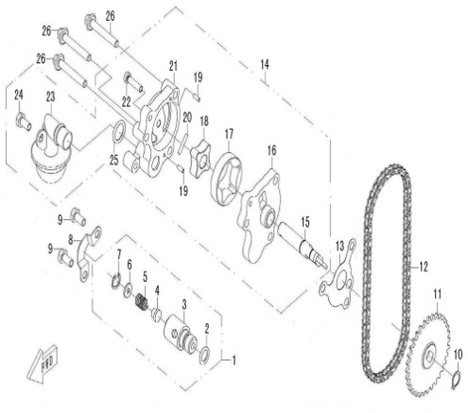
 |  |  | ←→Interchangeable；≠Noninterchangeable；←New for old →old for new
 | OIL PUMP | 机油泵部件 | REF. No. | PART NO. | DESCRIPTION | Q'TY | 图号 | PIN
 |  |  | 1 | 35197 | RELIEF VALVE | 1 | 1BE-13360-00
 |  |  | 2 | 35200 | O-RING 10×2.3 | 1 | 1BE-13363-00
 |  |  | 3 | 35198 | RELIEF VALVE BODY | 1 | 1BE-13361-00
 |  |  | 4 | 35199 | OIL PLUG, RELIEF VALVE | 1 | 1BE-13362-00
 |  |  | 5 | 35201 | SPRING RELIEF VALVE | 1 | 1BE-13364-00
 |  |  | 6 | 35202 | SPRING WASHER | 1 | 1BE-13365-00
 |  |  | 7 | 10838 | CIRCLIP 12 | 1 | B723012000
 |  |  | 8 | 35203 | PRESSURE STRIP,RELIEF VALVE | 1 | 1BE-13371-00
 |  |  | 9 | 10140 | BOLT M6×12 | 2 | B11L60612R
 |  |  | 10 | 10840 | CIRCLIP 11 | 1 | B753011000
 |  |  | 11 | 35191 | SPROCKET, OIL PUMP | 1 | 1BE-13305-00
 |  |  | 12 | 35196 | CHAIN, OIL PUMP | 1 | 1BE-13320-00
 |  |  | 13 | 35206 | GASKET, OIL PUMP | 1 | 1BE-13475-00
 |  |  | 14 | 35195 | OIL PUMP | 1 | 1BE-13310-00
 |  |  | 15 | 35192 | SHAFT, OIL PUMP | 1 | 1BE-13306-00
 |  |  | 16 | 35187 | COVER，OIL PUMP | 1 | 1BE-13301-00
 |  |  | 17 | 35189 | OUTER ROTOR,OIL PUMP | 1 | 1BE-13303-00
 |  |  | 18 | 35190 | INNER ROTOR,OIL PUMP | 1 | 1BE-13304-00
 |  |  | 19 | 35193 | DOWEL PIN | 2 | 1BE-13307-00
 |  |  | 20 | 35194 | STRAIGHT PIN | 1 | 1BE-13308-00
 |  |  | 21 | 35188 | OIL PUMP HOUSING | 1 | 1BE-13302-00
 |  |  | 22 | 10857 | SCREW M5×20 | 1 | B2DL00520R
 |  |  | 23 | 35204 | OIL STRAINER | 1 | 1BE-13411-00
 |  |  | 24 | 10210 | BOLT M6×14 | 1 | B11L00614R
 |  |  | 25 | 35205 | O-RING 14×2.5 | 1 | 1BE-13413-00
 |  |  | 26 | 10177 | BOLT M6×40 | 3 | B11L60640R

 |  |  | ←→Interchangeable；≠Noninterchangeable；←New for old →old for new
 | WATER PUMP | 水泵部件 | REF. No. | PART NO. | DESCRIPTION | Q'TY | 图号 | PIN
 |  |  | 1 | 35179 | WATER PUMP ASSY | 1 | 1BE-12440-00
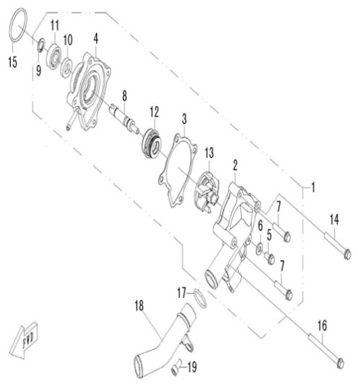
 |  |  | 2 | 35173 | WATER PUMP COVER | 1 | 1BE-12422-00
 |  |  | 3 | 35176 | GASKET | 1 | 1BE-12428-00
 |  |  | 4 | 35172 | WATER PUMP HOUSING | 1 | 1BE-12421-00
 |  |  | 5 | 10140 | BOLT M6×12 | 1 | B11L60612R
 |  |  | 6 | 35108 | WASHER 6 | 1 | 1BE-11188-00
 |  |  | 7 | 10182 | BOLT M6×30 | 2 | B11L60630R
 |  |  | 8 | 35175 | WATER PUMP SHAFT | 1 | 1BE-12426-00
 |  |  | 9 | 10839 | CIRCLIP 10 | 1 | B753010000
 |  |  | 10 | 35177 | OIL SEAL 10×20×5 | 1 | 1BE-12437-00
 |  |  | 11 | 70020 | BEARING 6000 | 1 | BCC0100062
 |  |  | 12 | 35178 | WATER SEAL | 1 | 1BE-12438-00
 |  |  | 13 | 35180 | IMPELLER | 1 | 1BE-12450-00
 |  |  | 14 | 10349 | BOLT M6×50 | 1 | B11L60650R
 |  |  | 15 | 35174 | O-RING 34×2.5 | 1 | 1BE-12425-00
 |  |  | 16 | 10160 | BOLT M6×70 | 1 | B11L60670R
 |  |  | 17 | 35182 | O-RING 21×2.5 | 1 | 1BE-12481-00
 |  |  | 18 | 35181 | WATER OUTLET PIPE | 1 | 1BE-12480-00
 |  |  | 19 | 10831 | SCREW M6×10 | 1 | B22L50610R

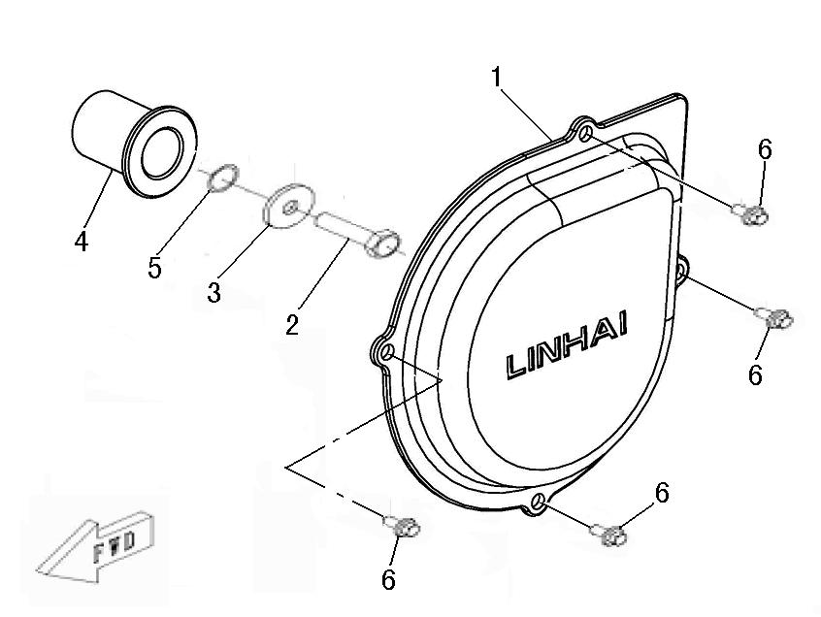
 |  |  | ←→Interchangeable；≠Noninterchangeable；←New for old →old for new
 | LEFT SIDE COVER | 侧盖部件 | REF. No. | PART NO. | DESCRIPTION | Q'TY | 图号 | PIN
 |  |  | 1 | 35270 | LEFT SIDE COVER | 1 | 1BE-15781-00
 |  |  | 2 | 35267 | BOLT M10×1.25×40 | 1 | 1BE-15725-00
 |  |  | 3 | 35268 | WASHER 10.2×32×3 | 1 | 1BE-15726-00
 |  |  | 4 | 35266 | SPLINED SPACER | 1 | 1BE-15722-00
 |  |  | 5 | 35269 | O-RING 16.1×3.2 | 1 | 1BE-15727-00
 |  |  | 6 | 10140 | BOLT M6×12 | 4 | B11L60612R

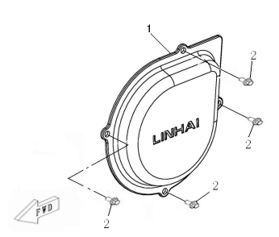
2016 NEW MODEL |  |  | ←→Interchangeable；≠Noninterchangeable；←New for old →old for new
 | LEFT SIDE COVER | 侧盖部件 | REF. No. | PART NO. | DESCRIPTION | Q'TY | 图号 | PIN
 |  |  | 1 | 35270 | LEFT SIDE COVER | 1 | 1BE-15781-00
 |  |  | 2 | 10140 | BOLT M6×12 | 4 | B11L60612R

 |  |  | ←→Interchangeable；≠Noninterchangeable；←New for old →old for new
FUEL INJECTION ASSY |  | 进气喷油部件 | REF. No. | PART NO. | DESCRIPTION | Q'TY | 图号 | PIN
 |  |  | 1 | 35207 | O-RING 40x2.4 | 1 | 1BE-13554-00
 |  |  | 2 | 35744 | JOINT, CARBURETOR | 1 | 1BK-13586-00
...
*
*
*
*
*
*
*
*
*
*
*
*
*
*
*
*
*
*
*
 |  |  | ←→Interchangeable；≠Noninterchangeable；←New for old →old for new
 |  |  | REF. No. | PART NO. | DESCRIPTION | Q'TY | 图号 | PIN | I/C
 |  |  | 1 | 36013 | PIPE A (OLD MODEL) | 1 | 4BB-12713-00
 |  |  | 2 | 36012 | PIPE B (OLD MODEL) | 1 | 4BB-12712-00
 |  |  | 3 | 35379 | DRAIN PLUG | 2 | 1AA-12704-00
 |  |  | 4 | 29850 | OIL RADIATOR | 1 | 1DB-1276A-00 |  | ←→
 |  |  | 5 | 35341 | WASHER | 4 | 1DB-12705-00
 |  |  | 6 | 10774 | CLAMP 12/20 | 2 | BHG1200005
 |  |  | 7 | 10836 | NUT 6 | 4 | B53A00600R
 |  |  | 8 | 35183 | JOUNT A | 1 | 1BE-12710-00
 |  |  | 9 | 35186 | JOUNT B | 1 | 1BE-12720-00
...
 |  |  | ←→Interchangeable；≠Noninterchangeable；←New for old →old for new
 |  |  | 16 | 36176 | PIPE D（190mm） | 1 | 4BB-12715-10
 |  |  | 17 | 10183W | BOLT M6×16 | 2 | B11A20616R
 |  |  | 18 | 10011 | WASHER 6 | 2 | B622306000

*
*
*
*
*
*
*
*
*
*
*
*
*
*
*
*
*
*
*
 |  |  | ←→Interchangeable；≠Noninterchangeable；←New for old →old for new
 |  |  | REF. No. | PART NO. | DESCRIPTION | Q'TY | 图号 | PIN | I/C
 |  |  | 1 | 35670 | CLAMP 80 | 6 | 1DA-15448-00
 |  |  | 2 | 35346 | RUBBER JOINT AIR SHROUD 1，CVT | 1 | 4AV-10001-00
 |  |  | 3 | 36002 | AIR SHROUD 1，CVT | 1 | 4BB-10002-00
 |  |  | 4 | 35348 | RUBBER JOINT AIR SHROUD 2，CVT | 1 | 4AV-10003-00
 |  |  | 5 | 36004 | AIR SHROUD 2，CVT | 1 | 4BB-10004-00
 |  |  | 6 | 36007 | RUBBER JOINT AIR SHROUD 3，CVT | 1 | 4BB-10007-00
 |  |  | 7 | 36005 | AIR SHROUD 1，CVT CLAMPING BAND | 1 | 4BB-10005-00
 |  |  | 8 | 36006 | AIR SHROUD 2，CVT CLAMPING BAND | 1 | 4BB-10006-00
 |  |  | 9 | 36003 | RUBBER JOINT AIR SHROUD 4，CVT | 1 | 4BB-10003-00
...
 |  |  | ←→Interchangeable；≠Noninterchangeable；←New for old →old for new
 |  |  | 14 | 35800 | EXHAUST PIPE | 1 | 4BB-14621-40
 |  |  | 15 | 36211 | SAFETY GUARD | 1 | 4BB-14604-00
 |  |  | 16 | 10110 | BOLT M6X20 | 2 | B11L30620R
 |  |  | 17 | 10011 | WASHER PLATE 6 | 2 | B611006020

*
*
*
*
*
*
*
*
*
*
*
*
*
*
*
*
*
*
*
 |  |  | ←→Interchangeable；≠Noninterchangeable；←New for old →old for new
 |  |  | REF. No. | PART NO. | DESCRIPTION | Q'TY | 图号 | PIN | I/C
 |  |  | 1 | 36008 | RADIATOR | 1 | 4BB-12401-00
 |  |  | 2 | 10103 | NUT M6 | 4 | GB/T6177
 |  |  | 3 | 22919 | THERMOSTAT SWITCH ASSY | 1 | 170M.11.4
 |  |  | 4 | 22907a | SAFETY VALVE | 1 | 170M.11.1
 |  |  | 5 | 10140 | BOLT M6X12 | 2 | GB/T16674.1
 |  |  | 6 | 70340 | TANK RECOVERY | 1 | LH520ATV.16.2-1
 |  |  | 7 | 36055 | PIPE,SAFETY VALVE | 1 | 4BB-21813-00
 |  |  | 8 | 70338 | COVER,TANK RECOVERY | 1 | LH520ATV.16.2.1-1
 |  |  | 9 | 70339 | WASHER,TANK RECOVERY | 1 | LH520ATV.16.2.1-2
...

