Sheet1
 | PARTS MANUAL

 |  |  |  |  |  | LINHAI M550L EFI

 |  |  |  | ←→Interchangeable；≠Noninterchangeable；←New for old →old for new

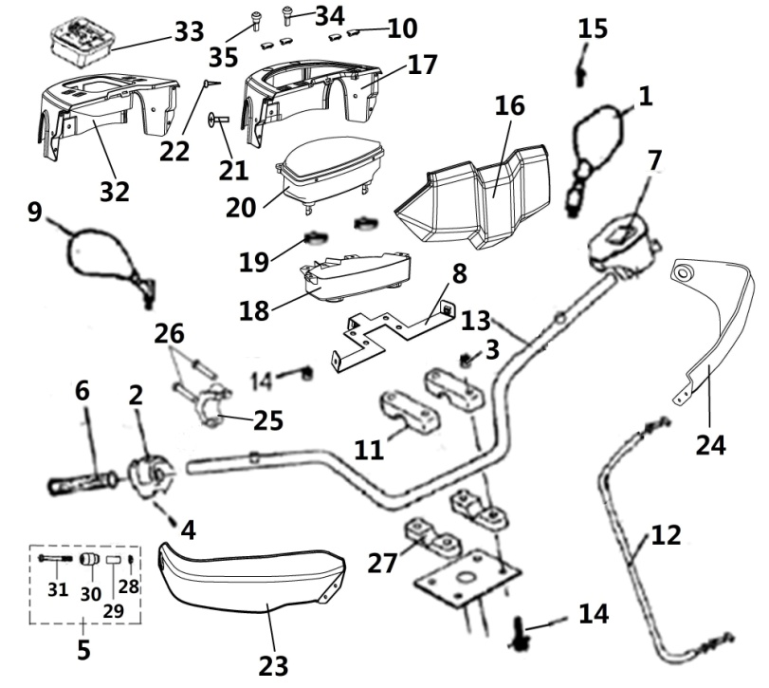
 | 1 HANDLEBAR |  | 2016.3.12修改图片 | REF. No. | PART No. | DESCRIPTION | Q'TY | PIN | I/C
 |  |  |  | 1 | 36101 | REAR VIEW MIRROR LEFT（ ONLY FOR EUROPE）(MARK L-E9-00.1145) | 1
 |  |  |  | 2 | 36402 | THROTTLE CONTROL | 1
 |  |  |  | 3 | 10079 | NUT M8 | 9
 |  |  |  | 4 | 10140B | BOLT M6X12 | 1
 |  |  |  | 5 | 25624 | NEW GUARD,HANDLEBAR END ASSY.（MATCH WITH NEW HANDLEBAR) | 2
 |  |  |  | 6 | 35727 | GRIP | 2
 |  |  |  | 7 | 36401 | SWITCH ASSY（FOR EUROPE） | 1
 |  |  |  | 8 | 36020 | SPEEDOMETER BRACKET | 1
 |  |  |  | 9 | 36103 | REAR VIEW MIRROR RIGHT（ ONLY FOR EUROPE）(MARK R-E9-00.1145) | 1
 |  |  |  | 10 | 25010 | SPEEDOMETER COVER CAP（FOR EUROPE） | 4
 |  |  |  | 11 | 20112a | HANDLEBAR CLAMP | 2
 |  |  |  | 12 | 36423 | THROTTLE CABLE | 1
 |  |  |  | 13 | 36099 | HANDLEBAR (NEW MODEL)(MATCH WITH NEW GUARD,HANDLEBAR END ASSY.) | 1
 |  |  |  | 14 | 10531 | BOLT M8X72 | 4
 |  |  |  | 15 | 25013 | SCREW M6X12 | 2
 |  |  | ` | 16 | 36116 | FRONT SPEEDOMETER COVER | 1
 |  |  |  | 17 | 36117 | REAR SPEEDOMETER COVER | 1
 |  |  |  | 18 | 36115 | HANDLEBAR COVER RIGHT | 1
 |  |  |  | 19 | 22351 | RUBBER WASHER | 2
 |  |  |  | 20 | 36403 | LCD SPEEDOMETER，EFI,BIGGER | 1
 |  |  |  | 21 | 10420 | SCREW M6X16 | 12
 |  |  |  | 22 | 10520 | SCREW ST4.8X12 | 4
 |  |  |  | 23 | 36109 | HANDLEBAR COVER RIGHT | 1
 |  |  |  | 24 | 36108 | HANDLEBAR COVER LEFT | 1
 |  |  |  | 25 | 25526 | DOWN HOLDER,REAR VIEW MIRROR | 1
 |  |  |  | 26 | 10008 | BOLT M6X20 | 2
 |  |  |  | 27 | 70703 | HANDLEBAR DOWN CLAMP | 2
 |  |  |  | 28 | 10913 | NUT M6 | 2
 |  |  |  | 29 | 72035 | TENSIONING BLOCK | 2
 |  |  |  | 30 | 72036 | BALANCE WEIGHT | 2
 |  |  |  | 31 | 10940 | SCREW M6X70 | 2
 |  |  |  | 32 | 36114 | Small instrument cover | 1
 |  |  |  | 33 | 36400 | LCD SPEEDOMETER，EFI,SMALLER. OPTIONS | 1
 |  |  |  | 34 | 73329 | A key function
 |  |  |  | 35 | 36153 | The two key function

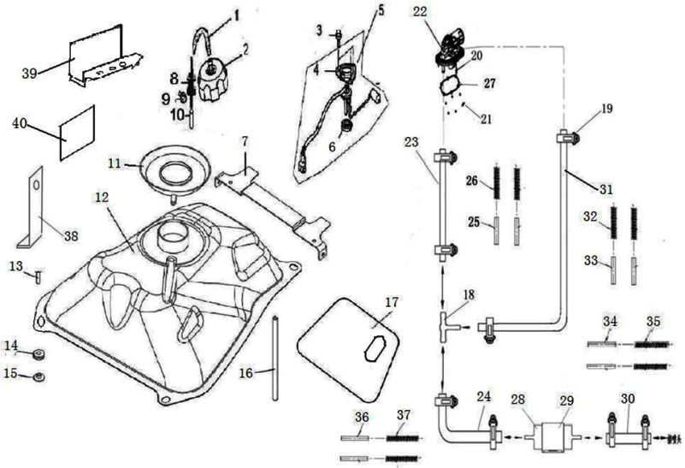
 |  |  |  | ←→Interchangeable；≠Noninterchangeable；←New for old →old for new
 |  | 2 FUEL TANK （FOR EUROPE） |  | REF. No. | PART NO. | DESCRIPTION | Q'TY | PIN | I/C
 |  |  |  | 1 | 28095 | TUBE,FUEL CAP BREATHER | 1
 |  |  |  | 2 | 70725 | FUEL CAP | 1
 |  |  |  | 3 | 10183 | BOLT M6X16 | 4
 |  |  |  | 4 | 35085 | PLATE，UNIT SET | 1
 |  |  |  | 5 | 36134 | FUEL UNIT SET ASSY | 1
 |  |  |  | 6 | 35086 | GASKET，BASE | 1
 |  |  |  | 7 | 36023 | MOUNTING BRACKET, SEAT | 1
 |  |  |  | 8 | 25037 | VALVE,TANK，FUEL | 1
 |  |  |  | 9 | 10820 | BOLT M5X10 | 1
 |  |  |  | 10 | 70734 | TUBE | 1
 |  |  |  | 11 | 36078 | The oil spill | 1
 |  |  |  | 12 | 36061 | FUEL TANK | 1
 |  |  |  | 13 | 10110 | BOLT M6X20 | 4
 |  |  |  | 14 | 36064 | Fuel tank buffer sleeve | 4
 |  |  |  | 15 | 36065 | Fuel tank buffer sleeve | 4
 |  |  |  | 16 | 35501 | Vent pipe | 1
 |  |  |  | 17 | 36063 | FUEL TANK ADIABATIC PELLICLE | 1
 |  |  |  | 18 | 70852 | THREE WAY | 1
 |  |  |  | 19 | 71658 | HOSE CLAMPS 8/14 | 8
 |  |  |  | 20 | 10201 | SCREW M5X16 | 6
 |  |  |  | 21 | 10931 | WASHER 5 | 6
 |  |  |  | 22 | 71428 | VALVE,TANK，FUEL | 1
 |  |  |  | 23 | 36067 | Oil pump outlet pipe | 1
 |  |  |  | 24 | 36068 | Connecting tubing 1 | 1
 |  |  |  | 25 | 36071 | Oil pipe insulation film | 1
 |  |  |  | 26 | 36075 | Oil pipe protective sleeve | 1
 |  |  |  | 27 | 71647 | CUSHION, FUEL TANK CAP(USED FOR EUROPE) | 1
 |  |  |  | 28 | 70842 | FUEL FILTER | 1
 |  |  |  | 29 | 70845 | FUEL FILTER INSTALLATION | 1
 |  |  |  | 30 | 36069 | Connecting tubing 2 | 1
 |  |  |  | 31 | 36066 | Oil pump return pipe | 1
 |  |  |  | 32 | 36074 | Return oil pipe protective sleeve | 1
 |  |  |  | 33 | 36070 | Return oil pipe insulation film | 1
 |  |  |  | 34 | 36073 | Connecting pipe 2 insulation film | 1
 |  |  |  | 35 | 36077 | Connecting pipe 2 protection sleeve | 1
 |  |  |  | 36 | 36072 | Connecting pipe 1 insulation film | 1
 |  |  |  | 37 | 36076 | Connecting pipe 1 protection sleeve | 1
 |  |  |  | 38 | 36142 | Filter mounting insert | 1
 |  |  |  | 39 | 36152 | Oil pump protection plate | 2
 |  |  |  | 40 | 36019 | Oil pump protective plate heat insulation film | 2

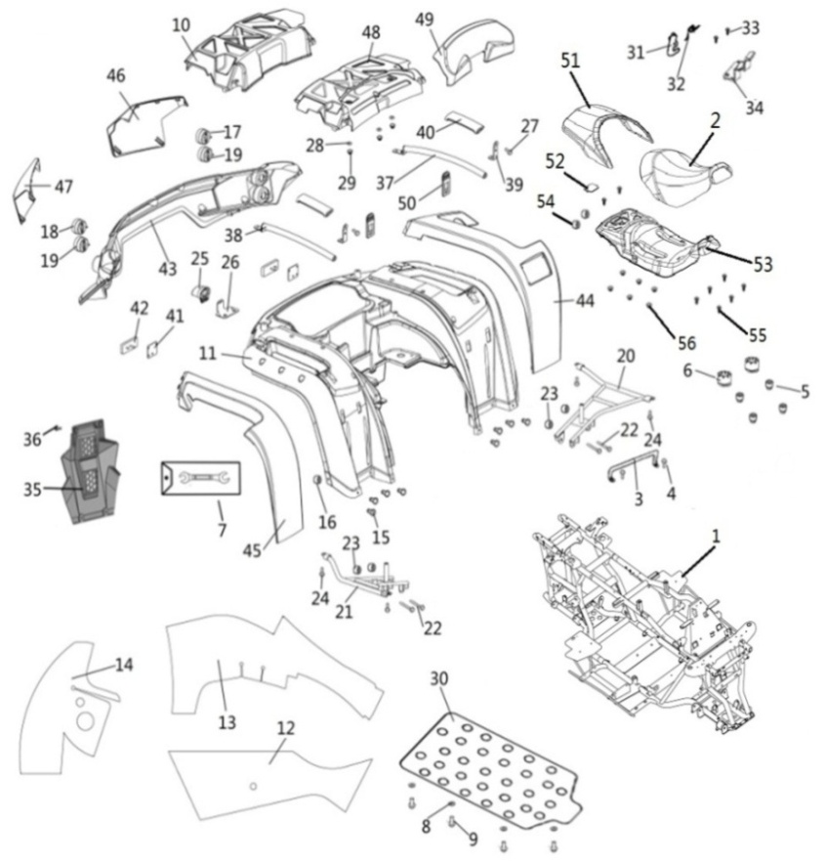
 |  |  |  | ←→Interchangeable；≠Noninterchangeable；←New for old →old for new
 | 3 REAR FENDERS |  |  | REF. No. | PART No. | DESCRIPTION | Q'TY | PIN | I/C
 |  |  |  | 1 | 36407 | Frame welding assembly | 1
 |  |  |  | 2 | 36412 | FRONT SEAT | 1
 |  |  |  | 3 | 36081 | LATCH ASSEMBLY | 1
 |  |  |  | 4 | 10110 | SCREW M6X20 | 2
 |  |  |  | 5 | 25042 | RUBBER，SEAT SETTING 1 | 4
 |  |  |  | 6 | 70445 | RUBBER ，SEAT SETTING 2 | 2
 |  |  |  | 7 | 25044 | TOOL | 1
 |  |  |  | 8 | 20331 | WASHER 6 | 8
 |  |  |  | 9 | 10191 | BOLT M6X18 | 8
 |  |  |  | 10 | 36042 | TOOL BOX CAP | 1
 |  |  |  | 11 | 36036 | REAR FENDER | 1
 |  |  |  | 12 | 36408 | FOOTREST RIGHT ADIABATIC PELLICLE | 1
 |  |  |  | 13 | 36045 | REAR MUD ADIABATIC PELLICLE 1 | 1
 |  |  |  | 14 | 36046 | REAR MUD ADIABATIC PELLICLE 2 | 1
 |  |  |  | 15 | 10420 | SCREW M6X16 | 12
 |  |  |  | 16 | 10103 | NUT 6 | 12
 |  |  |  | 17 | 36125 | LEFT REAR INDICATION LIGHT | 1
 |  |  |  | 18 | 36127 | RIGHT REAR INDICATION LIGHT | 1
 |  |  |  | 19 | 36132 | TAILLIGHT | 1
 |  |  |  | 20 | 36416 | TRESTLE LEFT | 1
 |  |  |  | 21 | 36417 | TRESTLE RIGHT | 1
 |  |  |  | 22 | 25056 | BOLT M8X70 | 4
 |  |  |  | 23 | 10067 | NUT 8 | 4
 |  |  |  | 24 | 10055 | BOLT M8X45 | 4
 |  |  |  | 25 | 36131 | LICENSE LIGHT
 |  |  |  | 26 | 36430 | License plate lamp mounting plate
 |  |  |  | 27 | 10140 | BOLT M6X12 | 2
 |  |  |  | 28 | 10006 | WASHER 6 | 2
 |  |  |  | 29 | 10004 | NUT 6 | 2
 |  |  |  | 30 | 36427 | PLASTIC PLANT | 1
 |  |  |  | 31 | 70788 | HOOK BRACKET，SEAT LOCK | 1
 |  |  |  | 32 | 70802 | SPRING | 1
 |  |  |  | 33 | 10178 | SCREW ST4.2X13 | 25
 |  |  |  | 34 | 70809 | Cushion plate | 1
 |  |  |  | 35 | 35498 | REAR DECORATION COVER | 1
 |  |  |  | 36 | 10140 | BOLT M6X12 | 4
 |  |  |  | 37 | 36088 | Left rear arm assembly | 1
 |  |  |  | 38 | 36089 | Right rear arm tube assembly | 1
 |  |  |  | 39 | 36090 | Connecting plate of arm tube | 2
 |  |  |  | 40 | 36083 | Arm rubber sleeve | 2
 |  |  |  | 41 | 36018 | Rear reflector mounting plate | 2
 |  |  |  | 42 | 40319 | Rear reflector | 2
 |  |  |  | 43 | 36041 | Rear light frame | 1
 |  |  |  | 44 | 36037 | Rear left trim cover 1 | 1
 |  |  |  | 45 | 36038 | Rear right trim cover 1 | 1
 |  |  |  | 46 | 36039 | Rear left trim cover 2 | 1
 |  |  |  | 47 | 36040 | Rear right trim cover 2 | 1
 |  |  |  | 48 | 36043 | Back tool box cover | 1
 |  |  |  | 49 | 36080 | Short back | 1
 |  |  |  | 50 | 36082 | Toolbox lock | 2
 |  |  |  | 51 | 36413 | REAR SEAT | 1
 |  |  |  | 52 | 36414 | LITTLE COVER | 1
 |  |  |  | 53 | 36415 | SEAT COVER | 1
 |  |  |  | 54 | 10913 | NUT 6 | 2
 |  |  |  | 55 | 10140 | BOLT M6X12 | 8
 |  |  |  | 56 | 70960 |  | 6

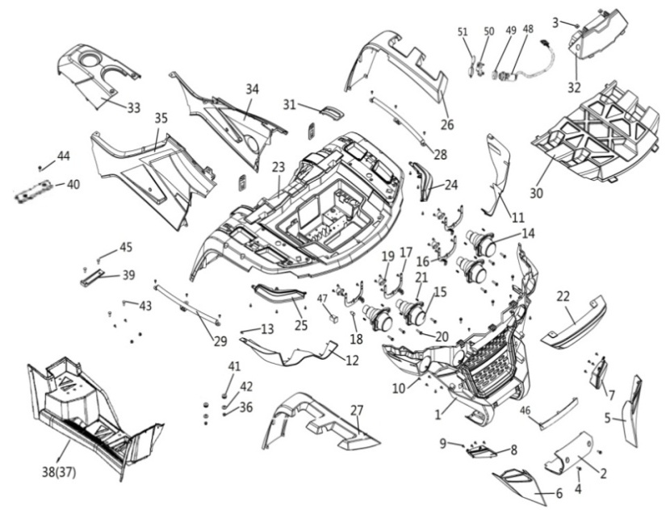
 |  |  |  | ←→Interchangeable；≠Noninterchangeable；←New for old →old for new
 |  | 4 FRONT BODY＆FRAM |  | REF. No. | PART NO. | DESCRIPTION | Q'TY | PIN | I/C
 |  |  |  | 1 | 36024 | Front ventilation grid | 1
 |  |  |  | 2 | 36025 | Tractor cover plate | 1
 |  |  |  | 3 | 70960 | Flexible mounting nut | 20
 |  |  |  | 4 | 10183 | BOLT M6X16 | 13
 |  |  |  | 5 | 36026 | Front lower left decorative cover | 1
 |  |  |  | 6 | 36027 | Front lower right decorative cover | 1
 |  |  |  | 7 | 36129 | The front left Rihang lamp | 1
 |  |  |  | 8 | 36130 | The front right Rihang lamp | 1
 |  |  |  | 9 | 10178 | SCREW ST4.8X13 | 12
 |  |  |  | 10 | 10009 | SCREW ST4.8X16 | 48
 |  |  |  | 11 | 36028 | Left front headlight frame | 1
 |  |  |  | 12 | 36029 | Right front headlight frame | 1
 |  |  |  | 13 | 10178 | SCREW ST4.2X13 | 2
 |  |  |  | 14 | 27455 | HIGH BEAM | 2
 |  |  |  | 15 | 27456 | DIPPED HEADLIGHT | 2
 |  |  |  | 16 | 36058 | Left headlight bracket assembly | 2
 |  |  |  | 17 | 36059 | Right headlight bracket assembly | 2
 |  |  |  | 18 | 71927 | FRONT INDICATOR LIGHT BULB 12V 10W（ONLY FOR EUROPE）（YELLOW） | 4
 |  |  |  | 19 | 27371 | BALL JOINT，HEADLIGHT | 4
 |  |  |  | 20 | 27372 | ADJUSTMENT BOLT，HEADLIGHT | 8
 |  |  |  | 21 | 27373 | SPRING | 8
 |  |  |  | 22 | 36030 | Front decorative cover | 1
 |  |  |  | 23 | 36031 | Front cover | 1
 |  |  |  | 24 | 36124 | FRONT INDICATOR LIGHT L（ONLY FOR EUROPE） | 1
 |  |  |  | 25 | 36126 | FRONT INDICATOR LIGHT R（ONLY FOR EUROPE） | 1
 |  |  |  | 26 | 36032 | Front left trim cover | 1
 |  |  |  | 27 | 36033 | Front right trim cover | 1
 |  |  |  | 28 | 36091 | The front cover of the left supporting tube assembly | 1
 |  |  |  | 29 | 36092 | The front cover of the right supporting tube assembly | 1
 |  |  |  | 30 | 36034 | Front tool box cover | 1
 |  |  |  | 31 | 36110 | Shift gear cover plate | 1
 |  |  |  | 32 | 36047 | Front cover of fuel tank | 1
 |  |  |  | 33 | 36048 | TOP cover of fuel tank | 1
 |  |  |  | 34 | 36409 | SIDE COVER L | 1
 |  |  |  | 35 | 36410 | SIDE COVER R | 1
 |  |  |  | 36 | 1004 | NUT 6 | 30
 |  |  |  | 37 | 36425 | FOOTREST LEFT | 1
 |  |  |  | 38 | 36426 | FOOTREST RIGHT | 1
 |  |  |  | 39 | 70336 | STEP | 4
 |  |  |  | 40 | 70300 | RUBBER WASHER | 4
 |  |  |  | 41 | 36064 | Fuel tank buffer sleeve | 10
 |  |  |  | 42 | 36065 | Fuel tank buffer sleeve | 10
 |  |  |  | 43 | 10420 | SCREW M6X30 | 34
 |  |  |  | 44 | 10110 | BOLT M6X20 | 4
 |  |  |  | 45 | 10177 | BOLT M6X40 | 4
 |  |  |  | 46 | 36035 | Front trim panel | 1
 |  |  |  | 47 | 25608 | RUBBER COVER | 6
 |  |  |  | 48 | 27457 | IGNITION SWITCH WITH KEY（USED FOR WATERPROOF) | 1
 |  |  |  | 49 | 25004 | THREADED NUT | 1
 |  |  |  | 50 | 25003 | KEY BLANK | 1
 |  |  |  | 51 | 27257 | IGNITION SWITCH COVER | 1

*
*
*
*
*
*
*
*
*
*
*
*
*
*
*
*
*
*
*
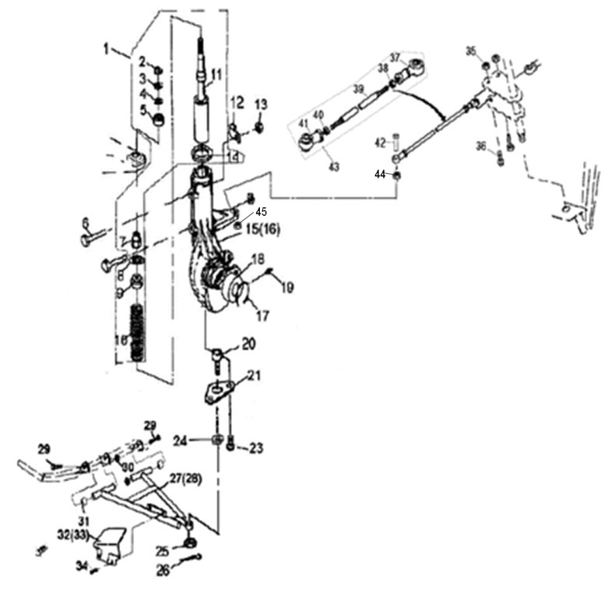
 |  |  |  | ←→Interchangeable；≠Noninterchangeable；←New for old →old for new
 | 5 SHOCK ABSORBER FRONT |  |  | REF. No. | PART NO. | DESCRIPTION | Q'TY | PIN | I/C
 |  |  |  | 1 | 35015 | FRONT SHOCK ABSORBER ASSEMBLY | 2
 |  |  |  | 2 | 10091 | NUT M14X1.5 | 2
 |  |  |  | 3 | 21802 | WASHR 14 | 2
 |  |  |  | 4 | 21803 | SPACER RUBBER | 2
 |  |  |  | 5 | 21804 | UPPER PIVOT BALL | 2
 |  |  |  | 6 | 10093 | BOLT M8X55 | 4
 |  |  |  | 7 | 21806 | NUT M14X1.5 | 2
 |  |  |  | 8 | 21807 | LOWER PIVOT BALL | 2
 |  |  |  | 9 | 21808 | SPRING RETAINER | 2
 |  |  |  | 10 | 26909 | SPRING | 2
 |  |  |  | 11 | 26908 | STRUT BUMPER | 2
 |  |  |  | 12 | 32104 | CLAMP | 2
 |  |  |  | 13 | 10079 | NUT M8 | 4
 |  |  |  | 14 | 21813 | SPRING RETAINER | 2
 |  |  |  | 15 | 35019 | STRUT BODY LEFT | 1
 |  |  |  | 16 | 35016 | STRUT BODY RIGHT | 1
 |  |  |  | 17 | 26912 | CIRCLIP | 2
 |  |  |  | 18 | 26913 | BEARING | 2
 |  |  |  | 19 | 27074 | GREASE FITTING | 2
 |  |  |  | 20 | 20512 | BALL JOINT STUD | 2
 |  |  |  | 21 | 20513 | BALL JOINT MOUNTING BRACKET | 2
 |  |  |  | 23 | 10022 | BOLT M6X12 | 4
 |  |  |  | 24 | 10019 | WASHER | 2
 |  |  |  | 25 | 27067 | NUT M10X1.25 | 2
 |  |  |  | 26 | 10501 | COTTER PIN 2.5X25 | 2
 |  |  |  | 27 | 20518F | A-ARM LEFT | 1
 |  |  |  | 28 | 20627F | A-ARM RIGHT | 1
 |  |  |  | 29 | 27077 | A-ARM PIVOT SHAFT | 2
 |  |  |  | 30 | 10136 | NUT M12X1.25 | 4
 |  |  |  | 31 | 20524f | BUSHING | 4
 |  |  |  | 32 | 20519 | A - ARM SHIELD LEFT | 1
 |  |  |  | 33 | 20628 | A - ARM SHIELD RIGHT | 1
 |  |  |  | 34 | 10001 | SCREW M5X12 | 4
 |  |  |  | 35 | 10015 | NUT M10X1.25 | 2
 |  |  |  | 36 | 10016 | BOLT M10X1.25X55 | 2
 |  |  |  | 37 | 20503 | TIE ROD END A | 2
 |  |  |  | 38 | 10017 | JAM NUT(RIGHT) | 2
 |  |  |  | 39 | 36147 | TIE ROD(NEW MODEL) | 2
 |  |  |  | 40 | 20506 | JAM NUT(LEFT) | 2
 |  |  |  | 41 | 20507 | TIE ROD END B | 2
 |  |  |  | 42 | 35722 | BOLT | 2
 |  |  |  | 43 | 36146 | TIE ROD ASSY(NEW MODEL) | 2
 |  |  |  | 44 | 35017 | FRONT T TYPE | 1
 |  |  |  | 45 | 35018 | DOWN T TYPE | 1

*
*
*
*
*
*
*
*
*
*
*
*
*
*
*
*
*
*
*
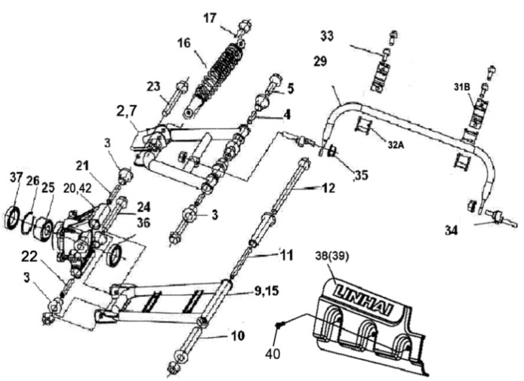
 |  |  |  | ←→Interchangeable；≠Noninterchangeable；←New for old →old for new
 | 6. REAR ARM |  |  | REF. No. | PART NO. | DESCRIPTION | Q'TY | PIN | I/C
 |  |  |  | 2 | 27324 | ARM ,L.RR | 1
 |  |  |  | 3 | 70682 | BUSH 1， ARM ,R.RR | 16
 |  |  |  | 4 | 70683 | COLLAR | 4
 |  |  |  | 5 | 70684 | BOLT M10X1.25X80 | 4
 |  |  |  | 7 | 27325 | ARM ,R.RR | 1
 |  |  |  | 9 | 27326 | ARM SET,L.RR | 1
 |  |  |  | 10 | 70665 | BUSH 2， ARM ,R.RR | 4
 |  |  |  | 11 | 70687 | COLLAR,ARM | 2
 |  |  |  | 12 | 70688 | BOLT M10M1.25M230 | 2
 |  |  |  | 15 | 27327 | ARM SET,R.RR | 1
 |  |  |  | 16 | 36411 | SHOCK ABSORBER ,RR | 2
 |  |  |  | 17 | 70012 | BOLT M10X1.25X52 | 4
 |  |  |  | 20 | 36136 | KNUCKLE, L.RR（CAST STEEL） | 1 |  | ←
 |  |  |  | 21 | 70692 | COLLAR,RR.KNUCKLE,(UPPER) | 2
 |  |  |  | 22 | 70693 | COLLAR,RR.KNUCKLE,(LOWER) | 2
 |  |  |  | 23 | 70694 | BOL,TKNUCKLE,(UPPER) | 2
 |  |  |  | 24 | 70695 | BOL,TKNUCKLE,(LOWER) | 2
 |  |  |  | 25 | 70674 | BEARING AU0712 | 2
 |  |  |  | 26 | 70055 | CIRCLIP 58 | 2
 |  |  |  | 29 | 35385 | SPRING,RR.STABILIZER | 1
 |  |  |  | 31B | 35715 | HOLDER,STABILIZER BUSH (NEW MODEL) | 2 |  | ←
 |  |  |  | 32A | 72018 | BUSH,RR.STABILIZER (NEW MODEL) | 2 |  | ←
 |  |  |  | 33 | 10081 | BOLT M8X20 | 4
 |  |  |  | 34 | 70699 | LINK,RR. STABILIZER | 2
 |  |  |  | 35 | 10015 | NUT M10X1.25 | 18
 |  |  |  | 36 | 70675 | SEAL 61.5 43 11 | 2
 |  |  |  | 37 | 70676 | SEAL 58 41.2 11 | 2
 |  |  |  | 38 | 70977 | ARM PROTECT, L | 1
 |  |  |  | 39 | 70976 | ARM PROTECT, R | 1
 |  |  |  | 40 | 10001 | BOLT M5x12 | 6
 |  |  |  | 42 | 36135 | KNUCKLE, R.RR（CAST STEEL） | 1 |  | ←

*
*
*
*
*
*
*
*
*
*
*
*
*
*
*
*
*
*
*
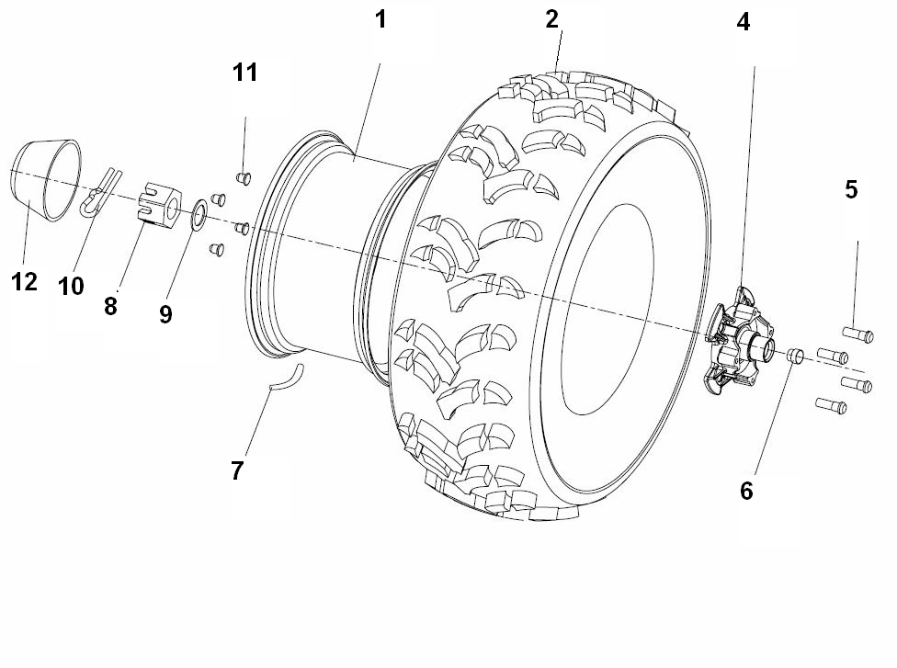
 |  |  |  | ←→Interchangeable；≠Noninterchangeable；←New for old →old for new
 | 7 WHEEL FRONT |  |  | REF. No. | PART NO. | DESCRIPTION | Q'TY | PIN | I/C
 |  |  |  | 1A | 35508 | WHEEL SUB-ASSY，FR(ALUMINIUM)（FRANCE） | 2
 |  |  |  | 1B | 35723 | WHEEL SUB-ASSY，FR(ALUMINIUM) | 2
 |  |  |  | 1C | 36154 | WHEEL SUB-ASSY，FR(ALUMINIUM) | 2
 |  |  |  | 1 | 27330 | WHEEL SUB-ASSY，FR(IRON)（FRANCE）（SIMPLE） | 2
 |  |  |  | 2 | 27319t | TIRE FRONT AT25X8-12 6PR（WANDA） | 2
 |  |  |  | 2 | 35509 | TIRE FRONT AT25X8-12 43J（WANDA）(E4-75R-0006366) | 2
 |  |  |  | 2 | 27615 | TIRE FRONT AT25X8-12 47F（WANDA）(E4-75R-0008830) | 2
 |  |  |  | 4 | 27285 | HUB ASSY SHRT | 2
 |  |  |  | 5 | 70714 | BOLT M12X1.25 | 16
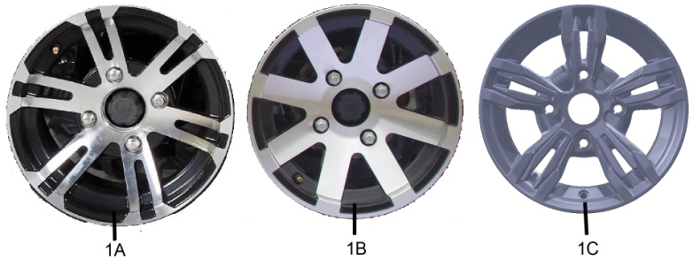
 |  |  |  | 6 | 70718 | SEAL | 2
 |  |  |  | 7 | 20807 | VALVE，RIM（TR412） | 4
 |  |  |  | 8 | 70721 | BOLT SLOTTED | 4
 |  |  |  | 9 | 70722 | WASHER | 2
 |  |  |  | 10 | 26267 | PIN 4X32 | 2
 |  |  |  | 11 | 27411 | NUT，WHEEL | 8
 |  |  |  | 12 | 70717 | CAP，WHEEL CENTER | 2

*
*
*
*
*
*
*
*
*
*
*
*
*
*
*
*
*
*
*
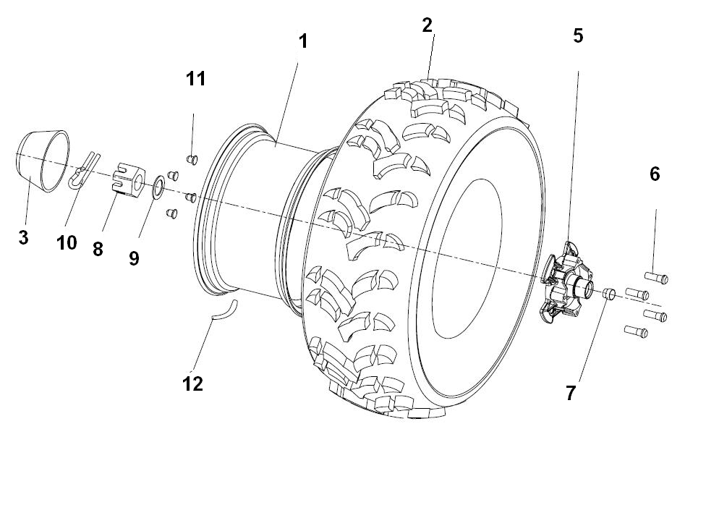
*
*
*
*
 |  |  |  | ←→Interchangeable；≠Noninterchangeable；←New for old →old for new
 | 8 WHEEL REAR |  |  | REF. No. | PART NO. | DESCRIPTION | Q'TY | PIN | I/C
 |  |  |  | 1A | 35510 | WHEEL SUB-ASSY，RR(ALUMINIUM)（FRANCE） | 2
 |  |  |  | 1B | 35717 | WHEEL SUB-ASSY，RR(ALUMINIUM) | 2
 |  |  |  | 1C | 36155 | WHEEL SUB-ASSY，RR(ALUMINIUM) | 2
*
*
*
*
 |  |  |  | 1 | 27331 | WHEEL SUB-ASSY，RR(IRON)（FRANCE）（SIMPLE） | 2
 |  |  |  | 2 | 35006 | TIRE，RR AT25X10-12 6PR（WANDA） | 2
 |  |  |  | 2 | 35511 | TIRE，RR AT25X10-12 50J（WANDA）(E4-75R-0006367) | 2
 |  |  |  | 2 | 27618 | TIRE，RR AT25X10-12 65F（WANDA）(E4-75R-0008831) | 2
 |  |  |  | 3 | 70717 | CAP，WHEEL CENTER | 2
 |  |  |  | 5 | 70719 | HUB，RR WHEEL | 2
 |  |  |  | 6 | 70714 | BOLT M12X1.25 | 16
 |  |  |  | 7 | 70718 | SEAL | 4
 |  |  |  | 8 | 70721 | BOLT SLOTTED | 2
 |  |  |  | 9 | 70722 | WASHER | 2
 |  |  |  | 10 | 26267 | PIN 4X32 | 2
 |  |  |  | 11 | 27411 | NUT，WHEEL | 8
 |  |  |  | 12 | 20807 | VALVE，RIM（TR412） | 4

*
*
*
*
*
*
*
*
*
*
*
*
*
*
*
*
*
*
*
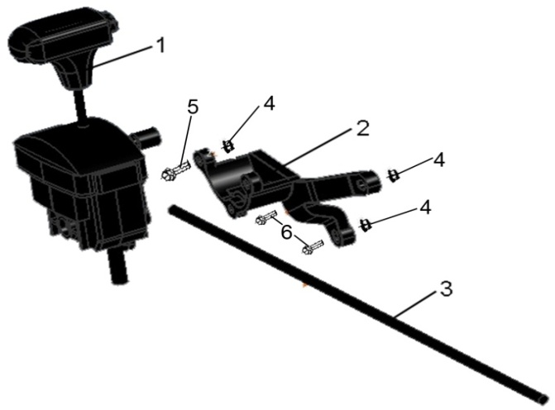
 |  |  |  | ←→Interchangeable；≠Noninterchangeable；←New for old →old for new
 | 9 SHIFT ROD |  |  | REF. No. | PART NO. | DESCRIPTION | Q'TY | PIN | I/C
 |  |  |  | 1 | 35008a | SHIFTER ASSY MOUNTING（NEW MODEL)（MATCH WITH NEW MODEL SHIFTER MOUNTING ROD) | 1 |  | ←
 |  |  |  | 2 | 35010 | SHIFTER MOUNTING BRACKET | 1
 |  |  |  | 3 | 35720 | SHIFTER MOUNTING ROD（NEW MODEL) | 1 |  | ←
 |  |  |  | 4 | 10067 | NUT M8 | 3
 |  |  |  | 5 | 10403 | BOLT M8X50 | 1
 |  |  |  | 6 | 10078 | BOLT M8X30 | 2

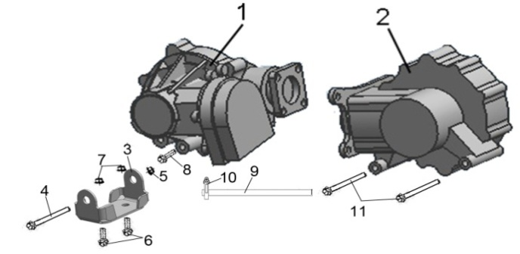
*
*
*
*
*
*
 |  |  |  | ←→Interchangeable；≠Noninterchangeable；←New for old →old for new
 | 10. FRONT AND REAR GEAR-BOX |  |  | REF. No. | PART NO. | DESCRIPTION | Q'TY | PIN | I/C
 |  |  |  | 1 | 26319 | FRONT GEAR-BOX ASSY | 1
 |  |  |  | 2 | 26300 | REAR GEAR-BOX ASSY | 1
 |  |  |  | 3 | 35500 | BRACKET, FRONT GEAR-BOX ASSY | 1
 |  |  |  | 4 | 10924 | BOLT M10X1.25X90 | 1
 |  |  |  | 5 | 10015 | NUT M10X1.25 | 1
 |  |  |  | 6 | 10168 | BOLT M8X1.25X16 | 2
 |  |  |  | 7 | 10079 | NUT M8X1.25 | 2
 |  |  |  | 8 | 10283 | BOLT M10X1.25X35 | 2
 |  |  |  | 9 | 35501 | PIPE φ5Xφ9X450 | 2
 |  |  |  | 10 | 22924 | CLAMP 8 | 2
 |  |  |  | 11 | 10925 | BOLT M10X1.25X110 | 2

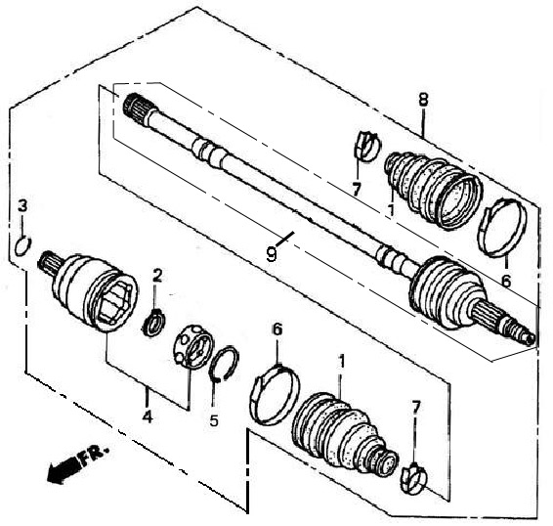
 |  |  |  | ←→Interchangeable；≠Noninterchangeable；←New for old →old for new
 | 11 FRONT LEFT DRIVE AXLE （FOR 4WD） |  |  | REF. No. | PART NO. | DESCRIPTION | Q'TY | PIN | I/C
 |  |  |  | 1 | 35038 | OUTER BOARD BOOT | 1
 |  |  |  | 2 | 35044 | CIRCLIP | 1
*
*
*
*
*
*
 |  |  |  | 3 | 35046 | ATOPPER RING 19.2 | 1
装配成一整体
 |  |  |  | 4 | 35041 | JOUNT,INBOARD(CONTAIN INBOARD AXLE STEEL BALL BRACKET STEEL BALL AND GEAR WHEEL) | 1
 |  |  |  |  |  |  | 1
 |  |  |  |  |  |  | 1
 |  |  |  |  |  |  | 6
 |  |  |  | 5 | 35039 | STOPPER RING | 1
 |  |  |  | 6 | 35040 | BOOT BAND B | 1
 |  |  |  | 7 | 35037 | BOOT BAND A | 1
 |  |  |  | 8 | 35030 | FRONT LEFT DRIVE AXLE | 1
 |  |  |  | 9 | 35032 | DRIVE AXLE/OUTER CV JOINT ASSEMBLY | 1
 |  |  |  |  |  |  | 1
 |  |  |  |  |  |  | 6
 |  |  |  |  |  |  | 1
 |  |  |  |  |  |  | 1
 |  |  |  |  |  |  | 1

 |  |  |  | ←→Interchangeable；≠Noninterchangeable；←New for old →old for new

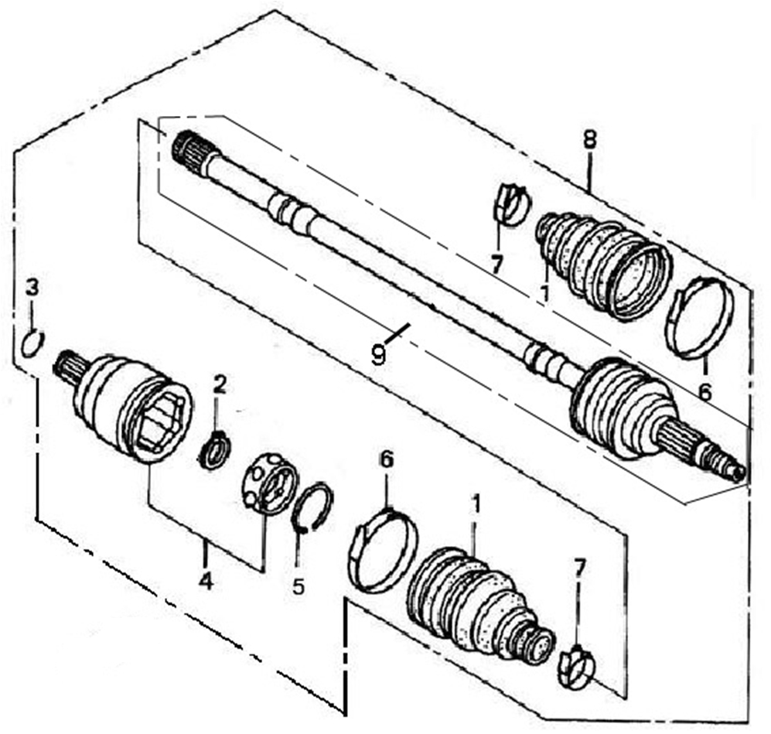
 | 12 FRONT RIGHT DRIVE AXLE （FOR 4WD） |  |  | REF. No. | PART NO. | DESCRIPTION | Q'TY | PIN | I/C
 |  |  |  | 1 | 35038 | OUTER BOARD BOOT | 1
 |  |  |  | 2 | 35044 | CIRCLIP | 1
*
*
*
*
*
*
 |  |  |  | 3 | 35046 | ATOPPER RING 19.2 | 1
装配成一整体
 |  |  |  | 4 | 35041 | JOUNT,INBOARD(CONTAIN INBOARD AXLE STEEL BALL BRACKET STEEL BALL AND GEAR WHEEL) | 1
 |  |  |  |  |  |  | 1
 |  |  |  |  |  |  | 1
 |  |  |  |  |  |  | 6
 |  |  |  | 5 | 35039 | STOPPER RING | 1
 |  |  |  | 6 | 35040 | BOOT BAND B | 1
 |  |  |  | 7 | 35037 | BOOT BAND A | 1
 |  |  |  | 8 | 35031 | FRONT RIGHT DRIVE AXLE | 1
 |  |  |  | 9 | 35033 | DRIVE AXLE/OUTER CV JOINT ASSEMBLY | 1
 |  |  |  |  |  |  | 1
 |  |  |  |  |  |  | 6
 |  |  |  |  |  |  | 1
 |  |  |  |  |  |  | 1
 |  |  |  |  |  |  | 1

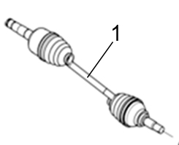
 |  |  |  | ←→Interchangeable；≠Noninterchangeable；←New for old →old for new
 | 13 REAR LEFT DRIVE AXLE(XL) |  |  | REF. No. | PART NO. | DESCRIPTION | Q'TY | PIN | I/C
 |  |  |  | 1 | 36143 | REAR LEFT DRIVE AXLE（MARK "XL 4AV rear left"， MATCH WITH NEW MODEL REAL AXL ) | 1 |  | ←→

 |  |  |  | ←→Interchangeable；≠Noninterchangeable；←New for old →old for new
 | 14 REAR RIGHT DRIVE AXLE（XL） |  |  | REF. No. | PART NO. | DESCRIPTION | Q'TY | PIN | I/C
 |  |  |  | 1 | 36144 | REAR RIGHT DRIVE AXLE（MARK "XL 4AV rear right"，MATCH WITH NEW MODEL REAL AXL ) | 1 |  | ←→

装配成一整体

NOTE：
THERE ARE TWO FACTORY CODE ON THE REVERSE SIDE OF THE HANDLE LEVER，WHEN YOU ORDER ANY PART OF THE BREAK SYSTEM，PLEASE MARK THE FACTORY CODE（ZJ OR SD） 。
NOTE：
THERE ARE TWO FACTORY CODE ON THE REVERSE SIDE OF THE HANDLE LEVER，WHEN YOU ORDER ANY PART OF THE BREAK SYSTEM，PLEASE MARK THE FACTORY CODE（ZJ OR SD） 。
NOTE：
THERE ARE TWO FACTORY CODE ON THE REVERSE SIDE OF THE HANDLE LEVER，WHEN YOU ORDER ANY PART OF THE BREAK SYSTEM，PLEASE MARK THE FACTORY CODE（ZJ OR SD） 。
NOTE：
THERE ARE TWO FACTORY CODE ON THE REVERSE SIDE OF THE HANDLE LEVER，WHEN YOU ORDER ANY PART OF THE BREAK SYSTEM，PLEASE MARK THE FACTORY CODE（ZJ OR SD） 。
NOTE：
THERE ARE TWO FACTORY CODE ON THE REVERSE SIDE OF THE HANDLE LEVER，WHEN YOU ORDER ANY PART OF THE BREAK SYSTEM，PLEASE MARK THE FACTORY CODE（ZJ OR SD） 。
NOTE：
THERE ARE TWO FACTORY CODE ON THE REVERSE SIDE OF THE HANDLE LEVER，WHEN YOU ORDER ANY PART OF THE BREAK SYSTEM，PLEASE MARK THE FACTORY CODE（ZJ OR SD） 。
NOTE：
THERE ARE TWO FACTORY CODE ON THE REVERSE SIDE OF THE HANDLE LEVER，WHEN YOU ORDER ANY PART OF THE BREAK SYSTEM，PLEASE MARK THE FACTORY CODE（ZJ OR SD） 。
NOTE：
THERE ARE TWO FACTORY CODE ON THE REVERSE SIDE OF THE HANDLE LEVER，WHEN YOU ORDER ANY PART OF THE BREAK SYSTEM，PLEASE MARK THE FACTORY CODE（ZJ OR SD） 。
NOTE：
THERE ARE TWO FACTORY CODE ON THE REVERSE SIDE OF THE HANDLE LEVER，WHEN YOU ORDER ANY PART OF THE BREAK SYSTEM，PLEASE MARK THE FACTORY CODE（ZJ OR SD） 。

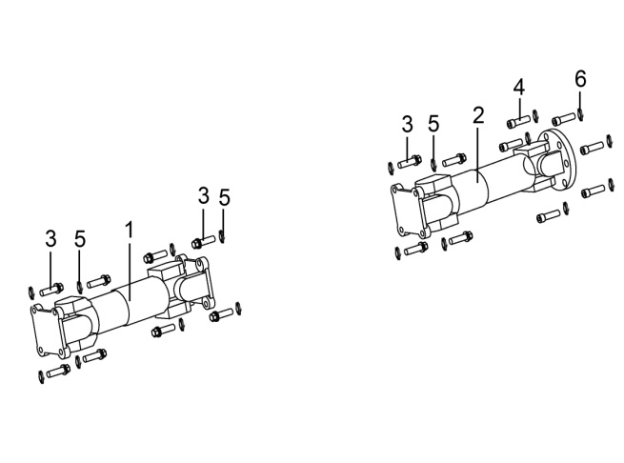
 |  |  |  | ←→Interchangeable；≠Noninterchangeable；←New for old →old for new
 | 15.FRONT AND REAR KNUCKLE ASSY |  |  | REF. No. | PART NO. | DESCRIPTION | Q'TY | PIN | I/C
 |  |  |  | 1 | 35081 | FRONT KNUCKLE | 1
 |  |  |  | 1 | 36150 | FRONT KNUCKLE（MARK "XL"） | 1 |  | ←
 |  |  |  | 2 | 35082 | REAR KNUCKLE | 1
 |  |  |  | 2 | 36151 | REAR KNUCKLE（MARK "XL"） | 1 |  | ←
 |  |  |  | 3 | 10926 | BOLT M8X1.0X25 | 12
 |  |  |  | 4 | 10927 | BOLT M10X1.25X32 | 6
 |  |  |  | 5 | 10106 | SPRING WASHER 8 | 12
 |  |  |  | 6 | 10027 | SPRING WASHER 10 | 6

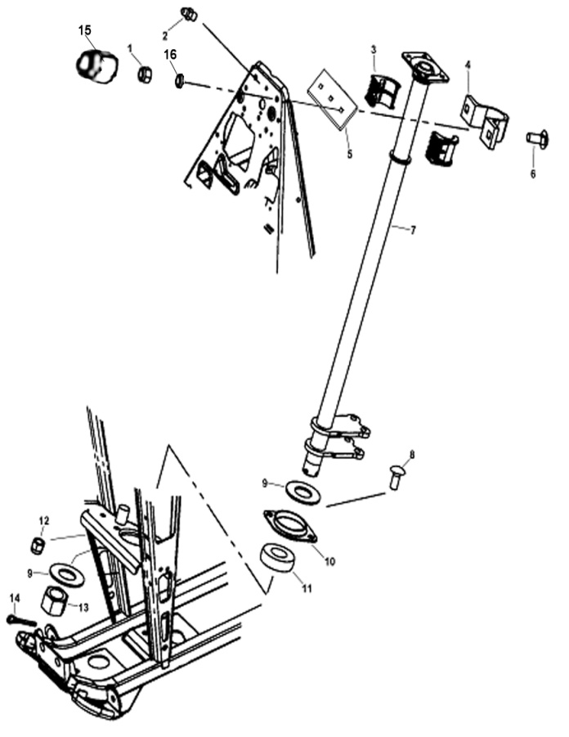
 |  |  |  | ←→Interchangeable；≠Noninterchangeable；←New for old →old for new
 | 16 STEERING COLUMN |  |  | REF. No. | PART NO. | DESCRIPTION | Q'TY | PIN | I/C
 |  |  |  | 1 | 10079 | NUT M8 | 2
 |  |  |  | 2 | 10026 | GREASE FITTING | 1
 |  |  |  | 3 | 21903 | BUSHING | 2
 |  |  |  | 4 | 21904 | STEERING CLAMP REAR | 1
 |  |  |  | 5 | 21905 | STEERING CLAMP FRONT | 1
 |  |  |  | 6 | 21906 | BOLT | 2
 |  |  |  | 7 | 35020 | STEERING COLUMN | 1
 |  |  |  | 8 | 21906 | BOLT | 2
 |  |  |  | 9 | 21909 | WASHER | 2
 |  |  |  | 10 | 21910 | BEARING RETAINER | 1
 |  |  |  | 11 | 21911 | BEARING | 1
 |  |  |  | 12 | 10079 | NUT M8 | 2
 |  |  |  | 13 | 10100 | STEERING COLUMN RETAINER NUT | 1
 |  |  |  | 14 | 10101 | COTTER PIN | 1
 |  |  |  | 15 | 27256 | PROTECT COVER | 2
 |  |  |  | 16 | 10106 | SPRING WASHER | 2

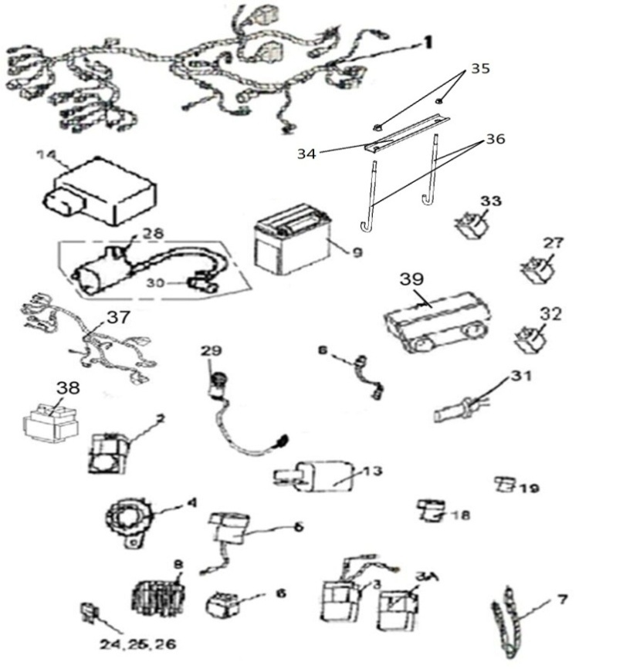
 |  |  |  | ←→Interchangeable；≠Noninterchangeable；←New for old →old for new
17 ELECTRICAL SYSTEM |  |  |  | REF. No. | PART NO. | DESCRIPTION | Q'TY | PIN | I/C
 |  |  |  | 1 | 36428 | WIRING HARNESS(FOR EFI EUROPE) | 1
 |  |  |  | 2 | 35088 | REVERSE GEAR WARNING | 1
 |  |  |  | 3 | 22002a | REVERSE SPEED LIMITER （ FOR 50TH MODEL） | 1
 |  |  |  | 4 | 70404 | HORN | 1
NOTE：
THERE ARE TWO FACTORY CODE ON THE REVERSE SIDE OF THE HANDLE LEVER，WHEN YOU ORDER ANY PART OF THE BREAK SYSTEM，PLEASE MARK THE FACTORY CODE（ZJ OR SD） 。
NOTE：
THERE ARE TWO FACTORY CODE ON THE REVERSE SIDE OF THE HANDLE LEVER，WHEN YOU ORDER ANY PART OF THE BREAK SYSTEM，PLEASE MARK THE FACTORY CODE（ZJ OR SD） 。
NOTE：
THERE ARE TWO FACTORY CODE ON THE REVERSE SIDE OF THE HANDLE LEVER，WHEN YOU ORDER ANY PART OF THE BREAK SYSTEM，PLEASE MARK THE FACTORY CODE（ZJ OR SD） 。
NOTE：
THERE ARE TWO FACTORY CODE ON THE REVERSE SIDE OF THE HANDLE LEVER，WHEN YOU ORDER ANY PART OF THE BREAK SYSTEM，PLEASE MARK THE FACTORY CODE（ZJ OR SD） 。
NOTE：
THERE ARE TWO FACTORY CODE ON THE REVERSE SIDE OF THE HANDLE LEVER，WHEN YOU ORDER ANY PART OF THE BREAK SYSTEM，PLEASE MARK THE FACTORY CODE（ZJ OR SD） 。
NOTE：
THERE ARE TWO FACTORY CODE ON THE REVERSE SIDE OF THE HANDLE LEVER，WHEN YOU ORDER ANY PART OF THE BREAK SYSTEM，PLEASE MARK THE FACTORY CODE（ZJ OR SD） 。
NOTE：
THERE ARE TWO FACTORY CODE ON THE REVERSE SIDE OF THE HANDLE LEVER，WHEN YOU ORDER ANY PART OF THE BREAK SYSTEM，PLEASE MARK THE FACTORY CODE（ZJ OR SD） 。
NOTE：
THERE ARE TWO FACTORY CODE ON THE REVERSE SIDE OF THE HANDLE LEVER，WHEN YOU ORDER ANY PART OF THE BREAK SYSTEM，PLEASE MARK THE FACTORY CODE（ZJ OR SD） 。
NOTE：
THERE ARE TWO FACTORY CODE ON THE REVERSE SIDE OF THE HANDLE LEVER，WHEN YOU ORDER ANY PART OF THE BREAK SYSTEM，PLEASE MARK THE FACTORY CODE（ZJ OR SD） 。
 |  |  |  | 5 | 73326 | FLASHER RELAY ASSY | 1
 |  |  |  | 6 | 71602 | STARTER RELAY | 1
 |  |  |  | 7 | 25530 | TIE | 20
 |  |  |  | 8 | 71603 | REGULATOR RECTIIFIER | 1
 |  |  |  | 9 | 70407a | BATTERY | 1
 |  |  |  | 13 | 32021 | CAPACITOR | 1
 |  |  |  | 14 | 35743 | ECU | 1
 |  |  |  | 18 | 25517 | RUBBER SHEATH 1
 |  |  |  | 19 | 25519 | RUBBER SHEATH 2
 |  |  |  | 24 | 22019 | 7.5 AMP FUSE | 1
 |  |  |  | 25 | 22020 | 15 AMP FUSE | 2
 |  |  |  | 26 | 22021 | 3 AMP FUSE | 1
 |  |  |  | 27 | 32021 | CAPCITOR | 1
 |  |  |  | 28 | 70822D | IGNITON COIL AND WIRE | 1
 |  |  |  |  | 36120
 |  |  |  | 29 | 71973 | ACCESSORY SOCKET ASSY | 1
 |  |  |  | 30 | 22024 | CAP，IGNITON COIL | 1
 |  |  |  | 31 | 70405f | BRAKE SWITCH（USED FOR WATERPROOF PLUG IN UNIT) | 1
 |  |  |  | 32 | 35083 | AUXILIARY RELAY | 4
 |  |  |  | 33 | 50280 | START RELAY （CONTROL FAN） | 1
 |  |  |  | 33 | 50280 | START RELAY (OLD)（CONTROL HIGH BEAM AND DIPPED BEAM） | 2
 |  |  |  | 33 | 35656 | START RELAY （NEW）（CONTROL HIGH BEAM AND DIPPED BEAM） | 2 |  | ←→
 |  |  |  | 34 | 36057 | Battery clamp | 1
 |  |  |  | 35 | 10079 | NUT 8 | 2
 |  |  |  | 36 | 36056 | Battery fastening pull rod | 2
 |  |  |  | 37 | 36123 | EFI WIRE | 1
 |  |  |  | 38 | 71474 | EFI RELAY | 1
 |  |  |  | 39 | 70968 | ELECTRICAL DUMPAGE SWITCH | 1

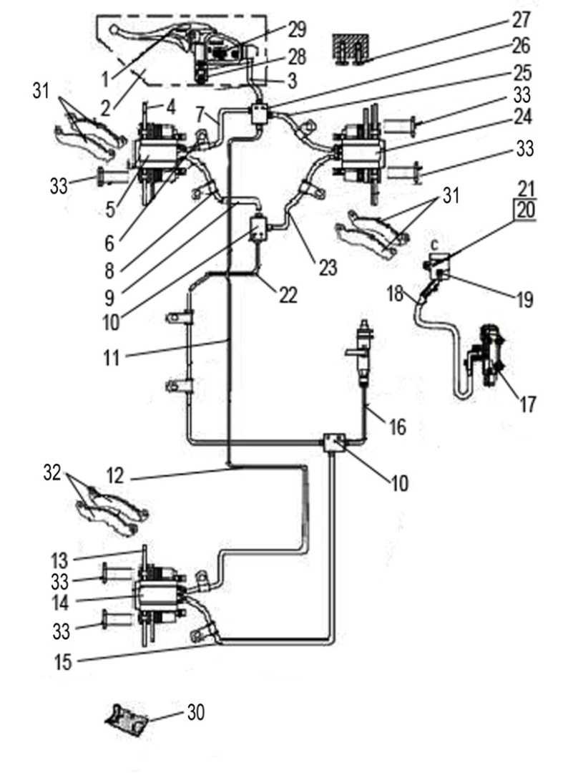
 |  |  |  | ←→Interchangeable；≠Noninterchangeable；←New for old →old for new
 |  | 18 BRAKING SYSTEM （FOR EUROPE） |  | REF. No. | PART NO. | DESCRIPTION | Q'TY | PIN | I/C
 |  |  |  | 1 | 2211120 | BRAKE LEVER | 1
 |  |  |  |  | 36095 | BRAKE LEVER（PASSIVATION） | 1 |  | ←→
 |  |  |  | 2 | 27320 | MASTER CYLINDER WITH BRAKE LEVER | 1
 |  |  |  | 3 | 22102 | HAND BRAKE HOSE | 1
 |  |  |  | 4 | 27321 | FRONT BRAKE DISC | 2
 |  |  |  | 5 | 27409 | BRAKE CALIPER LEFT,FRONT | 1
 |  |  |  | 6 | 32104 | CLAMP | 2
 |  |  |  | 7 | 22229 | FRONT BRAKE HOSE 2 | 1
 |  |  |  | 8 | 32105 | RUBBER TUBE1 | 3
 |  |  |  | 9 | 27313 | FRONT BRAKE HOSE 1 | 1
 |  |  |  | 10 | 32107 | BRAKE LINE COUPLER | 1
 |  |  |  | 11 | 36419 | TUBE DISKBRAKE REAR | 1
 |  |  |  | 12 | 35069 | REAR BRAKE HOSE 1 | 1
 |  |  |  | 13 | 70537 | REAR BRAKE DISC | 2
 |  |  |  | 14 | 70520 | BRAKE CALIPER LEFT,REAR | 1
 |  |  |  | 15 | 35070 | REAR BRAKE HOSE 2 | 1
 |  |  |  | 16 | 36418 | REAR BRAKE HOSE 3 | 1
 |  |  |  | 17 | 27378 | FOOT BREAKE CYLINDER | 1
 |  |  |  | 18 | 27379 | RESERVOIR HOSE | 1
 |  |  |  | 19 | 70496 | RESERVOIR | 1
 |  |  |  | 20 | 10109 | NUT M5 | 1
 |  |  |  | 21 | 10108 | BOLT M5X12 | 1
 |  |  |  | 22 | 36420 | TUBE DISKBRAKE,FOOT BRAKE | 1
 |  |  |  | 23 | 32233 | FRONT BRAKE HOSE2 | 1
 |  |  |  | 24 | 27410 | BRAKE CALIPER RIGHT | 1
 |  |  |  | 25 | 70483 | FRONT BRAKE HOSE3 | 1
 |  |  |  | 26 | 70548 | FOUR LINE COUPLER
 |  |  |  | 27 | 10111 | BOLT M5X15 | 4
 |  |  |  | 28 | 27283 | BOLT M6X22 | 2
 |  |  |  | 29 | 27277 | CAP | 1
 |  |  |  | 30 | 35711 | SERVICE KIT | 1
 |  |  |  | 31 | 70525 | INSIDE AND OUTSIDE PAD ,FRONT | 4
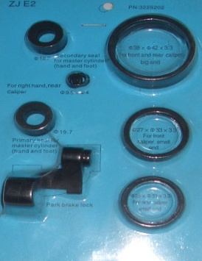
 |  |  |  | 32 | 70525 | INSIDE AND OUTSIDE PAD,REAR | 2
*
*
*
*
*
*
 |  |  |  | 33 | 27212 | BOLT M8X20 | 12

30

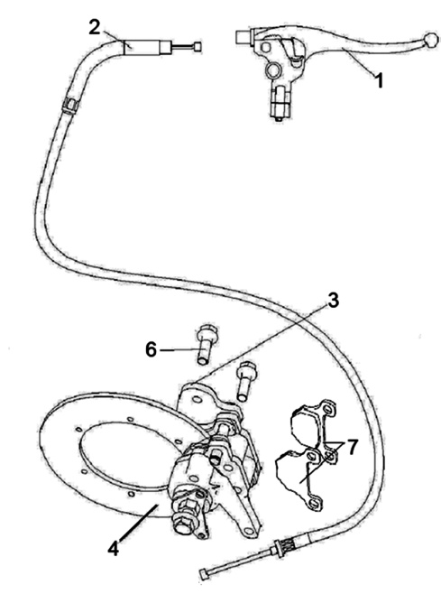
 |  |  |  | ←→Interchangeable；≠Noninterchangeable；←New for old →old for new
 | 18..2 AUXILIARY BRAKE（FOR EUROPE） |  |  | REF. No. | PART NO. | DESCRIPTION | Q'TY | PIN | I/C
 |  |  |  | 1 | 70636 | MASTER CYLINDER(WITH LEVER) | 1
 |  |  |  |  | 36094 | MASTER CYLINDER(WITH LEVER)（PASSIVATION） | 1 |  | ←→
 |  |  |  | 2 | 36424 | BRACK CABLE | 1
 |  |  |  | 3 | 35074 | BRACK CALIPER | 1
 |  |  |  | 4 | 35075 | DISK BRAKE | 1
 |  |  |  | 6 | 10218 | BOLT M8X40 | 2
 |  |  |  | 7 | 26291 | BRAKE PAD | 2

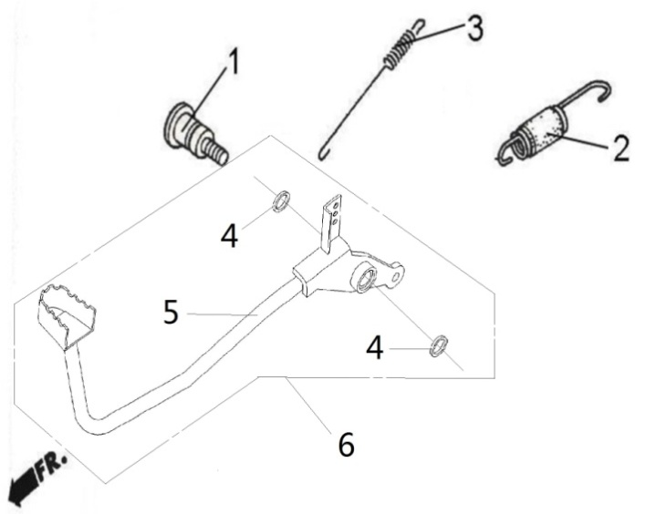
 |  |  |  | ←→Interchangeable；≠Noninterchangeable；←New for old →old for new
 | 19 PEDAL,BRAKE |  |  | REF. No. | PART No. | DESCRIPTION | Q'TY | PIN | I/C
 |  |  |  | 1 | 70542 | SHAFT,BRAKE PIVOT | 1
 |  |  |  | 2 | 70541 | SPRING,STOP SWITCH | 1
 |  |  |  | 3 | 71517 | SPRING ASSY(NEW MODEL) | 1
 |  |  |  | 4 | 70540 | DUST SEAL | 2
 |  |  |  | 5 | 36422 | PEDAL BRAKE | 1
 |  |  |  | 6 | 36423 | PEDAL BRAKE ASSY | 1

 |  |  |  | ←→Interchangeable；≠Noninterchangeable；←New for old →old for new
 | 20 BUMPER & RACK |  |  | REF. No. | PART No. | DESCRIPTION | Q'TY | PIN | I/C
 |  |  |  | 1 | 36084 | REAR RACK（FOR EUROPE） | 1
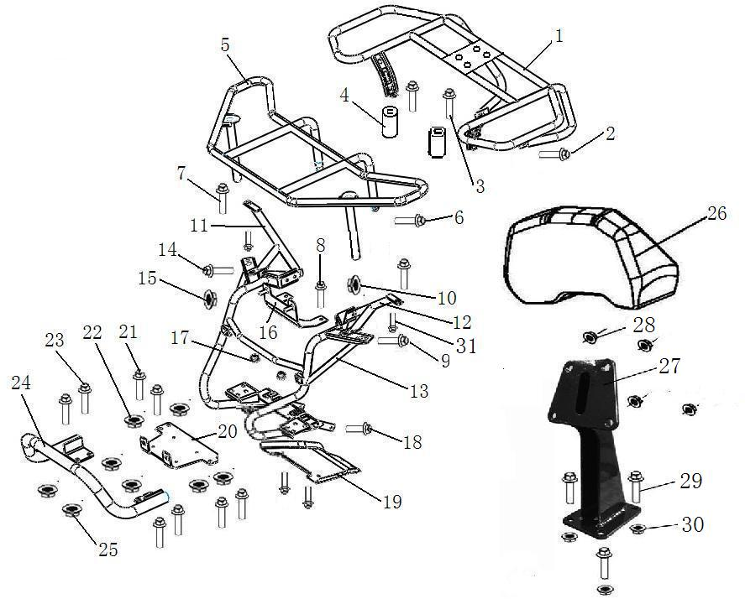
 |  |  |  | 2 | 10059 | BOLTM8X25 | 4
 |  |  |  | 3 | 10511 | BOLTM8X55 | 2
 |  |  |  | 4 | 36085 | Rear rack mounting spacer | 2
 |  |  |  | 5 | 36093 | FRONT RACK（FOR EUROPE） | 1
*
*
*
*
*
*
 |  |  |  | 6 | 10081 | BOLT M8X20 | 2
 |  |  |  | 7 | 10059 | BOLTM8X25 | 2
 |  |  |  | 8 | 10081 | BOLT M8X20 | 2
 |  |  |  | 9 | 10055 | BOLTM8X45 | 4
 |  |  |  | 10 | 10079 | NUT M8 | 4
 |  |  |  | 11 | 36112 | Right Y shaped support tube | 1
 |  |  |  | 12 | 36111 | Left Y shaped support tube | 1
 |  |  |  | 13 | 36022 | Front part support assembly | 1
 |  |  |  | 14 | 10059 | BOLTM8X25 | 2
 |  |  |  | 15 | 10079 | NUT M8 | 2
 |  |  |  | 16 | 36051 | Mounting plate on water tank | 1
 |  |  |  | 17 | 36054 | Supporting rubber ring under water tank | 2
 |  |  |  | 18 | 10081 | BOLT M8X20 | 2
 |  |  |  | 19 | 36113 | Front bottom guard | 1
 |  |  |  | 20 | 36119 | BRACKET,PULLING | 1
 |  |  |  | 21 | 10081 | BOLT M8X20 | 4
 |  |  |  | 22 | 10079 | NUT M8 | 4
 |  |  |  | 23 | 10081 | BOLT M8X20 | 4
 |  |  |  | 24 | 36118 | FRONT BUMPER | 1
 |  |  |  | 25 | 10079 | NUT M8 | 4
 |  |  |  | 26 | 35383 | BACKREST | 1
 |  |  |  | 26 | 35721 | BACKREST（SKIN TYPE） | 1 |  | ←→
 |  |  |  | 27 | 35384 | REAR BACKREST WELD ASSEMBLY | 1
 |  |  |  | 28 | 10919 | NUT M8 | 4
 |  |  |  | 29 | 10059 | BOLT M8X25 | 4
 |  |  |  | 30 | 10079 | NUT M8 | 4
 |  |  |  | 31 | 10110 | BOLT M6X20 | 2

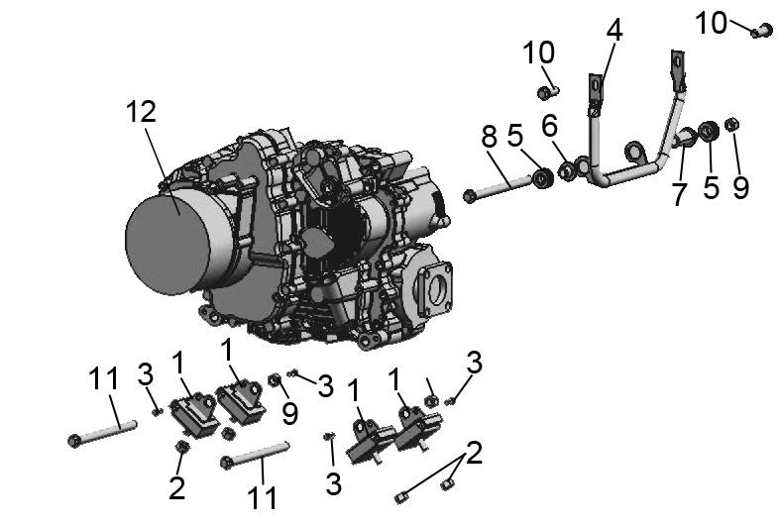
 |  |  |  | ←→Interchangeable；≠Noninterchangeable；←New for old →old for new
 | 21 ENGINE |  |  | REF. No. | PART No. | DESCRIPTION | Q'TY | PIN | I/C
 |  |  |  | 1 | 35503 | BUSHING ENGING BRACKET | 4 |  | ←
 |  |  |  | 2 | 10015A | NUT M10X1.25 | 4 |  | ←
 |  |  |  | 3 | 10928 | BOLT M6X16 | 4
 |  |  |  | 4 | 35504 | FRONT ENGINE MOUNT BRACKET | 1
 |  |  |  | 5 | 35505 | RUBBER BUSHING | 2
 |  |  |  | 6 | 35506 | SPACER 1 | 1
 |  |  |  | 7 | 35507 | SPACER 2 | 1
 |  |  |  | 8 | 10929 | BOLT M12X1.25X170 | 1
 |  |  |  | 9 | 10136 | NUT M12X1.25 | 3
 |  |  |  | 10 | 10183 | BOLT M8X16 | 2
 |  |  |  | 11 | 10930 | BOLT M12X1.25X150 | 2
 |  |  |  | 12 | 35524e | ENGING ASSY. | 1

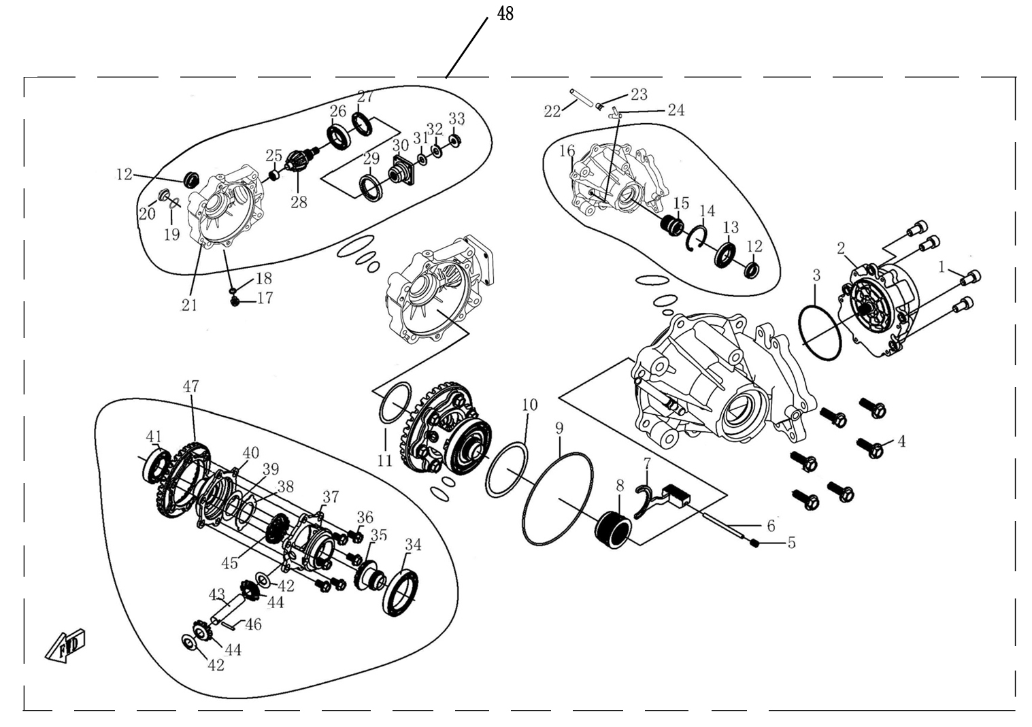
 |  |  |  | ←→Interchangeable；≠Noninterchangeable；←New for old →old for new
 | 22 前桥总成/ FRONT GEAR-BOX
 |  |  |  | REF. No. | PART No. | DESCRIPTION | Q'TY | PIN | I/C
 |  |  |  | 1 | 35391 | Screw | 4
 |  |  |  | 2 | 35388 | Gear Motor | 1
 |  |  |  | 3 | 35389 | O-Ring φ81.2×1.9 | 1
 |  |  |  | 4 | 10059 | Bolt | 6
 |  |  |  | 5 | 10954 | Screw | 1
 |  |  |  | 6 | 10957 | Pin Shaft | 1
 |  |  |  | 7 | 26314 | Shift Fork | 1
 |  |  |  | 8 | 26315 | Drive Clutch | 1
 |  |  |  | 9 | 35401 | O-Ring φ141×2.4 | 1
 |  |  |  | 10 | 26322 | Adjust Shim(83×71) | As needed
 |  |  |  | 11 | 26323 | Adjust Shim(61×48) | As needed
 |  |  |  | 12 | 35410 | Oil Seal | 2
 |  |  |  | 13 | 10960 | Bearing 16007 | 1
 |  |  |  | 14 | 35412 | Retainer 62 | 1
 |  |  |  | 15 | 26316 | Drive Clutch Cover | 1
 |  |  |  | 16 | 26321 | Case Cover, Front Axle | 1
 |  |  |  | 17 | 10953 | Drain Bolt | 1
 |  |  |  | 18 | 73021 | Washer 10 | 1
 |  |  |  | 19 | 50082 | O-Ring φ30.5×3 | 1
 |  |  |  | 20 | 24305 | Fill Plug | 1
 |  |  |  | 21 | 26320 | Gear Case, Front Axle | 1
 |  |  |  | 22 | 21111 | Breather Pipe | 1
 |  |  |  | 23 | 25107 | Clip | 1
 |  |  |  | 24 | 21112 | Hose Fitting | 1
 |  |  |  | 25 | 35429 | Needle Bearing | 1
 |  |  |  | 26 | 35424 | Bearing 6007 | 1
 |  |  |  | 27 | 26317 | Bearing Retainer | 1
 |  |  |  | 28 | 26328 | Bevel Gear -Driving | 1
 |  |  |  | 29 | 35423 | Oil Seal | 1
 |  |  |  | 30 | 26330 | Coupler | 1
 |  |  |  | 31 | 35428 | O-Ring | 1
 |  |  |  | 32 | 26324 | Nut Washer | 1
 |  |  |  | 33 | 26318 | Nut | 1
 |  |  |  | 34 | 10959 | Bearing 61912 | 1
 |  |  |  | 35 | 35434 | Drive Gear | 1
 |  |  |  | 36 | 26331 | Bolt | 6
 |  |  |  | 37 | 26332 | Bracket,Differential | 1
 |  |  |  | 38 | 26326 | Shim | 1
 |  |  |  | 39 | 26325 | Washer | 1
 |  |  |  | 40 | 26334 | Top Bracket,Differential Gear | 1
 |  |  |  | 41 | 35424 | Bearing 6007 | 1
 |  |  |  | 42 | 26327 | Wearing Ring | 2
 |  |  |  | 43 | 26333 | Gear Shaft(Center), Differential | 1
 |  |  |  | 44 | 35437 | Gear(Center), Differential | 2
 |  |  |  | 45 | 35440 | Driven Gear | 1
 |  |  |  | 46 | 10956 | Pin | 1
 |  |  |  | 47 | 26329 | Bevel Gear -Driven | 1
 |  |  |  | 48 | 26319 | Front Gear-box Assy | 1

41
 |  |  |  | ←→Interchangeable；≠Noninterchangeable；←New for old →old for new
 | 23后桥总成/ REAR GEAR-BOX |  |  | REF. No. | PART No. | DESCRIPTION | Q'TY | PIN | I/C
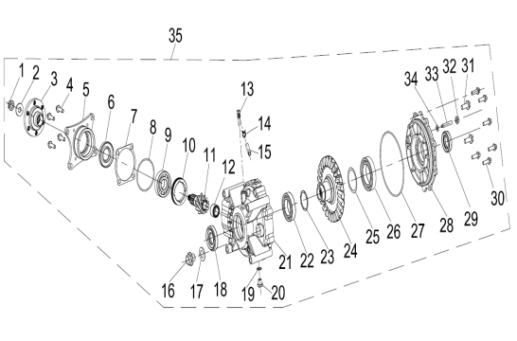 |  |  |  | 1 | 35473 | NUT M12×1.25 | 1
 |  |  |  | 2 | 26309 | WASHER 12.5×30×4 | 1
 |  |  |  | 3 | 35474 | COUPLER, REAR AXLE | 1
 |  |  |  | 4 | 10078 | BOLT M8×30 | 4
 |  |  |  | 5 | 26304 | BEVEL GEAR BEARING HOUSING | 1
 |  |  |  | 6 | 35471 | OIL SEAL Φ35×Φ61×9 | 1
 |  |  |  | 7 | 26308 | ADJUST SHIM | as needed
 |  |  |  | 8 | 26311 | O-RING69x3 | 1
 |  |  |  | 9 | 35468 | BEARING 6305 | 1
 |  |  |  | 10 | 26310 | BEARING RETAINERM64x1.5x10 | 1
 |  |  |  | 11 | 26313 | ACTIVE BEVEL GEAR ASSEMBLY | 1
 |  |  |  | 12 | 35465 | NEEDLE BEARING | 1
 |  |  |  | 13 | 21112 | VENT NOZZLE | 1
 |  |  |  | 14 | 25107 | CLAMPS | 1
 |  |  |  | 15 | 21111 | VENT PIPE | 1
 |  |  |  | 16 | 83179 | BOLT M18x1.25 | 1
 |  |  |  | 17 | 83180 | WASHER 18 | 1
 |  |  |  | 18 | 26303 | OIL SEAL30x60x15 | 1
 |  |  |  | 19 | 83462 | WASHER | 1
 |  |  |  | 20 | 83010 | HEXAGON HEAD BOLT | 1
 |  |  |  | 21 | 26312 | REAR GEAR CASE | 1
 |  |  |  | 22 | 10958 | BEARING 6008 | 1
 |  |  |  | 23 | 26305 | ADJUST SHIM48x40.3 | as needed
 |  |  |  | 24 | 26307 | DRIVE BEVEL GEAR ASSEMBLY | 1
 |  |  |  | 25 | 26306 | ADJUST SHIM60.5x50.3 | as needed
 |  |  |  | 26 | 10569 | BEARING 6010 | 1
 |  |  |  | 27 | 35493 | O-RING 151×3 | 1
 |  |  |  | 28 | 26301 | REAR GEAR BEARING HOUSING | 1
 |  |  |  | 29 | 26302 | OIL SEAL 30x50x13.5 | 1
 |  |  |  | 30 | 10059 | BOLT M8×25 | 6
 |  |  |  | 31 | 35463 | BOLT M10x25 | 2
 |  |  |  | 32 | 35487 | NUT M8 | 1
 |  |  |  | 33 | 10955 | HE× SCREW M8×45 | 1
 |  |  |  | 34 | 43615 | WASHER 8 | 1
 |  |  |  | 35 | 26300 | REAR AXLE ASSEMBLY | 1

Sheet2
 | PARTS MANUAL

 |  |  |  |  |  |  |  | EUROPE

*
*
*
*
*
*
*
*
*
*
*
*
*
*
*
*
*
*
*
HFSI：High Frequency Service Item |  | ←→Interchangeable；≠Noninterchangeable；←New for old →old for new
 | CYLINDER HEAD COVER | REF. No. | PART NO. | DESCRIPTION | Q'TY | PIN | I/C
 |  | 1 | 35143 | INTAKE ROCKER ARM COMP | 1
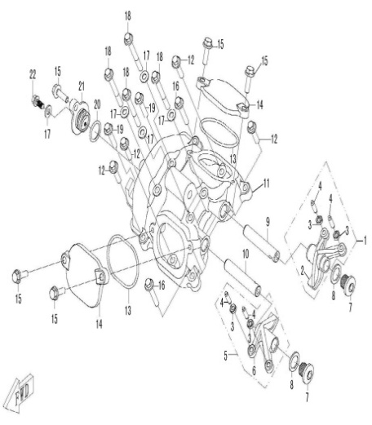
 |  | 2 | 35144 | INTAKE ROCKER ARM VALVE | 1
 |  | 3 | 35146 | ADJUSTING NUT VALVE | 4
 |  | 4 | 35147 | ADJUSTING SCREW VALVE | 4
 |  | 5 | 35148 | EXHAUST ROCKER ARM COMP | 1
 |  | 6 | 35149 | EXHAUST ROCKER ARM VALVE | 1
 |  | 7 | 35150 | BOLT M14X1.25X12 | 2
 |  | 8 | 35215 | WASHER 14 | 2
 |  | 9 | 35142 | INTAKE ROCKER SHAFT | 1
 |  | 10 | 35145 | EXHAUST ROCKER SHAFT | 1
 |  | 11 | 35110 | CYLINDER HEAD COVER | 1
 |  | 12 | 10187 | BOLT M6X25 | 4
 |  | 13 | 35111 | GASKET | 2
 |  | 14 | 35107 | VALVE ADJUST COVER | 2
 |  | 15 | 10110 | BOLT M6X20 | 5
 |  | 16 | 10186 | BOLT M6X35 | 2
 |  | 17 | 35108 | WASHER 6 | 5
 |  | 18 | 10530 | BOLT M6X55 | 4
 |  | 19 | 10182 | BOLT M6X30 | 2
 |  | 20 | 35113 | O-RING 18X2.4 | 1
 |  | 21 | 35112 | SEAL COVER | 1
 |  | 22 | 10140 | BOLT M6X12 | 1

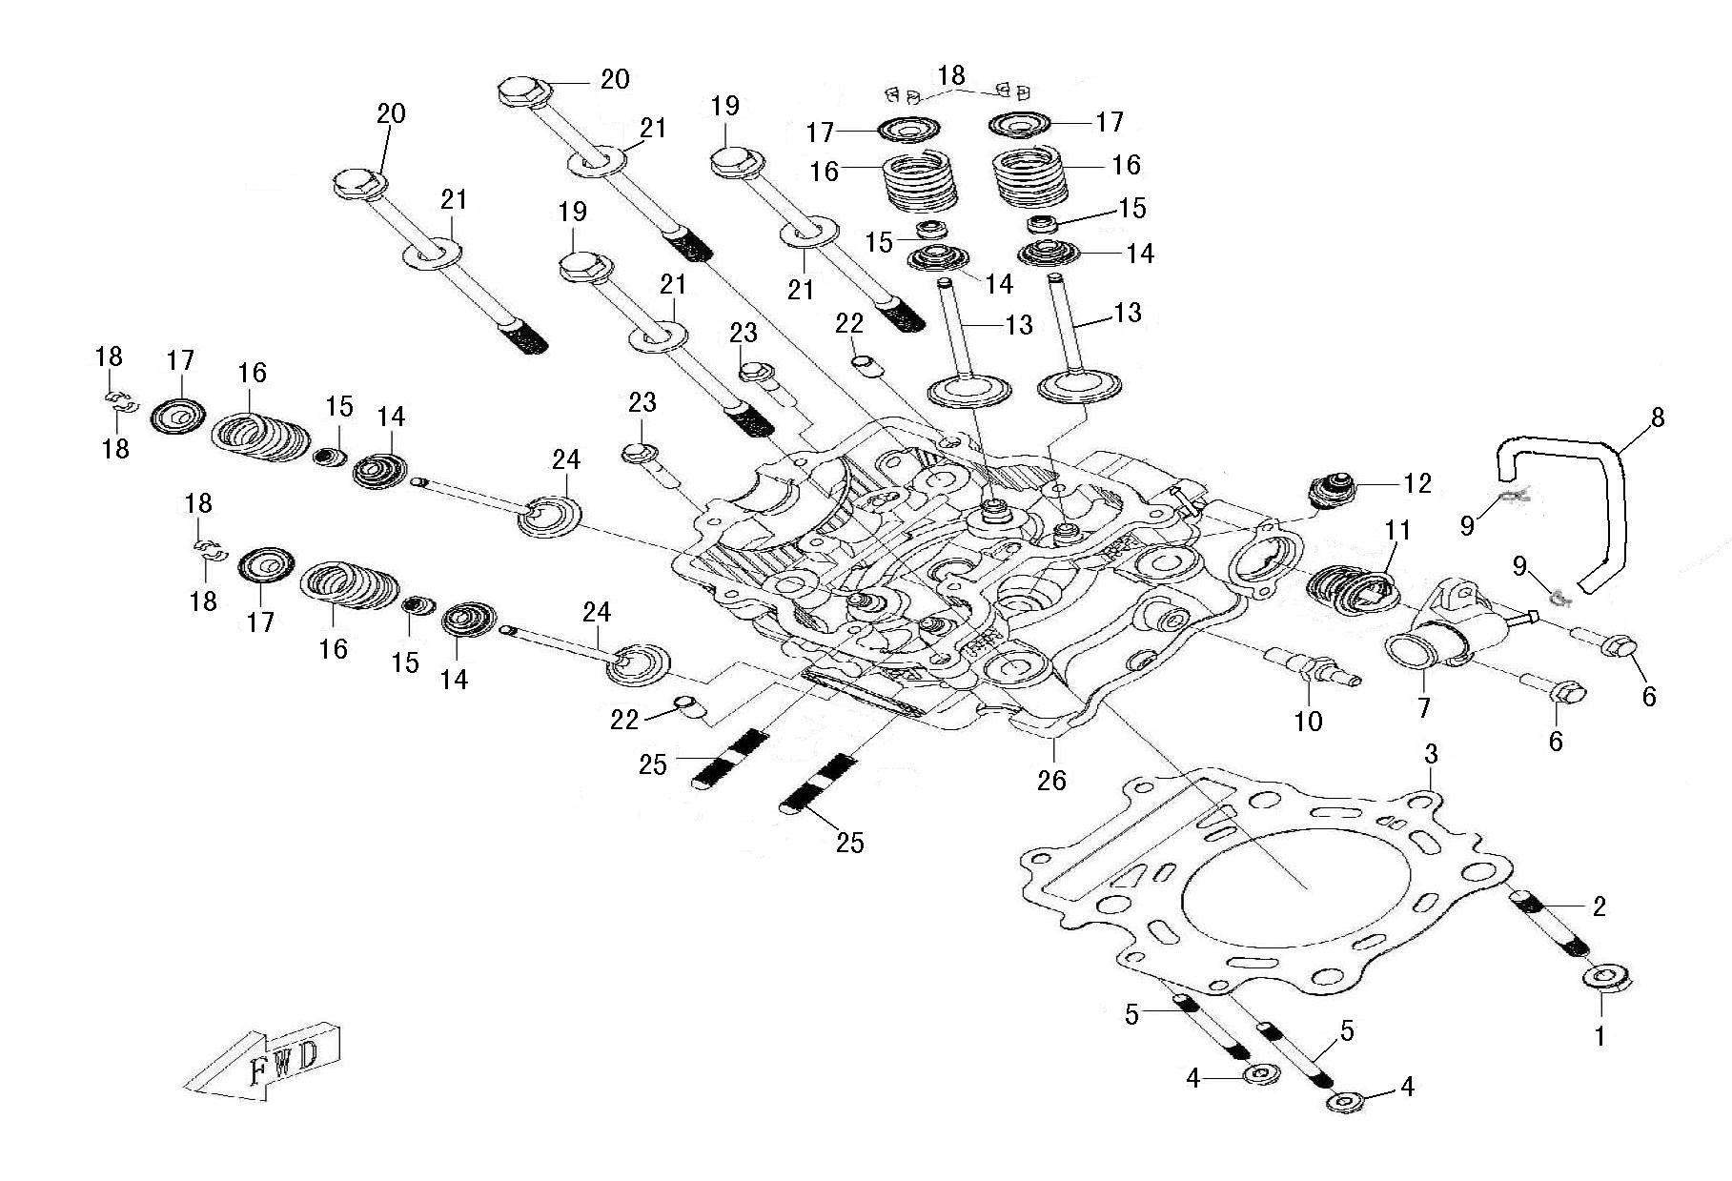
 |  | ←→Interchangeable；≠Noninterchangeable；←New for old →old for new
 | CYLINDER HEAD | REF. No. | PART NO. | DESCRIPTION | Q'TY | PIN | I/C
 |  | 1 | 10067 | THRUST NUT M8 | 1
 |  | 2 | 35097 | STUD M8X68 | 1
 |  | 3 | 35106 | GASKET,CYLINDER HEAD | 1
 |  | 4 | 10004 | THRUST NUT M6 | 2
 |  | 5 | 35098 | STUD M6X72 | 2
 |  | 6 | 10278 | BOLT M6X22 | 2
 |  | 7 | 35103 | WATER OUTLET JOINT, CYLINDER HEAD | 1
 |  | 8 | 35104 | PIPE,CYLINDER HEAD | 1
 |  | 9 | 35109 | CLIP 7.5 | 2
 |  | 10 | 35095e | WATER TEMPERATURE SENSOR | 1
 |  | 11 | 35171 | THERMOSTAT | 1
 |  | 12 | 35105 | SPARK PLUG DPR7EA-9(NGK) | 1
 |  | 13 | 35135 | INTAKE VALVE | 2
 |  | 14 | 35137 | SEAT SPRING VALVE | 4
 |  | 15 | 35140 | SEAL VALVE STEM | 4
 |  | 16 | 35136 | SPRING VALVE | 4
 |  | 17 | 35138 | RETAINER SPRING VALVE | 4
 |  | 18 | 35139 | COTTER VALVE | 8
 |  | 19 | 35100 | CYLINDER BOLT M10X1.25X190 | 2
 |  | 20 | 35101 | CYLINDER BOLT M10X1.25X200 | 2
 |  | 21 | 35102 | WASHER, CYLINDER BOLT | 4
 |  | 22 | 50076 | DOWEL PIN 8×14 | 2
 |  | 23 | 10186 | BOLT M6X35 | 2
 |  | 24 | 35141 | EXHAUST VALVE | 2
 |  | 25 | 35099 | STUD M8X42 | 2
 |  | 26 | 35096e | CYLINDER HEAD | 1

*
*
*
*
*
*
*
*
*
*
*
*
*
*
*
*
*
*
*
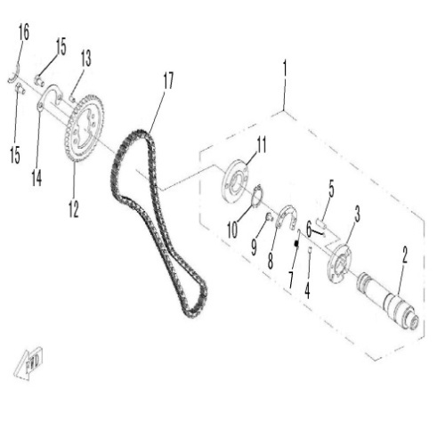
 |  | ←→Interchangeable；≠Noninterchangeable；←New for old →old for new
 | CAMSHAFT | REF. No. | PART NO. | DESCRIPTION | Q'TY | PIN | I/C
 |  | 1 | 35156 | CAMSHAFT ASSEMBLY | 1
 |  | 2 | 35151 | CAMSHAFT | 1
 |  | 3 | 35168 | LIMIT CAM | 1
 |  | 4 | 35167 | DOWEL PIN, DECOMPRESSOR | 1
 |  | 5 | 35170 | DECOMPRESSOR CAM | 1
 |  | 6 | 35169 | DEFLECTOR ROD | 1
 |  | 7 | 35164 | DECOMPRESSOR SPRING | 1
 |  | 8 | 35165 | DECOMPRESSOR ROCKER ARM | 1
 |  | 9 | 35166 | DECOMPRESSOR ROCKER ARM WRIST | 1
 |  | 10 | 10841 | RETAINER 22 | 1
 |  | 11 | 35155 | FLANGE, CAMSHAFT | 1
 |  | 12 | 35154 | TIMING SPROCKET | 1
 |  | 13 | 10835 | DOWEL PIN, TIMING SPROCKET | 1
 |  | 14 | 35153 | RETAINER | 1
 |  | 15 | 10828 | BOLT M6X10 | 2
 |  | 16 | 35152 | CAMSHAFT SPACER | 1
 |  | 17 | 35163 | TIMING CHAIN | 1

*
*
*
*
*
*
*
*
*
*
*
*
*
*
*
*
*
*
*
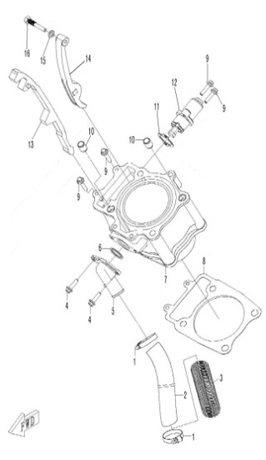
 |  | ←→Interchangeable；≠Noninterchangeable；←New for old →old for new
 | CYLINDER | REF. No. | PART NO. | DESCRIPTION | Q'TY | PIN | I/C
 |  | 1 | 35343 | CLAMP 20/32 | 2
 |  | 2 | 35116 | WATER INLET HOSE | 1
 |  | 3 | 35117 | SLEEVE, WATER HOSE | 1
 |  | 4 | 10278 | BOLT M6X22 | 2
 |  | 5 | 35114 | JOINT, WATER INLET | 1
 |  | 6 | 35115 | O-RING 24X2.5 | 1
 |  | 7 | 35119 | CYLINDER | 1
 |  | 8 | 35120 | GASKET, CYLINDER | 1
 |  | 9 | 10187 | BOLT M6X25 | 4
 |  | 10 | 35118 | DOWEL PIN 13X18 | 2
 |  | 11 | 35158 | GASKET, TENSIONER | 1
 |  | 12 | 35157 | TENSIONER | 1
 |  | 13 | 35159 | TIMING CHAIN GUIDE | 1
 |  | 14 | 35160 | TENSIONER PLATE | 1
 |  | 15 | 35162 | WASHER 8 | 1
 |  | 16 | 35161 | BOLT, TENSIONER PLATE | 1

*
*
*
*
*
*
*
*
*
*
*
*
*
*
*
*
*
*
*
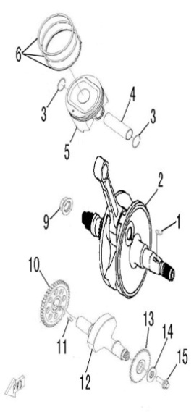
 |  | ←→Interchangeable；≠Noninterchangeable；←New for old →old for new
 | CRANKSHAFT COMP | REF. No. | PART NO. | DESCRIPTION | Q'TY | PIN | I/C
 |  | 1 | 35123 | KEY | 1
*
*
*
*
*
*
*
 |  | 2 | 35121 | CRANKSHAFT | 1
 |  | 3 | 35129 | CLIP, PISTON PIN | 2
 |  | 4 | 35128 | PISTON PIN | 1
 |  | 5 | 35127 | PISTON | 1
 |  | 6 | 35124 | PISTON RING | 1 1 1

 |  | 9 | 35122 | NUT M18X1.5 (L) | 1
 |  | 10 | 35131 | GEAR, BALANCER SHAFT | 1
 |  | 11 | 35133 | KEY | 1
 |  | 12 | 35130 | BALANCER SHAFT | 1
 |  | 13 | 35132 | SPROCKET, BALANCE SHAFT | 1
 |  | 14 | 35134 | WASHER 10.2X28X2 | 1
 |  | 15 | 10028 | BOLT M10X25 | 1

*
*
*
*
*
*
*
*
*
*
*
*
*
*
*
*
*
*
*
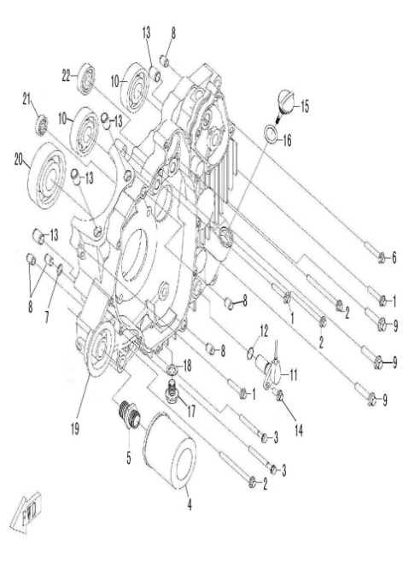
 |  | ←→Interchangeable；≠Noninterchangeable；←New for old →old for new
 | LEFT CRANKCASE | REF. No. | PART NO. | DESCRIPTION | Q'TY | PIN | I/C
 |  | 1 | 10186 | BOLT M6×35 | 3
 |  | 2 | 10827 | BOLT M6×80 | 3
 |  | 3 | 10005 | BOLT M6×60 | 2
 |  | 4 | 35223 | OIL FILTER | 1
 |  | 5 | 35213 | BOLT，OIL FILTER | 1
 |  | 6 | 10177 | BOLT M6×40 | 1
 |  | 7 | 10843 | O-RING 10X1.8 | 1
 |  | 8 | 35094 | DOWEL PIN 10×14 | 5
 |  | 9 | 35221 | BOLT M8×38 | 3
 |  | 10 | 10846 | BEARING 6303C3 | 2
 |  | 11 | 35337 | SPEED SENSOR | 1
 |  | 12 | 35225 | O-RING 14×1.44 | 1
 |  | 13 | 35118 | DOWEL PIN 13×18 | 4
NOTE：
THERE ARE TWO FACTORY CODE ON THE REVERSE SIDE OF THE HANDLE LEVER，WHEN YOU ORDER ANY PART OF THE BREAK SYSTEM，PLEASE MARK THE FACTORY CODE（ZJ OR SD） 。
NOTE：
THERE ARE TWO FACTORY CODE ON THE REVERSE SIDE OF THE HANDLE LEVER，WHEN YOU ORDER ANY PART OF THE BREAK SYSTEM，PLEASE MARK THE FACTORY CODE（ZJ OR SD） 。
NOTE：
THERE ARE TWO FACTORY CODE ON THE REVERSE SIDE OF THE HANDLE LEVER，WHEN YOU ORDER ANY PART OF THE BREAK SYSTEM，PLEASE MARK THE FACTORY CODE（ZJ OR SD） 。
NOTE：
THERE ARE TWO FACTORY CODE ON THE REVERSE SIDE OF THE HANDLE LEVER，WHEN YOU ORDER ANY PART OF THE BREAK SYSTEM，PLEASE MARK THE FACTORY CODE（ZJ OR SD） 。
NOTE：
THERE ARE TWO FACTORY CODE ON THE REVERSE SIDE OF THE HANDLE LEVER，WHEN YOU ORDER ANY PART OF THE BREAK SYSTEM，PLEASE MARK THE FACTORY CODE（ZJ OR SD） 。
NOTE：
THERE ARE TWO FACTORY CODE ON THE REVERSE SIDE OF THE HANDLE LEVER，WHEN YOU ORDER ANY PART OF THE BREAK SYSTEM，PLEASE MARK THE FACTORY CODE（ZJ OR SD） 。
NOTE：
THERE ARE TWO FACTORY CODE ON THE REVERSE SIDE OF THE HANDLE LEVER，WHEN YOU ORDER ANY PART OF THE BREAK SYSTEM，PLEASE MARK THE FACTORY CODE（ZJ OR SD） 。
NOTE：
THERE ARE TWO FACTORY CODE ON THE REVERSE SIDE OF THE HANDLE LEVER，WHEN YOU ORDER ANY PART OF THE BREAK SYSTEM，PLEASE MARK THE FACTORY CODE（ZJ OR SD） 。
NOTE：
THERE ARE TWO FACTORY CODE ON THE REVERSE SIDE OF THE HANDLE LEVER，WHEN YOU ORDER ANY PART OF THE BREAK SYSTEM，PLEASE MARK THE FACTORY CODE（ZJ OR SD） 。
 |  | 14 | 10189 | BOLT M6×16 | 1
*
*
*
*
*
*
*
 |  | 15 | 35224 | OIL DIP ROD | 1
 |  | 16 | 10844 | O-RING 18×3.55 | 1
 |  | 17 | 50105 | DRAIN BOLT M12×1.5 | 1
 |  | 18 | 1309283 | WASHER 12 | 1
 |  | 19 | 35216 | LEFT CRANKCASE | 1
 |  | 20 | 10847 | BEARING 6307 | 1
 |  | 21 | 10848 | BEARING 63/22 | 1
 |  | 22 | 10849 | BEARING 6202 | 1

*
*
*
*
*
*
*
*
*
*
*
*
*
*
*
*
*
*
*
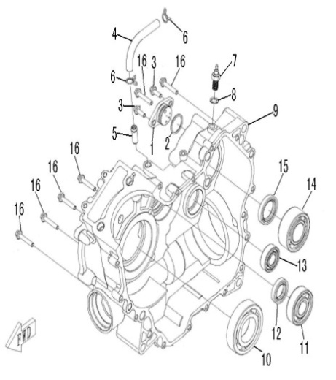
 |  | ←→Interchangeable；≠Noninterchangeable；←New for old →old for new
 | RIGHT CRANKCASE | REF. No. | PART NO. | DESCRIPTION | Q'TY | PIN | I/C
 |  | 1 | 35338 | GEAR POSITION SENSOR | 1
 |  | 2 | 35226 | O-RING 26×2.5 | 1
 |  | 3 | 10191 | BOLT M6×18 | 2
 |  | 4 | 35220 | BREATHER HOSE | 1
 |  | 5 | 35219 | JOINT, BREATHER HOSE | 1
 |  | 6 | 10845 | CLAMP A12 | 2
 |  | 7 | 35339 | REVERSE GEAR SENSOR | 1
 |  | 8 | 35227 | WASHER 10 | 1
 |  | 9 | 35217 | RIGHT CRANKCASE | 1
 |  | 10 | 10850 | BEARING 6208 | 1
 |  | 11 | 10848 | BEARING 63/22 | 1
 |  | 12 | 35218 | OIL SEAL 22×38×7 | 1
 |  | 13 | 10851 | BEARING 6203RS | 1
 |  | 14 | 10860 | BEARING 5206C3 | 1
 |  | 15 | 35222 | OIL SEAL 30×45×8 | 1
 |  | 16 | 10186 | BOLT M6×35 | 6

*
*
*
*
*
*
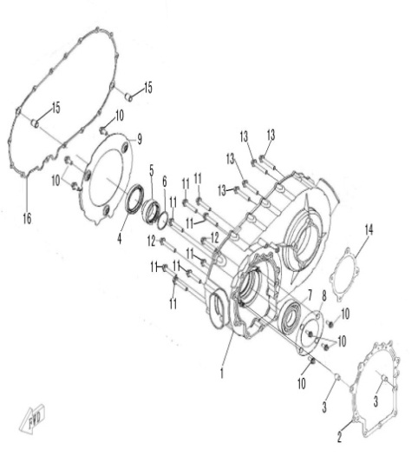
 |  | ←→Interchangeable；≠Noninterchangeable；←New for old →old for new
 | CVT HOUSING | REF. No. | PART NO. | DESCRIPTION | Q'TY | PIN | I/C
 |  | 1 | 35235 | CVT HOUSING | 1
 |  | 2 | 35238 | GASKET 1, CVT HOUSING | 1
 |  | 3 | 35094 | DOWEL PIN 10×14 | 2
 |  | 4 | 35251 | OIL SEAL 54×70×8 | 1
 |  | 5 | 35228 | SPACER, DRIVE SHAFT | 1
 |  | 6 | 35229 | O-RING 39×2.3 | 1
 |  | 7 | 10852 | BEARING 6208RS | 1
 |  | 8 | 35236 | BEARING RETAINER, CVT | 1
 |  | 9 | 35237 | PLATE, AIR INTAKE | 1
 |  | 10 | 10140 | BOLT M6×12 | 7
 |  | 11 | 35233 | BOLT M8×45 | 8
 |  | 12 | 35232 | BOLT M8×50 | 2
 |  | 13 | 10187 | BOLT M6×25 | 4
 |  | 14 | 35239 | GASKET 2, CVT HOUSING | 1
 |  | 15 | 35118 | DOWEL PIN 13×18 | 2
 |  | 16 | 35231 | GASKET, CVT COVER | 1

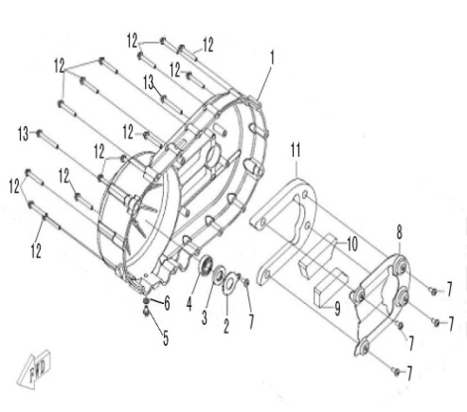
 |  | ←→Interchangeable；≠Noninterchangeable；←New for old →old for new
 | CVT COVER | REF. No. | PART NO. | DESCRIPTION | Q'TY | PIN | I/C
 |  | 1 | 35230 | CVT COVER | 1
 |  | 2 | 35253 | LIMITATOR, OIL SEAL | 1
 |  | 3 | 35252 | OIL SEAL 17×35×5 | 1
 |  | 4 | 10853 | BEARING 6003/P6 | 1
 |  | 5 | 10826 | BOLT M6×10 | 1
 |  | 6 | 35108 | WASHER 6 | 1
 |  | 7 | 26262 | SCREW M6×12 | 5
 |  | 8 | 35254 | DAMPER PLATE | 1
 |  | 9 | 35257 | RUBBER DAMPER 3 | 1
 |  | 10 | 35255 | RUBBER DAMPER 1 | 1
 |  | 11 | 35256 | RUBBER DAMPER 2 | 1
 |  | 12 | 29503 | BOLT M6×45 | 14
 |  | 13 | 10530 | BOLT M6×55 | 2

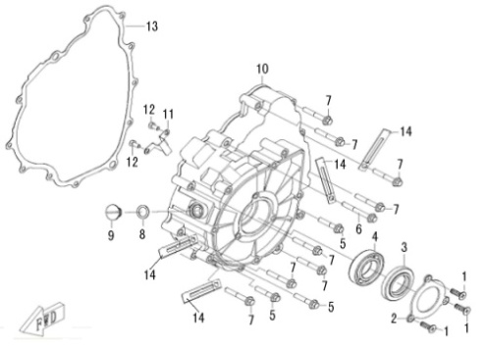
 |  | ←→Interchangeable；≠Noninterchangeable；←New for old →old for new
 | LEFT CRANKCASE COVER | REF. No. | PART NO. | DESCRIPTION | Q'TY | PIN | I/C
 |  | 1 | 10832 | SCREW M6×10 | 3
 |  | 2 | 35245 | HOLDER,OIL SEAL | 1
 |  | 3 | 35248 | OIL SEAL 28×52×7 | 1
 |  | 4 | 10854 | BEARING 60/28 | 1
 |  | 5 | 10329 | BOLT M6×32 | 3
 |  | 6 | 10349 | BOLT M6×50 | 1
 |  | 7 | 10177 | BOLT M6×40 | 8
 |  | 8 | 35250 | O-RING 12x2.8 | 1
 |  | 9 | 35249 | PLUG, INSPECTION | 1
 |  | 10 | 35234 | LEFT CRANKCASE COVER | 1
 |  | 11 | 35246 | LEAD HOLDER | 1
 |  | 12 | 10829 | BOLT M5x10 | 2
 |  | 13 | 35244 | GASKET, LEFT CRANKCASE COVER | 1
 |  | 14 | 35247 | CABLE CLAMP | 4

 |  | ←→Interchangeable；≠Noninterchangeable；←New for old →old for new
 | GENERATOR | REF. No. | PART NO. | DESCRIPTION | Q'TY | PIN | I/C
 |  | 1 | 35334e | STATOR ASSY | 1
 |  | 2 | 35335e | ROTOR ASSY | 1
 |  | 3 | 10182 | BOLT M6×30 | 3

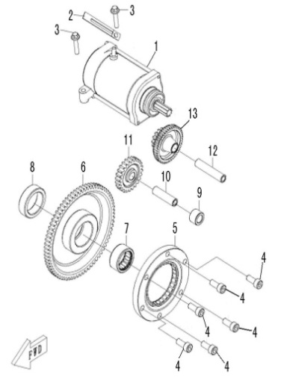
 |  | ←→Interchangeable；≠Noninterchangeable；←New for old →old for new
 | ELECTRIC STARTER | REF. No. | PART NO. | DESCRIPTION | Q'TY | PIN | I/C
 |  | 1 | 35336 | STARTING MOTOR | 1
 |  | 2 | 35247 | CABLE CLAMP | 1
 |  | 3 | 10182 | BOLT M6×30 | 2
 |  | 4 | 10830 | SCREW M8×20 | 6
 |  | 5 | 35265 | STATER CLUTCH | 1
 |  | 6 | 35260 | OUTPUT GEAR ASSY | 1
 |  | 7 | 10859 | NEEDLE BEARING RNA49/22 | 1
 |  | 8 | 35259 | SPACER | 1
 |  | 9 | 35264 | IDLE GEAR BUSHING | 1
 |  | 10 | 35262 | IDLE GEAR SHAFT | 1
 |  | 11 | 35263 | IDLE GEAR | 1
 |  | 12 | 35261 | AXLE, DUAL GEAR | 1
 |  | 13 | 35258 | DUAL GEAR | 1

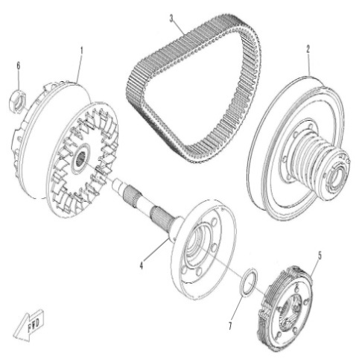
 |  | ←→Interchangeable；≠Noninterchangeable；←New for old →old for new
 | CLUTCH | REF. No. | PART NO. | DESCRIPTION | Q'TY | PIN | I/C
 |  | 1 | 35298 | DRIVE ASSY COMP | 1
 |  | 2 | 35299 | DRIVEN ASSY COMP | 1
 |  | 3 | 35297 | V-BELT | 1
 |  | 4 | 35295 | CLUTCH HOUSING ASSY | 1
 |  | 5 | 35296 | CLUTCH CARRIER ASSY | 1
 |  | 6 | 35294 | NUT M20x1.5 | 1
 |  | 7 | 35293 | OIL SEAL 46×37.5×5.5, END FACE | 1
 |  | 8 | 35668 | WEIGHT | 8

 |  | ←→Interchangeable；≠Noninterchangeable；←New for old →old for new
 | TRANSMISSION Ⅰ | REF. No. | PART NO. | DESCRIPTION | Q'TY | PIN | I/C
 |  | 1 | 35320 | MAIN SHAFT. GEARSHIFT | 1
 |  | 2 | 35309 | BELL PLUG 12 | 1
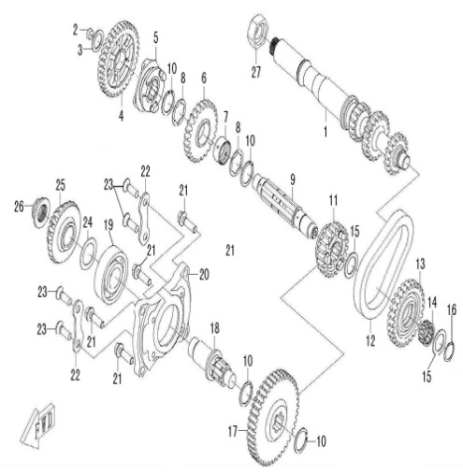
 |  | 3 | 35307 | WASHER 17.5×26×1 | 1
 |  | 4 | 35318 | DRIVEN GEAR, LOW RANGE | 1
 |  | 5 | 35314 | SLIDING BUSH, GEARSHIFT | 1
 |  | 6 | 35316 | DRIVEN GEAR, HIGH RANGE | 1
 |  | 7 | 35317 | BUSHING, DRIVEN HIGH RANGE GEAR | 1
 |  | 8 | 35310 | SPLINE WASHER | 2
 |  | 9 | 35315 | DRIVEN SHAFT | 1
 |  | 10 | 35311 | CIRCLIP 25 | 2
 |  | 11 | 35308 | DRIVEN OUTPUT GEAR | 1
 |  | 12 | 35313 | CHAIN, REVERSE GEAR | 1
 |  | 13 | 35319 | SPROCKET, REVERSE GEAR | 1
 |  | 14 | 10858 | NEEDLE BEARING K20X26X12 | 1
 |  | 15 | 35312 | WASHER 20.5×30×1.5 | 2
 |  | 16 | 24407 | CIRCLIP 20 | 1
 |  | 17 | 35271 | OUTPUT DRIVEN GEAR | 1
 |  | 18 | 35276 | DRIVE BEVEL GEAR SHAFT | 1
 |  | 19 | 10855 | BEARING 6305C3 | 1
 |  | 20 | 35274 | BEARING SEAT,DRIVE BEVEL GEAR | 1
 |  | 21 | 35286 | BOLT M8×28 | 4
 |  | 22 | 35287 | BEARING LIMIT | 2
 |  | 23 | 10276 | SCREW M8×25 | 4
 |  | 24 | 35277 | ADJUST WASHER, DRIVE BEVEL GEAR | 1
 |  | 25 | 35272 | DRIVE BEVEL GEAR | 1
 |  | 26 | 35275 | LOCKNUT, BEVEL GEAR | 1
 |  | 27 | 35294 | NUT M20x1.5 | 1

 |  | ←→Interchangeable；≠Noninterchangeable；←New for old →old for new
 | TRANSMISSION Ⅱ | REF. No. | PART NO. | DESCRIPTION | Q'TY | PIN | I/C
 |  | 1 | 35288 | FRONT OUTPUT SHAFT | 1
 |  | 2 | 10267N | BEARING 6205 | 1
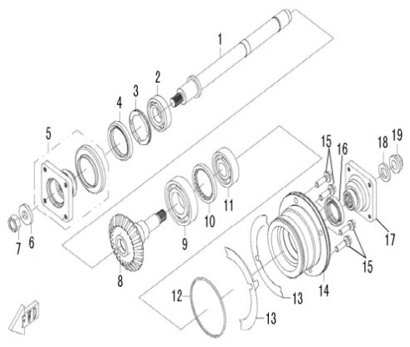
 |  | 3 | 35291 | BEARING RETAINER, FRONT OUTPUT SHAFT | 1
 |  | 4 | 35289 | OIL SEAL 44×60×6.7/10 | 1
 |  | 5 | 35290 | COUPLER, FRONT TRANSMISSION OUTPUT | 1
 |  | 6 | 35292 | WASHER,FRONT TRANSMISSON OUTPUT SHAFT NUT | 1
 |  | 7 | 10837 | NUT M14×1.5-10 | 1
 |  | 8 | 35273 | DRIVEN BEVEL GEAR | 1
 |  | 9 | 10856 | BEARING 6207/P63 | 1
 |  | 10 | 35282 | BEARING LIMIT NUT | 1
 |  | 11 | 10848 | BEARING 63/22 | 1
 |  | 12 | 35279 | O-RING 88×2.4 | 1
 |  | 13 | 35280 | ADJUST WASHER, DRIVEN BEVEL GEAR | 2
 |  | 14 | 35278 | BEARING SEAT, DRIVEN BEVEL GEAR | 1
 |  | 15 | 35286 | BOLT M8×28 | 4
 |  | 16 | 35281 | OIL SEAL 30×46×7 | 1
 |  | 17 | 35283 | COUPLER, REAR TRANSMISSION OUTPUT | 1
 |  | 18 | 35284 | WASHER, REAR OUTPUT SHAFT NUT | 1
 |  | 19 | 35285 | NUT, REAR OUTPUT SHAFT | 1

 |  | ←→Interchangeable；≠Noninterchangeable；←New for old →old for new
 | TRANSMISSION Ⅲ | REF. No. | PART NO. | DESCRIPTION | Q'TY | PIN | I/C
 |  | 1 | 10129 | CIRCLIP 12 | 3
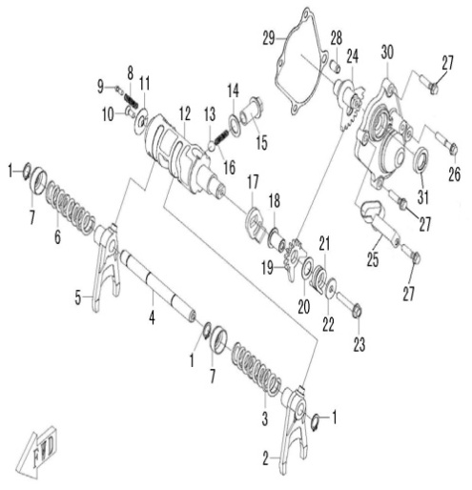
 |  | 2 | 35330 | LEFT SHIFT FORK | 1
 |  | 3 | 35327 | SPRING 1, SHIFT FORK | 1
 |  | 4 | 35333 | GUIDE BAR | 1
 |  | 5 | 35329 | RIGHT SHIFT FORK | 1
 |  | 6 | 35328 | SPRING 2, SHIFT FORK | 1
 |  | 7 | 35326 | SPRING SEAT | 2
 |  | 8 | 35322 | SPRING, GEAR CONTACTOR | 1
 |  | 9 | 35321 | GEAR CONTACTOR | 1
 |  | 10 | 10135 | SCREW M5×12 | 1
 |  | 11 | 35323 | LIMIT WASHER | 1
 |  | 12 | 35331 | SHIFT CAM | 1
 |  | 13 | 10842 | FRICTION BALL 3/8 | 1
 |  | 14 | 35324 | WASHER 14×22×1 | 1
 |  | 15 | 35325 | HOLE BOLT M14×1.5 | 1
 |  | 16 | 35332 | LIMIT SPRING | 1
 |  | 17 | 35303 | WASHER, DRIVEN SECTOR GEAR | 1
 |  | 18 | 35302 | SHAFT, DRIVEN SECTOR GEAR | 1
 |  | 19 | 35301 | DRIVEN SECTOR GEAR | 1
 |  | 20 | 35304 | WASHER 13.5×22×1 | 1
 |  | 21 | 35305 | TORSION SPRING, DRIVEN SECTOR GEAR | 1
 |  | 22 | 35306 | WASHER 6.6×20×2 | 1
 |  | 23 | 10186 | BOLT M6×35 | 1
 |  | 24 | 35300 | WELD PART, DRIVE SECTOR GEAR | 1
 |  | 25 | 35243 | CLIP | 1
 |  | 26 | 10329 | BOLT M6×32 | 1
 |  | 27 | 10187 | BOLT M6×25 | 3
 |  | 28 | 50076 | DOWEL PIN 8×14 | 1
 |  | 29 | 35241 | GASKET, SECTOR GEAR HOUSING | 1
 |  | 30 | 35240 | COVER, SECTOR GEAR HOUSING | 1
 |  | 31 | 35242 | OIL SEAL 15×25×5 | 1

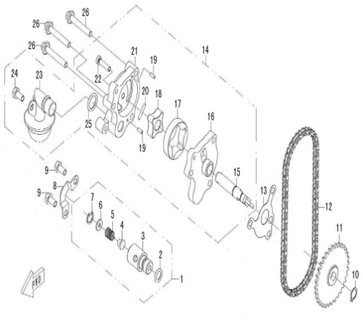
 |  | ←→Interchangeable；≠Noninterchangeable；←New for old →old for new
 | OIL PUMP | REF. No. | PART NO. | DESCRIPTION | Q'TY | PIN | I/C
 |  | 1 | 35197 | RELIEF VALVE | 1
 |  | 2 | 35200 | O-RING 10×2.3 | 1
 |  | 3 | 35198 | RELIEF VALVE BODY | 1
 |  | 4 | 35199 | OIL PLUG, RELIEF VALVE | 1
 |  | 5 | 35201 | SPRING RELIEF VALVE | 1
 |  | 6 | 35202 | SPRING WASHER | 1
 |  | 7 | 10838 | CIRCLIP 12 | 1
 |  | 8 | 35203 | PRESSURE STRIP,RELIEF VALVE | 1
 |  | 9 | 10140 | BOLT M6×12 | 2
 |  | 10 | 10840 | CIRCLIP 11 | 1
 |  | 11 | 35191 | SPROCKET, OIL PUMP | 1
 |  | 12 | 35196 | CHAIN, OIL PUMP | 1
 |  | 13 | 35206 | GASKET, OIL PUMP | 1
 |  | 14 | 35195 | OIL PUMP | 1
 |  | 15 | 35192 | SHAFT, OIL PUMP | 1
 |  | 16 | 35187 | COVER，OIL PUMP | 1
 |  | 17 | 35189 | OUTER ROTOR,OIL PUMP | 1
 |  | 18 | 35190 | INNER ROTOR,OIL PUMP | 1
 |  | 19 | 35193 | DOWEL PIN | 2
 |  | 20 | 35194 | STRAIGHT PIN | 1
 |  | 21 | 35188 | OIL PUMP HOUSING | 1
 |  | 22 | 10857 | SCREW M5×20 | 1
 |  | 23 | 35204 | OIL STRAINER | 1
 |  | 24 | 10210 | BOLT M6×14 | 1
 |  | 25 | 35205 | O-RING 14×2.5 | 1
 |  | 26 | 10177 | BOLT M6×40 | 3

 |  | ←→Interchangeable；≠Noninterchangeable；←New for old →old for new
 | WATER PUMP | REF. No. | PART NO. | DESCRIPTION | Q'TY | PIN | I/C
 |  | 1 | 35179 | WATER PUMP ASSY | 1
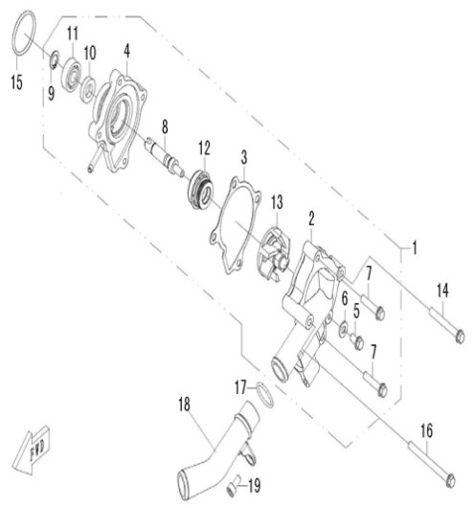
 |  | 2 | 35173 | WATER PUMP COVER | 1
 |  | 3 | 35176 | GASKET | 1
 |  | 4 | 35172 | WATER PUMP HOUSING | 1
 |  | 5 | 10140 | BOLT M6×12 | 1
 |  | 6 | 35108 | WASHER 6 | 1
 |  | 7 | 10182 | BOLT M6×30 | 2
 |  | 8 | 35175 | WATER PUMP SHAFT | 1
 |  | 9 | 10839 | CIRCLIP 10 | 1
 |  | 10 | 35177 | OIL SEAL 10×20×5 | 1
 |  | 11 | 70020 | BEARING 6000 | 1
 |  | 12 | 35178 | WATER SEAL | 1
 |  | 13 | 35180 | IMPELLER | 1
 |  | 14 | 10349 | BOLT M6×50 | 1
 |  | 15 | 35174 | O-RING 34×2.5 | 1
 |  | 16 | 10160 | BOLT M6×70 | 1
 |  | 17 | 35182 | O-RING 21×2.5 | 1
 |  | 18 | 35181 | WATER OUTLET PIPE | 1
 |  | 19 | 10831 | SCREW M6×10 | 1

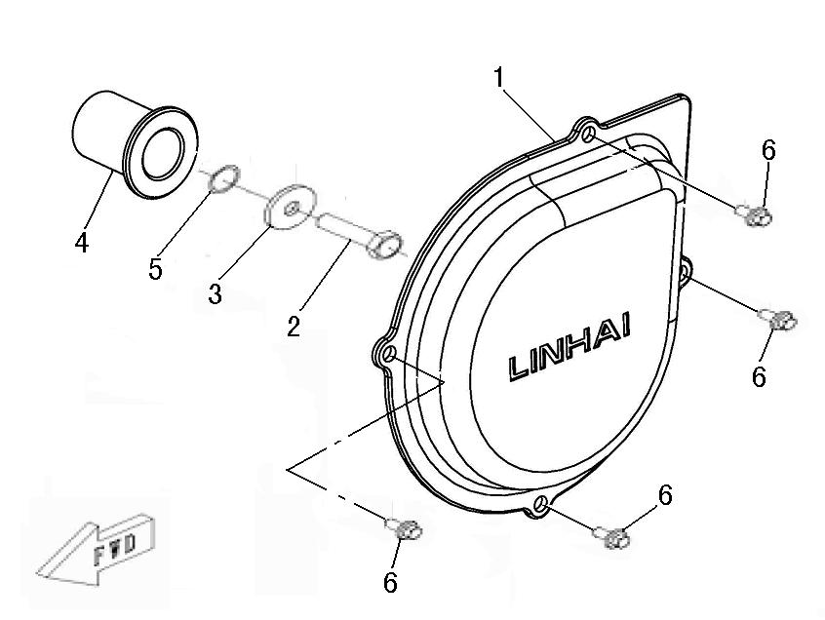
 |  | ←→Interchangeable；≠Noninterchangeable；←New for old →old for new
 | LEFT SIDE COVER | REF. No. | PART NO. | DESCRIPTION | Q'TY | PIN | I/C
 |  | 1 | 35270 | LEFT SIDE COVER | 1
 |  | 2 | 35267 | BOLT M10×1.25×40 | 1
 |  | 3 | 35268 | WASHER 10.2×32×3 | 1
 |  | 4 | 35266 | SPLINED SPACER | 1
 |  | 5 | 35269 | O-RING 16.1×3.2 | 1
 |  | 6 | 10140 | BOLT M6×12 | 4

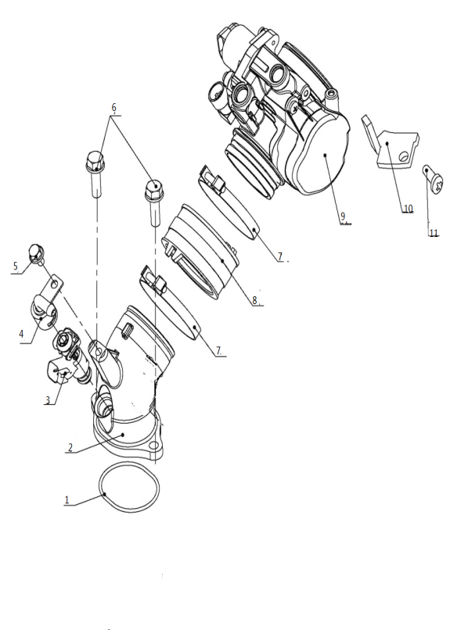
 |  | ←→Interchangeable；≠Noninterchangeable；←New for old →old for new
 | CARBURETOR | REF. No. | PART NO. | DESCRIPTION | Q'TY | PIN | I/C
 |  | 1 | 35207 | O-RING 40x2.4 | 1
 |  | 2 | 35744 | JOINT, CARBURETOR | 1
 |  | 3 | 35745 | INJECTOR | 1
 |  | 4 | 73352 | INJECTOR CAP | 1
 |  | 5 | 10716W | BOLT M6X10 | 1
 |  | 6 | 10183B | BOLT M6X16 | 2
 |  | 7 | 71844 | CLIP 64 | 2
 |  | 8 | 71849 | JOINT,FEED HOSE | 1
 |  | 9 | 71851 | THROTTLE BODY ASSEMBLY | 1
 |  | 10 | 35746 | SPEED LIMITING BLOCK OF THE TB | 1
 |  | 11 | 73478 | SCREW M4X12 | 1

*
*
*
*
*
*
*
*
*
*
*
*
*
*
*
*
*
*
*
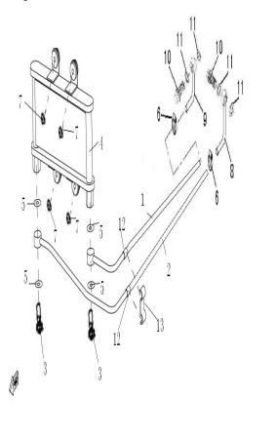
 |  | ←→Interchangeable；≠Noninterchangeable；←New for old →old for new
 | OIL RADIATOR | REF. No. | PART NO. | DESCRIPTION | Q'TY | PIN | I/C
 |  | 1 | 36013 | PIPE A (OLD MODEL) | 1
 |  | 2 | 36012 | PIPE B (OLD MODEL) | 1
 |  | 3 | 35379 | DRAIN PLUG | 2
 |  | 4 | 35342 | OIL RADIATOR | 1 |  | ←→
 |  | 5 | 35341 | WASHER | 4
 |  | 6 | 10774 | CLAMP 12/20 | 2
 |  | 7 | 10836 | NUT 6 | 4
 |  | 8 | 35183 | JOUNT A | 1
 |  | 9 | 35186 | JOUNT B | 1
 |  | 10 | 35214 | HINGE BOLT M14×1.5 | 2
 |  | 11 | 35215 | WASHER 14 | 4
 |  | 12 | 36015 | OLD MODEL CUSHION COLLAR | 2
 |  | 13 | 36014 | OLD MODEL DEAD PLATE | 1

*
*
*
*
*
*
*
*
*
*
*
*
*
*
*
*
*
*
*
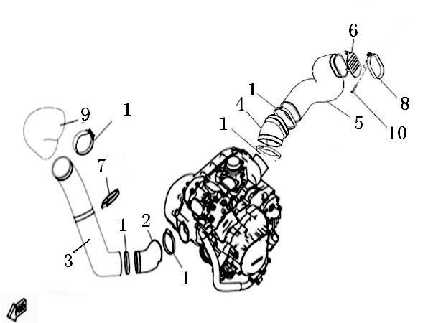
 |  | ←→Interchangeable；≠Noninterchangeable；←New for old →old for new
 | CVT AIR SHROUD | REF. No. | PART NO. | DESCRIPTION | Q'TY | PIN | I/C
 |  | 1 | 35670 | CLAMP 80 | 5
 |  | 2 | 35346 | RUBBER JOINT AIR SHROUD 1，CVT | 1
 |  | 3 | 35671 | AIR SHROUD 1，CVT | 1
 |  | 4 | 35672 | RUBBER JOINT AIR SHROUD 2，CVT | 1
 |  | 5 | 35673 | AIR SHROUD 2，CVT | 1
 |  | 6 | 35675 | NETS，CVT | 1
 |  | 7 | 35674 | AIR SHROUD 1，CVT CLAMPING BAND | 1
 |  | 8 | 35676 | AIR SHROUD 2，CVT CLAMPING BAND | 1
 |  | 9 | 36003 | RUBBER JOINT AIR SHROUD 3，CVT | 1
 |  | 10 | 10182 | BOLT M6X30 | 1

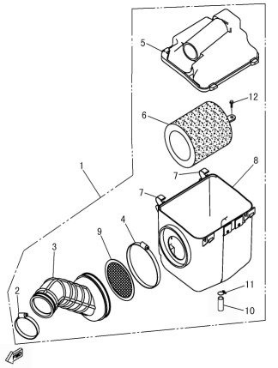
 |  | ←→Interchangeable；≠Noninterchangeable；←New for old →old for new
 | AIR CLEANER | REF. No. | PART NO. | DESCRIPTION | Q'TY | PIN | I/C
 |  | 1 | 35356e | AIR CLEANER ASSY | 1
 |  | 2 | 35747 | CLIP 1 | 1
 |  | 3 | 35358e | FEED HOSE | 1
 |  | 4 | 35359 | CLIP 2 | 1
 |  | 5 | 35360 | COVER，AIR CLEANER | 1
 |  | 6 | 35361 | ELEMENT COMP AIR CLEANER | 1
 |  | 7 | 35362 | CLIP，AIR CLEANER COVER | 2
 |  | 8 | 35363 | CASE，AIR CLEANER | 1
 |  | 9 | 35364 | FILTER | 1
 |  | 10 | 35365 | HOSE 2,AIR CLEANER | 1
 |  | 11 | 35366 | SPRING CLIP | 1
 |  | 12 | 35367 | SCREW | 1

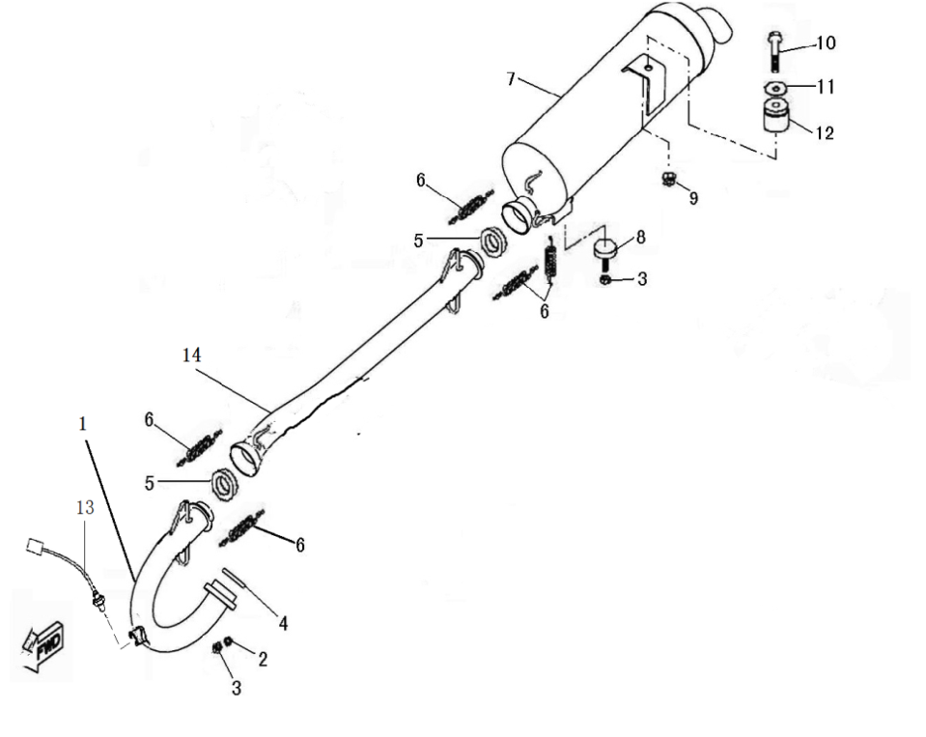
 |  | ←→Interchangeable；≠Noninterchangeable；←New for old →old for new
 | EXHAUST | REF. No. | PART NO. | DESCRIPTION | Q'TY | PIN | I/C
 |  | 1 | 36406 | EXHAUST PIPE | 1
 |  | 2 | 10106 | WASHER 8 | 2
 |  | 3 | 10099 | NUT M8 | 3
 |  | 4 | 35369 | EXHAUST PIPE GASKET | 1
 |  | 5 | 35370 | JOUNT | 2
 |  | 6 | 23408 | SPRING | 5
 |  | 7 | 36139 | MUFFLER | 1
 |  | 8 | 35345 | MUFFLER SUPPORT BOTTOM | 1
 |  | 9 | 10015 | NUT M10X1.25 | 1
 |  | 10 | 10120 | BOLT FLANGE M10X1.25X62 | 1
 |  | 11 | 10117 | WASHER PLATE 10 | 1
 |  | 12 | 35344 | MUFFLER SUPPORT | 1
 |  | 13 | 70826 | SENSOR | 1
 |  | 14 | 36405 | EXHAUST PIPE | 1

*
*
*
*
*
*
*
*
*
*
*
*
*
*
*
*
*
*
*
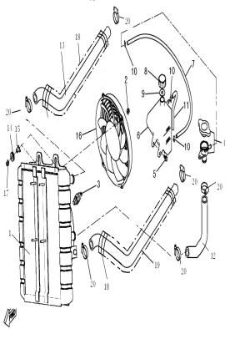
 |  | ←→Interchangeable；≠Noninterchangeable；←New for old →old for new
 | RADIATOR | REF. No. | PART NO. | DESCRIPTION | Q'TY | PIN | I/C
 |  | 1 | 36008 | RADIATOR | 1
 |  | 2 | 10103 | NUT M6 | 4
 |  | 3 | 22919 | THERMOSTAT SWITCH ASSY | 1
 |  | 4 | 22907a | SAFETY VALVE | 1
 |  | 5 | 10140 | BOLT M6X12 | 2
 |  | 6 | 70340 | TANK RECOVERY | 1
 |  | 7 | 36055 | PIPE,SAFETY VALVE | 1
 |  | 8 | 70338 | COVER,TANK RECOVERY | 1
 |  | 9 | 70339 | WASHER,TANK RECOVERY | 1
 |  | 10 | 22924 | CLIP | 3
 |  | 11 | 70342 | PIPE,TANK RECOVERY | 1
 |  | 12 | 36009 | HOSE,RADIATOR | 1
 |  | 13 | 36010 | HOSE,FEED | 1
 |  | 14 | 36053 | RADIATOR SIDE GROMMET | 2
 |  | 15 | 36052 | COLLAR | 2
 |  | 16 | 35354 | BLOWER ASSY | 1
 |  | 17 | 10004 | NUT M6 | 2
 |  | 18 | 35352 | SLEEVE | 2
 |  | 19 | 36011 | HOSE,RETURN | 1
 |  | 20 | 70344 | CLAMP 20/32 | 6

13.26 ACCESSORY | ACCESSORY | 1 | 80129 | Rotor ASSY puller | 1

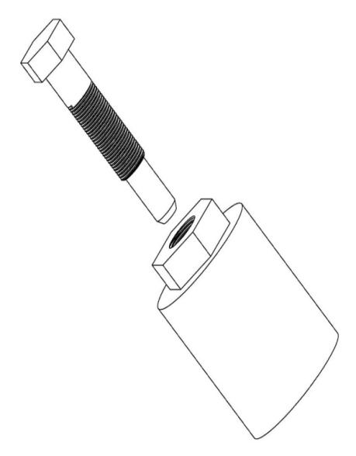

 |  | 2 | 80130 | BEARING RETAINER, FRONT OUTPUT SHAFT，NUT WRENCH | 1

 |  | 3 | 80131 | BEARING LIMIT NUT，NUT WRENCH | 1

